D1
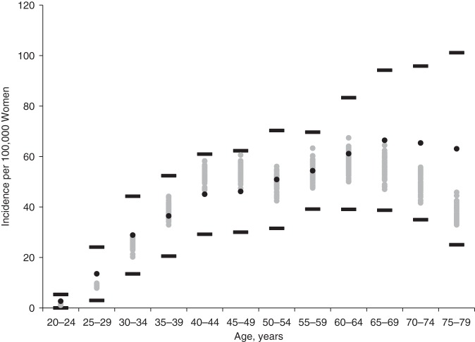

Cervical cancer incidence for pre-screening period

