Sheet11
Website Graph | GMM, At once variable n=59chunk_size=500 |  | Algorithm graph, chunk size=500 | GMM, At once fixed n=50chunk_size=500

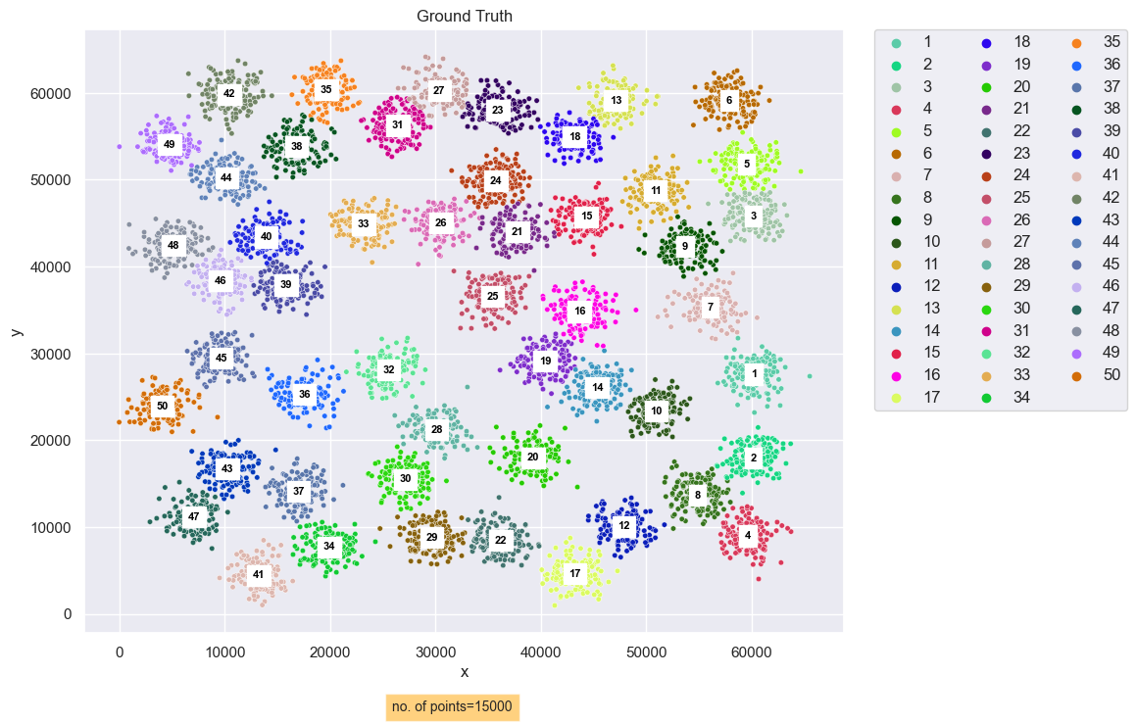
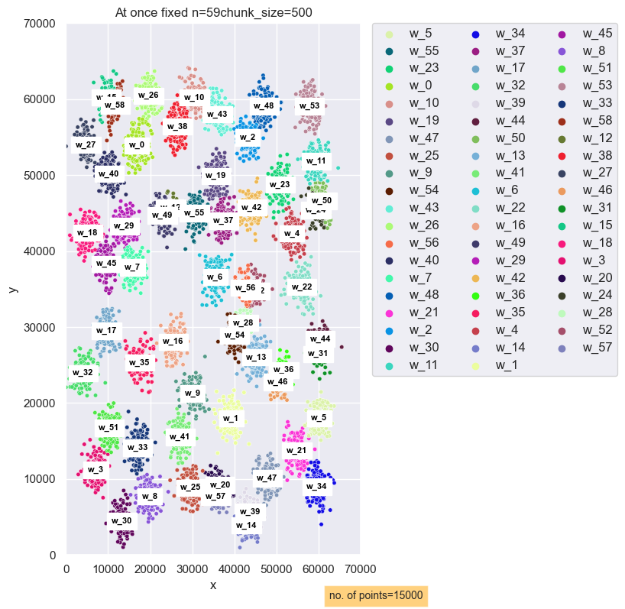
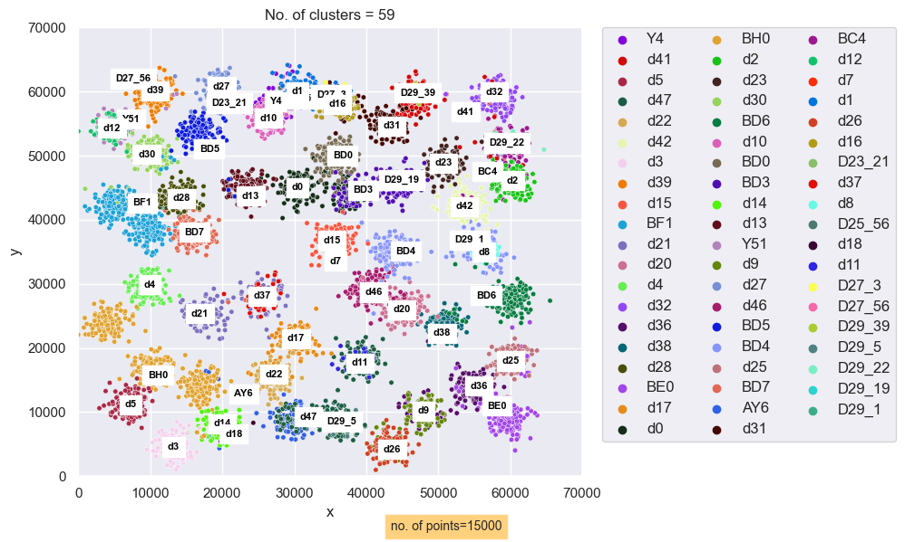
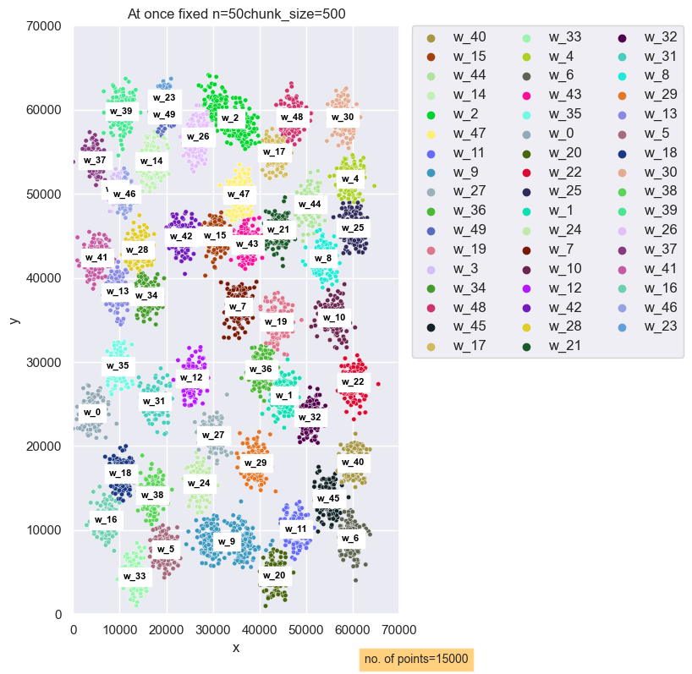

 |  | rand index at once whole with variable n = 59 gmm vs Alg result :0.9653078738582572
 |  | rand index at once whole with fixed n = 50 gmm vs Alg result : 0.9649790874947218

