Sheet11
Website Graph | GMM, At once variable n=19chunk_size=500 |  | Algorithm graph, chunk size=500 | GMM, At once fixed n=15chunk_size=500

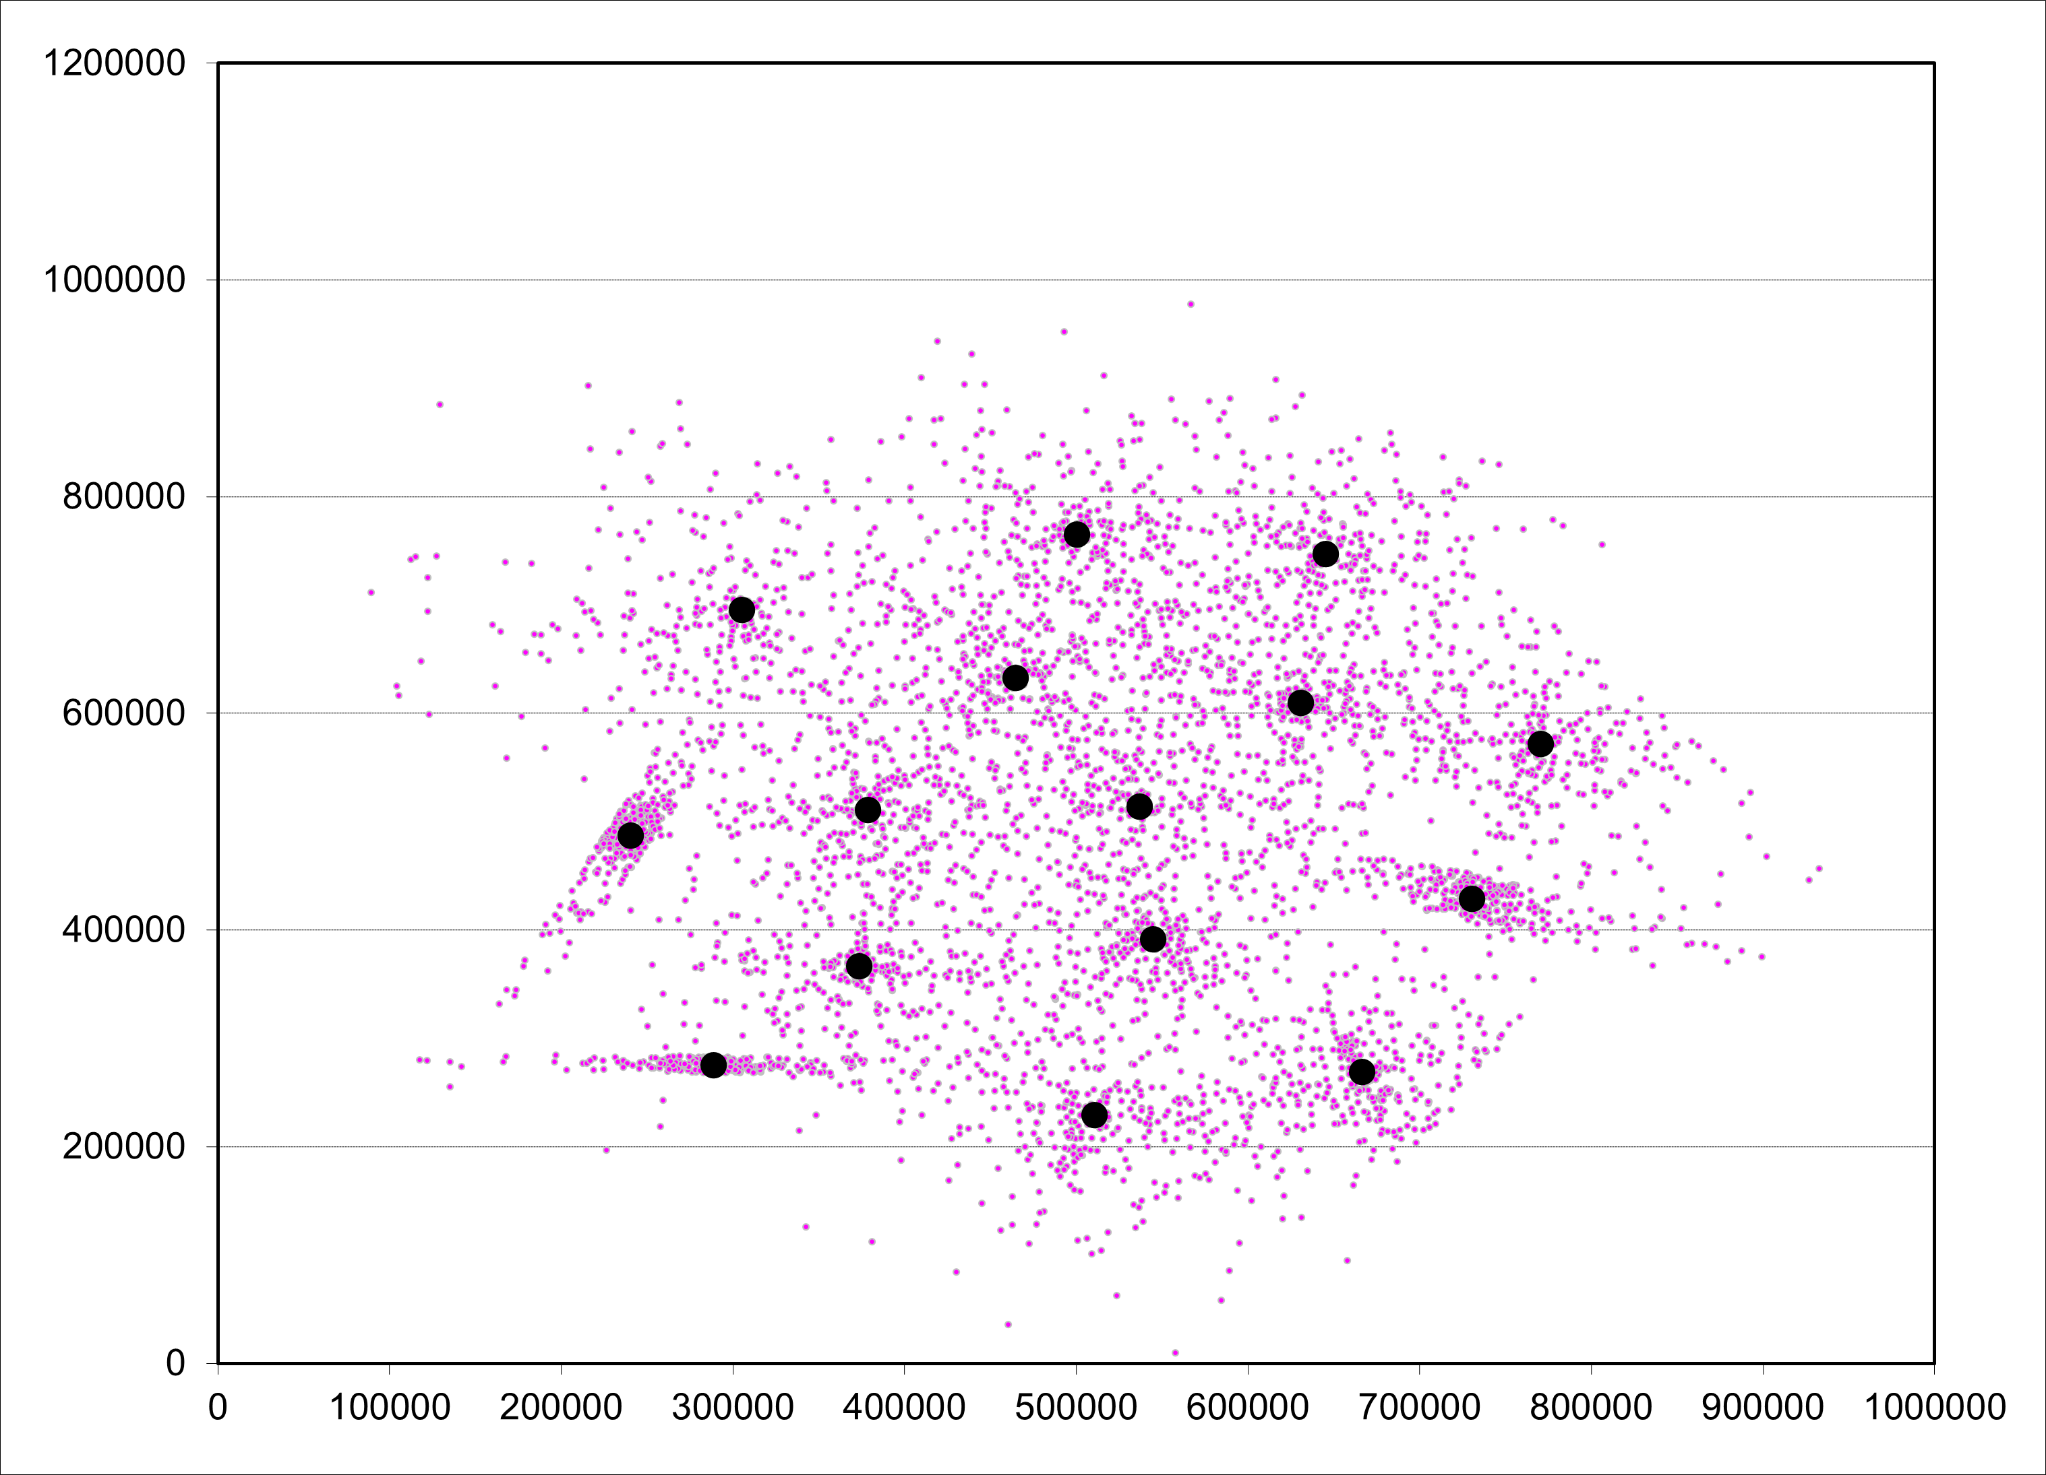
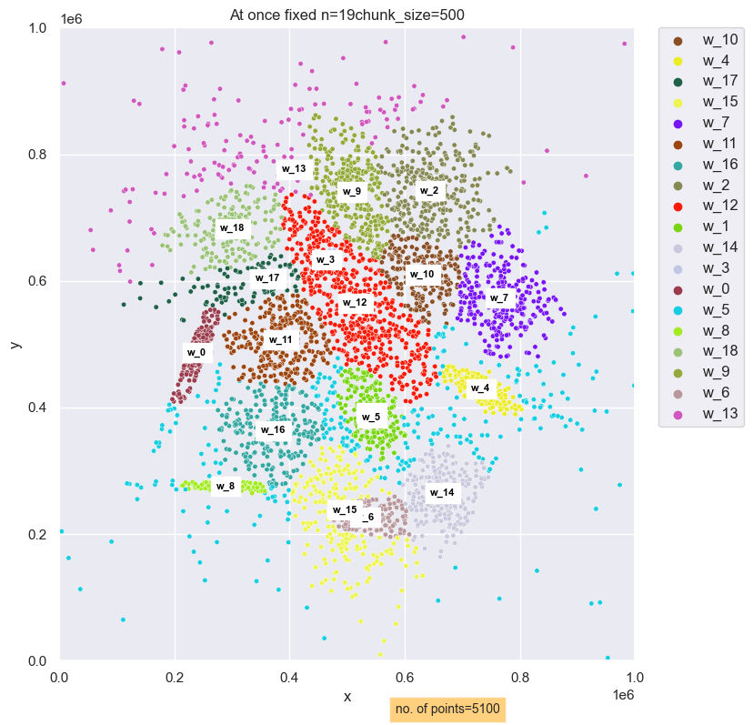
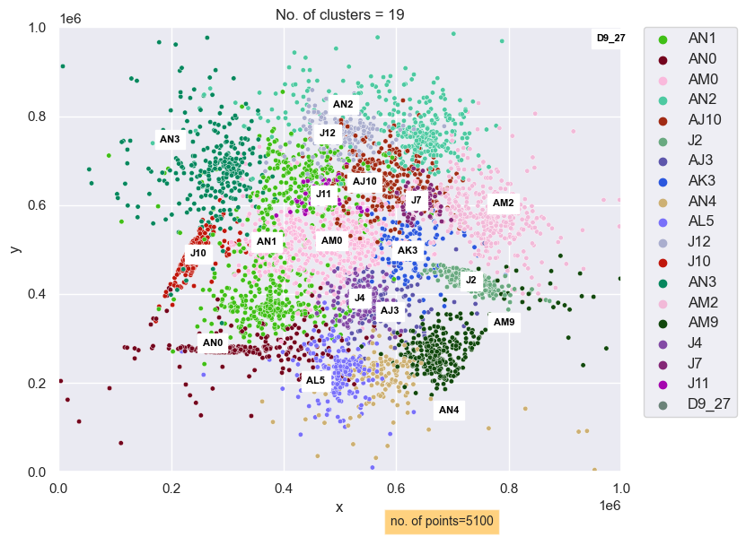
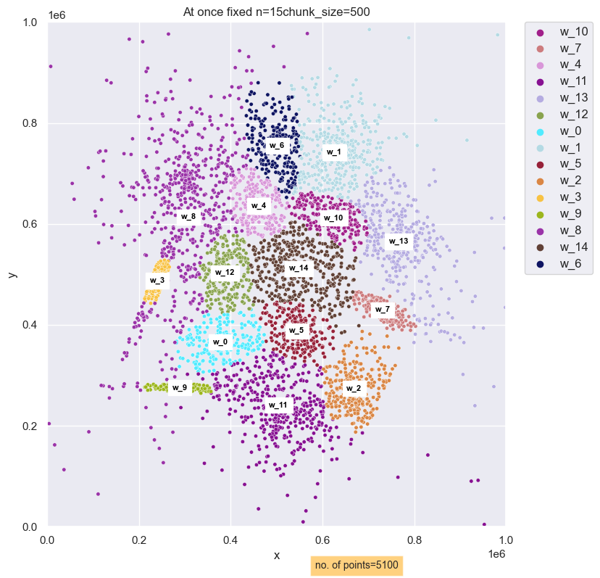

 |  | rand index at once whole with variable n = 19 gmm vs Alg result :0.9083315067544963
 |  | rand index at once whole with fixed n = 15 gmm vs Alg result : 0.8985129725551723

