Sheet11
Website Graph | GMM, At once variable n=54chunk_size=600 |  | Algorithm graph, chunk size=600 | GMM, At once fixed n=50chunk_size=600

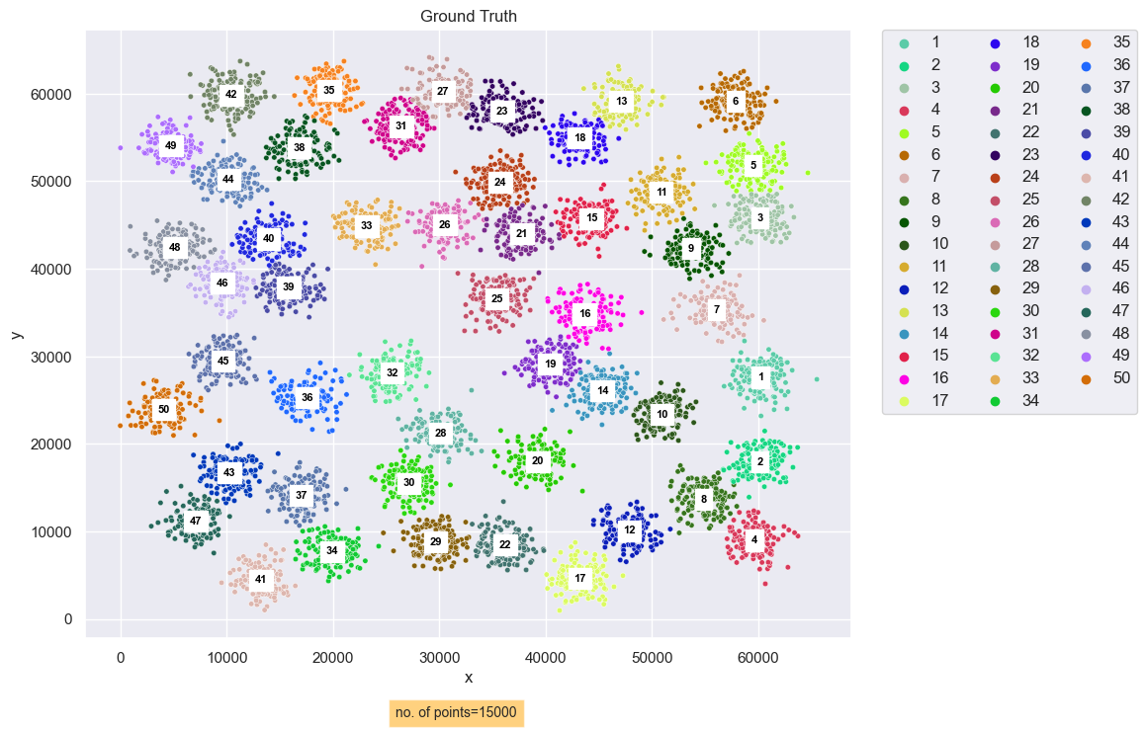
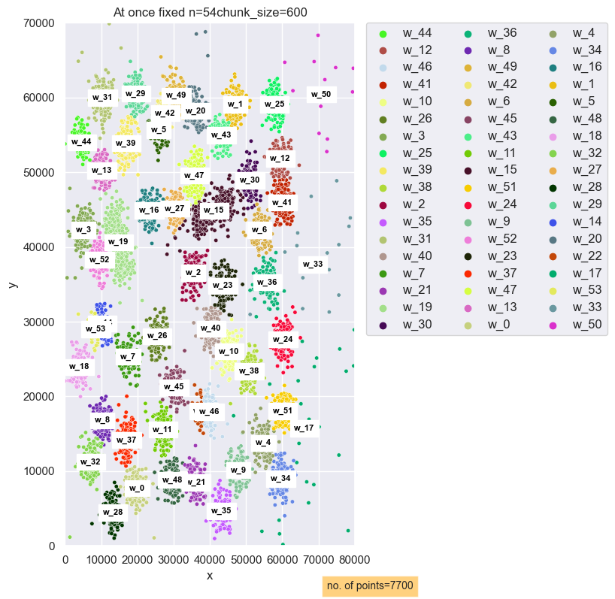
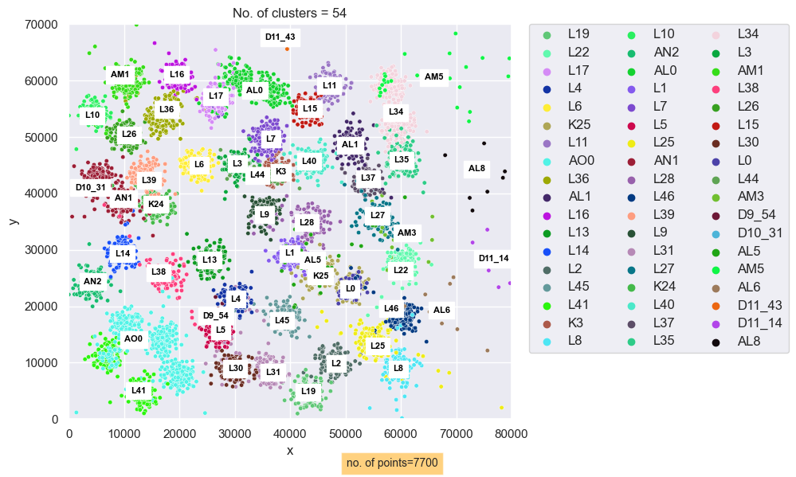
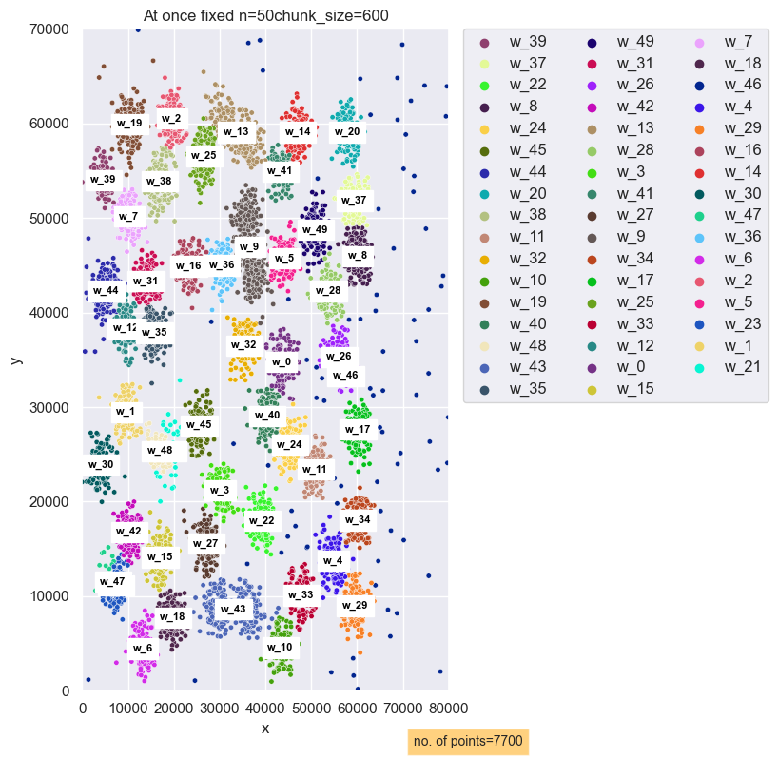

 |  | rand index at once whole with variable n = 54 gmm vs Alg result :0.9629565654503958
 |  | rand index at once whole with fixed n = 50 gmm vs Alg result : 0.9620555207878236

