Sheet11
Website Graph | GMM, At once variable n=13chunk_size=500 |  | Algorithm graph, chunk size=500 | GMM, At once fixed n=15chunk_size=500

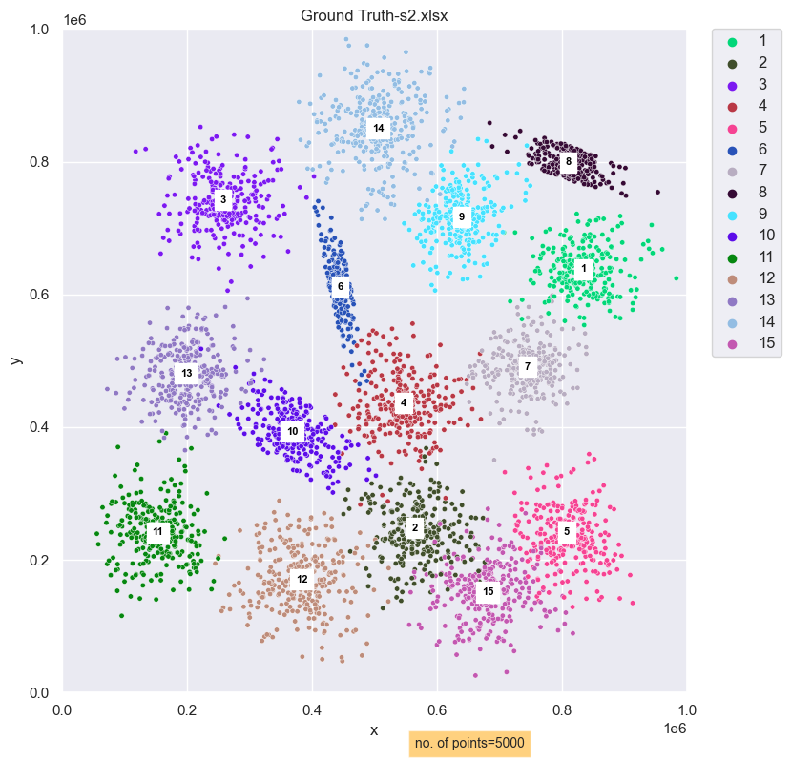
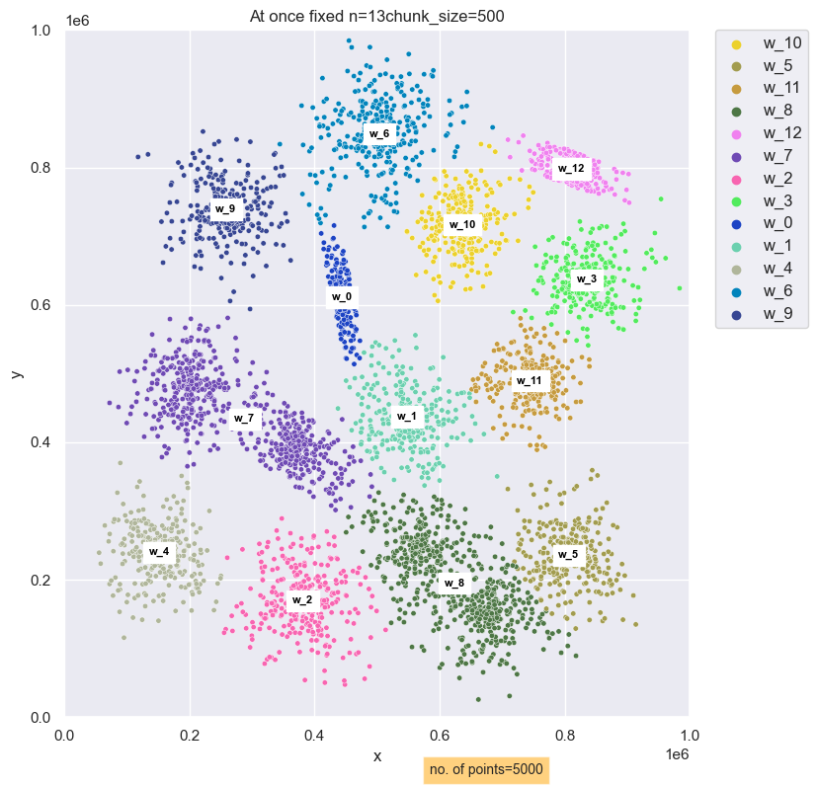
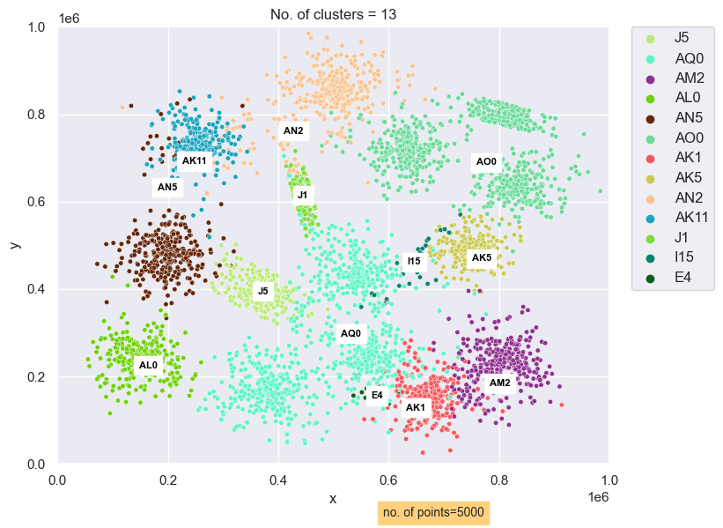
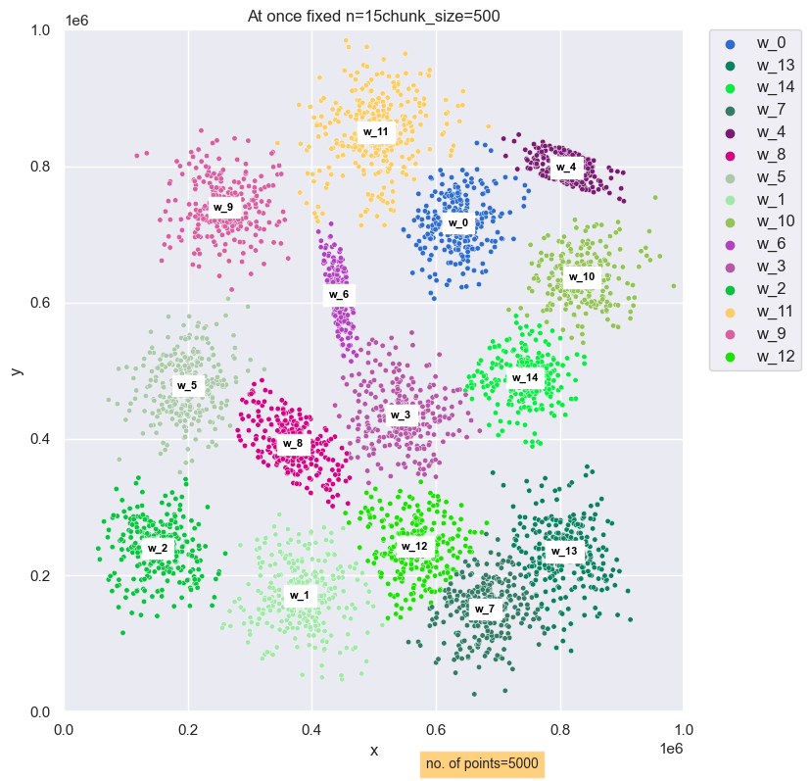

 |  | rand index at once whole with variable n = 13 gmm vs Alg result :0.8861777155431086
 |  | rand index at once whole with fixed n = 15 gmm vs Alg result : 0.9115090218043609

