RentalCompany
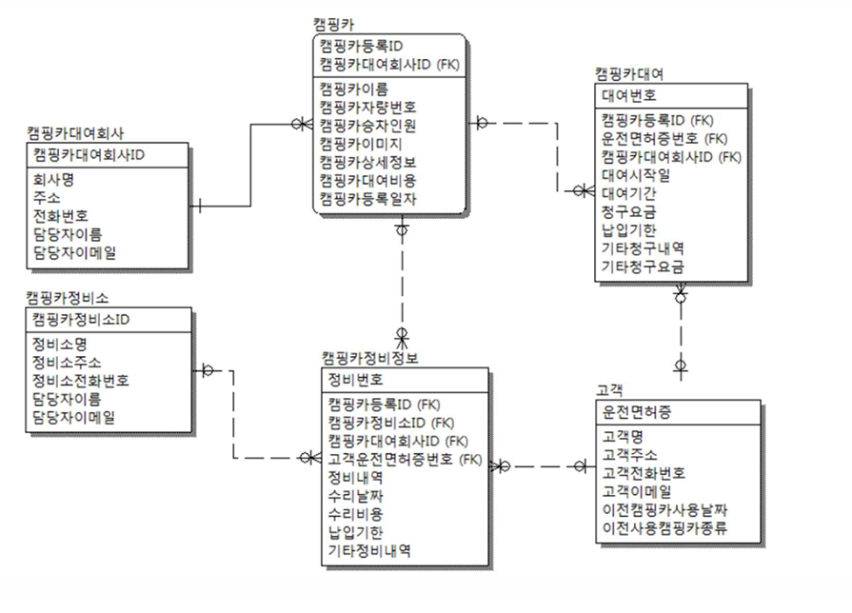
table name | CamperRentalCompany (캠핑카대여회사)
 | Logical | Physical
 |  | column | Data Type | Size | Null/Unique
PK | 캠핑카대여회사ID | c_rental_company_id | INT |  | Not Null / Unique
FK
Attribute | 회사명 | c_rental_company_name | VARCHAR | 30 | Not Null
 | 주소 | c_rental_company_address | VARCHAR | 40 | Not Null
 | 전화번호 | c_rental_company_contact | VARCHAR | 12 | Not Null
 | 담당자이름 | c_rental_company_manager | VARCHAR | 20 | Not Null
 | 담당자이메일 | c_rental_company_email | VARCHAR | 20 | Not Null

