DOCTORS
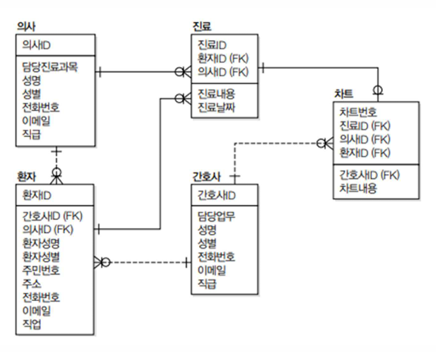
table name | Doctors (의사)
 | Logical | Physical
 |  | column | Data Type | Size | Null/Unique
PK | 의사ID | doctor_id | INT |  | Not Null / Unique
FK
Attribute | 담당진료과목 | medical_subject | VARCHAR | 20 | Not Null
 | 성명 | doctor_name | VARCHAR | 30 | Not Null
 | 성별 | doctor_gender | CHAR | 2 | Not Null
 | 전화번호 | phone_number | VARCHAR | 20
 | 이메일 | email | VARCHAR | 30
 | 직급 | title | VARCHAR | 20

