aPTT
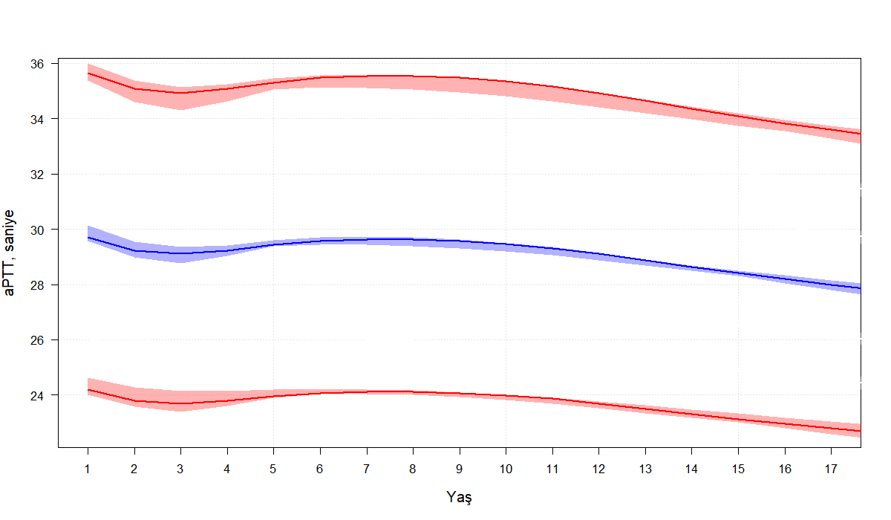
Percentile | Age_1 | Age_2 | Age_3 | Age_4 | Age_5 | Age_6 | Age_7 | Age_8 | Age_9 | Age_10 | Age_11 | Age_12 | Age_13 | Age_14 | Age_15 | Age_16 | Age_17
Perc_0.025 | 24.2 | 23.8 | 23.7 | 23.8 | 24.0 | 24.1 | 24.1 | 24.1 | 24.1 | 24.0 | 23.9 | 23.7 | 23.5 | 23.3 | 23.1 | 23.0 | 22.8
Perc_0.5 | 29.7 | 29.2 | 29.1 | 29.2 | 29.4 | 29.6 | 29.6 | 29.6 | 29.6 | 29.5 | 29.3 | 29.1 | 28.9 | 28.6 | 28.4 | 28.2 | 28.0
Perc_0.975 | 35.7 | 35.1 | 34.9 | 35.1 | 35.3 | 35.5 | 35.5 | 35.5 | 35.5 | 35.4 | 35.2 | 34.9 | 34.6 | 34.4 | 34.1 | 33.8 | 33.6

PTZ
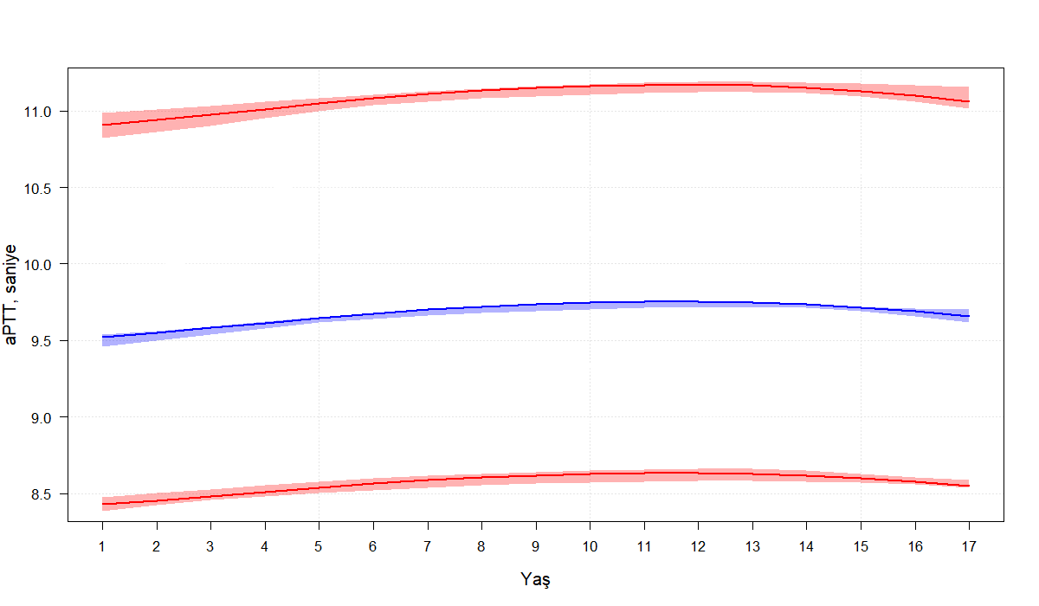
Percentile | Age_1 | Age_2 | Age_3 | Age_4 | Age_5 | Age_6 | Age_7 | Age_8 | Age_9 | Age_10 | Age_11 | Age_12 | Age_13 | Age_14 | Age_15 | Age_16 | Age_17
Perc_0.025 | 8.4 | 8.5 | 8.5 | 8.5 | 8.5 | 8.6 | 8.6 | 8.6 | 8.6 | 8.6 | 8.6 | 8.6 | 8.6 | 8.6 | 8.6 | 8.6 | 8.5
Perc_0.5 | 9.5 | 9.6 | 9.6 | 9.6 | 9.6 | 9.7 | 9.7 | 9.7 | 9.7 | 9.7 | 9.8 | 9.8 | 9.7 | 9.7 | 9.7 | 9.7 | 9.7
Perc_0.975 | 10.9 | 10.9 | 11.0 | 11.0 | 11.0 | 11.1 | 11.1 | 11.1 | 11.2 | 11.2 | 11.2 | 11.2 | 11.2 | 11.2 | 11.1 | 11.1 | 11.1

