Working
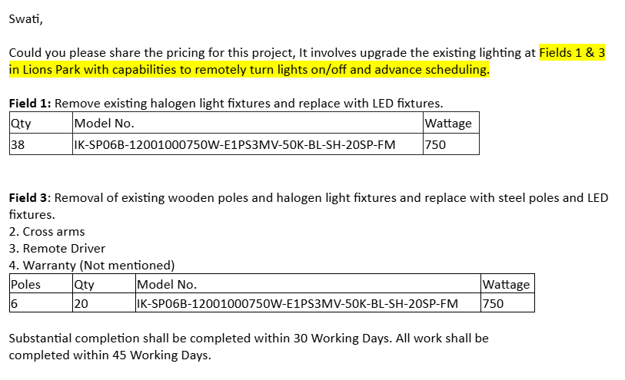
Fields 1 | Description | Qty. | SP | Total | Remarks | Fields 1 | Description | Qty. | SP | Total | Remarks
Baseball Field | IK-SP06B-12001000750W-E1PS3MV-50K-BL-SH-20SP-FM | 38 | $1,100.00 | $41,800.00 |  | Baseball Field | IK-SP06B-12001000750W-E1PS3MV-50K-BL-SH-20SP-FM | 38 | $1,100.00 | $41,800.00
Baseball Field | Synapse On/Off | 38 | $266.57 | $10,129.60 |  | Baseball Field | Synapse Dynamic Behaviour | 38 | $451.31 | $17,149.60
 |  |  |  | $51,929.60 |  |  |  |  |  | $58,949.60
 |  |  | 700*38 | 26600 | $78,529.60
Baseball Field | Cross Arm 2 | 2 | $420.00 | $840.00 | Optional
Baseball Field | Cross Arm 3 | 8 | $490.00 | $3,920.00
Baseball Field | Cross Arm 5 | 2 | $778.40 | $1,556.80
Baseball Field | Junction Box (6 Driver) | 12 | $2,100.00 | $25,200.00
Baseball Field | DC Wire | 1900 | $1.80 | $3,420.00
 |  |  |  | $34,936.80

Fields 3 | Description | Qty. | SP | Total | Remarks | Fields 3 | Description | Qty. | SP | Total | Remarks
Softball Field | IK-SP06B-12001000750W-E1PS3MV-50K-BL-SH-20SP-FM | 20 | $1,100.00 | $22,000.00 |  | Softball Field | IK-SP06B-12001000750W-E1PS3MV-50K-BL-SH-20SP-FM | 20 | $1,100.00 | $22,000.00
Softball Field | 50ft Pole | 6 | $8,260.00 | $49,560.00 |  | Softball Field | 50ft Pole | 6 | $8,260.00 | $49,560.00
Softball Field | Cross Arm 2 | 4 | $420.00 | $1,680.00 |  | Softball Field | Cross Arm 2 | 4 | $420.00 | $1,680.00
Softball Field | Cross Arm 3 | 4 | $490.00 | $1,960.00 |  | Softball Field | Cross Arm 3 | 4 | $490.00 | $1,960.00
Softball Field | Junction Box (6 Driver) | 6 | $2,100.00 | $12,600.00 |  | Softball Field | Junction Box (6 Driver) | 6 | $2,100.00 | $12,600.00
Softball Field | DC Wire | 1000 | $1.80 | $1,800.00 |  | Softball Field | DC Wire | 1000 | $1.80 | $1,800.00
Softball Field | Synapse On/Off | 20 | $419.90 | $8,398.00 |  | Softball Field | Synapse Dynamic Behaviour | 20 | $770.90 | $15,418.00
 |  |  |  | $97,998.00 |  |  |  |  |  | $105,018.00
 |  |  | 20*700 | $14,000.00
 |  |  | 6*16000 | $96,000.00
 |  |  |  | $207,998.00

