failed cases
data | documentType | dataType | formName | printerAliasName | errorDescription | additionalCode | additionalInfo | serial_number | printer_name | alias_name
https://225934331380-sending-service-qa.s3.amazonaws.com/sample-labels/usps/8x11_2D_barcode.pdf | zpl | url | 8x11 | test_automation1 | failed no validation is coming
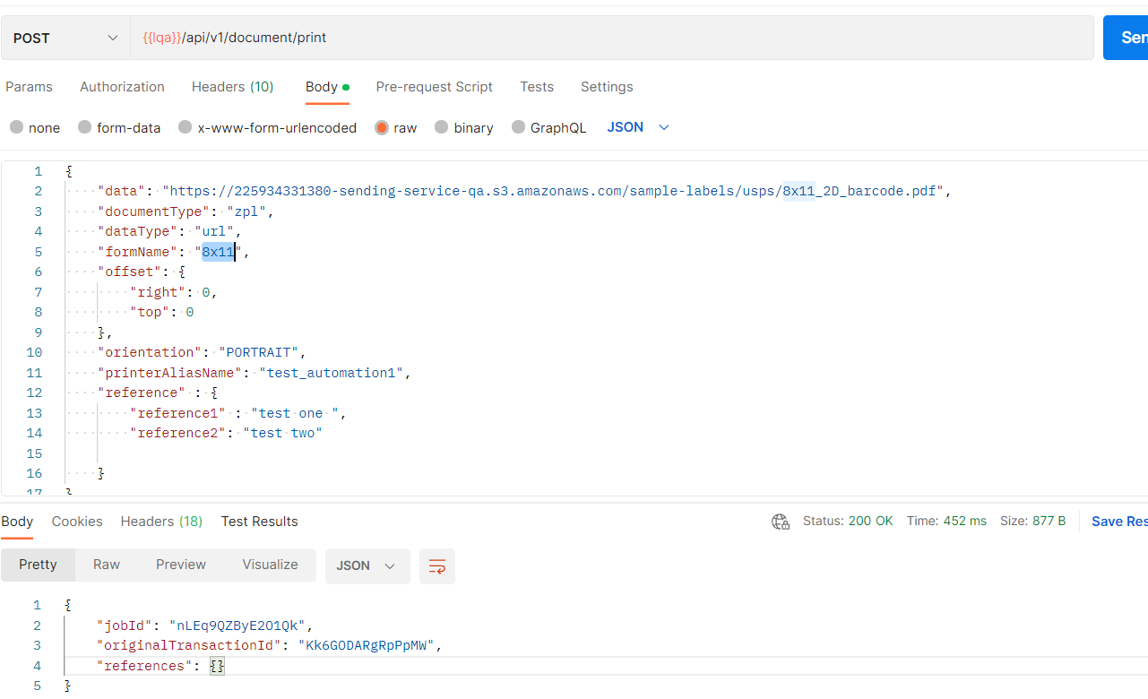

https://225934331380-sending-service-qa.s3.amazonaws.com/sample-labels/usps/8x11_2D_barcode.pdf | pdf | base64 | 8x11 | test_automation1 | failed no validation is coming
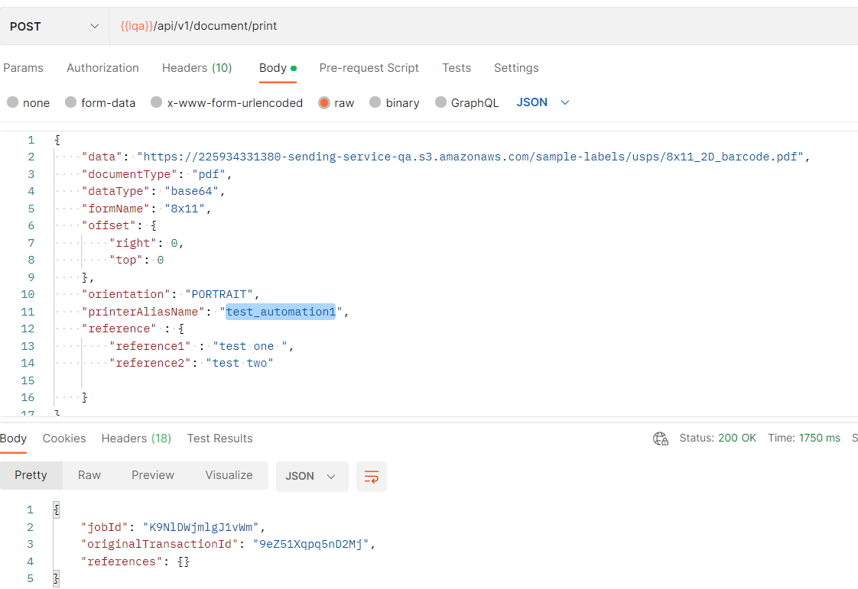

https://225934331380-sending-service-qa.s3.amazonaws.com/sample-labels/ups/4x6.pdf | pdf | base64 | 4x6 | test_automation1 | failed no validation is coming
https://225934331380-sending-service-qa.s3.amazonaws.com/sample-labels/ups/4x6.pdf | zpl | base64 | 4x6 | test_automation1 | failed no validation is coming
base64 encoded url 4x6 label url | zpl | base64 | 4x6 | test_automation1 | failed no validation is coming
base64 encoded url 8x11 label url | zpl | base64 | 8x11 | test_automation1 | failed no validation is coming
base64 encoded url 4x6 label url | pdf | zpl | 4x6 | test_automation1 | failed no validation is coming
base64 encoded url 8x11 label url | pdf | zpl | 8x11 | test_automation1 | failed no validation is coming
base64 encoded url 4x6 label url | pdf | url | 4x6 | test_automation1 | failed no validation is coming
base64 encoded url 8x11 label url | pdf | url | 8x11 | test_automation1 | failed no validation is coming
zpl format | zpl | url | 4x6 | test_automation1 | failed no validation is coming
zpl format | zpl | base64 | 8x11 | test_automation1 | failed no validation is coming

