Sheet
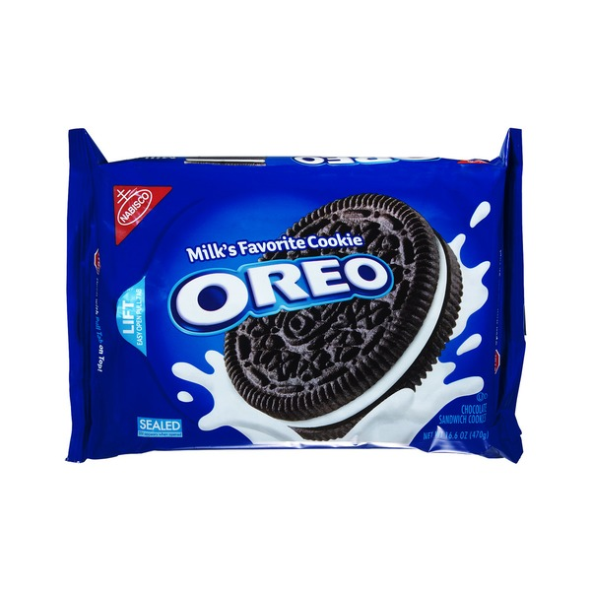
Ice Cream by Flavor
Flavor | Solid
Vanilla | 1500
Chocolate | 1700
Strawbery | 600
Pumpkin Spice | 950

