DLS Curves
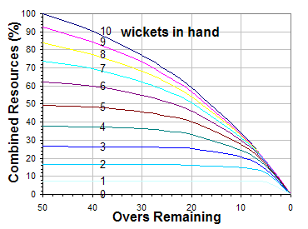

Match Scenario


Calculation
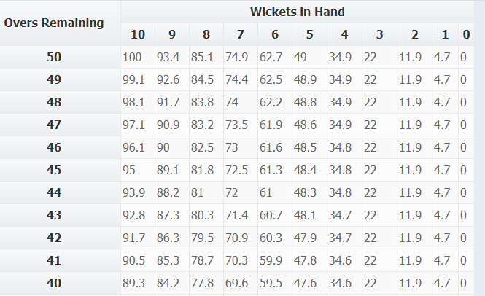

T1_runs | 198
T2_par | ?
R1 | 100
R2 | 66.5 | 33.5 -> (100 - 33.5)

T2_par | T1_runs*(R2/R1)
 | 131.67

6wks
R2 | 37.6 -> 62.4
 | 123.552

