Scorecard
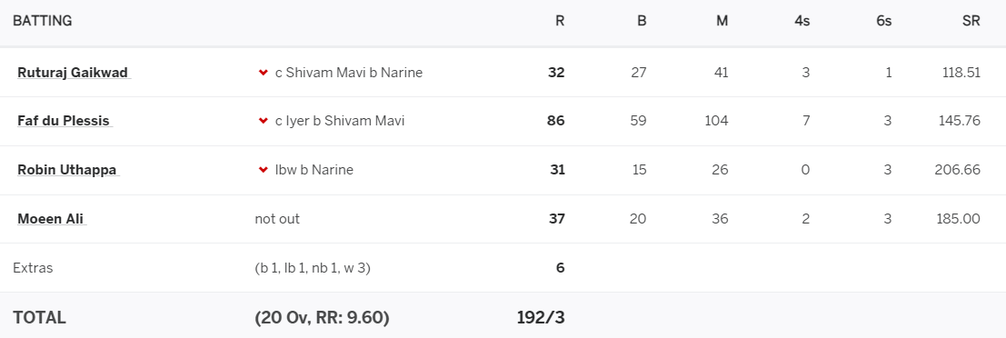

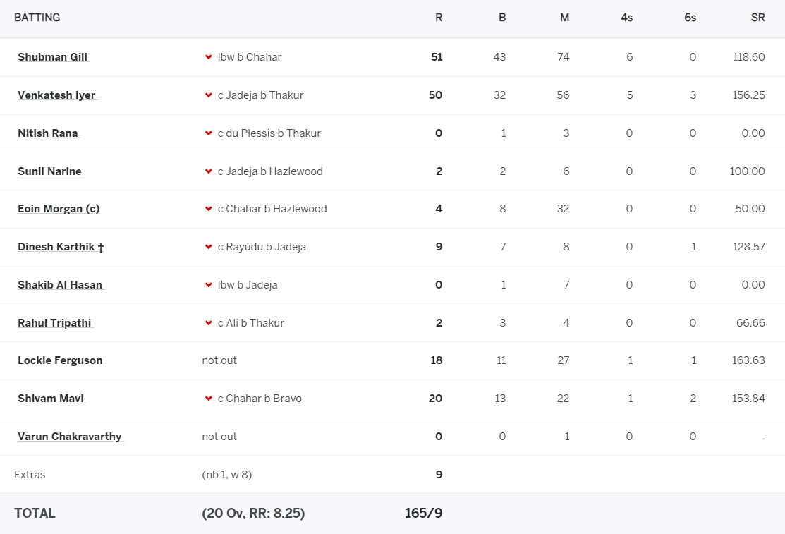

Validate results
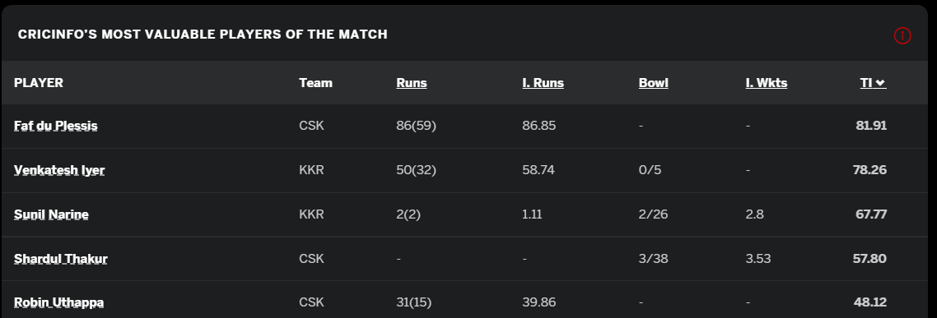

Player | Bat | Bowl | Total_Rating
F du Plessis | 0.71 | 0.00 | 0.71
SN Thakur | 0.00 | 0.61 | 0.61
SP Narine | 0.01 | 0.60 | 0.60
JR Hazlewood | 0.00 | 0.56 | 0.56
VR Iyer | 0.54 | 0.00 | 0.54

