Graph
Retail Stores Sales Target (Monthly)
 | Major UK retail stores
Major UK retail stores | £630,450.0
Convienience Stores | £180,000.0
Gym & Sports Centres | £60,000.0
Online Sales Target (Monthly)
 | Amazon
Amazon | £120,000.0
Group on | £30,000.0
Ebay | £30,000.0
Ocado | £15,000.0
Holland and Barrett | £60,000.0
online health/nutrition shops | £30,000.0
Direct Website (Company B) | £15,000.0
% Advertisement Expense
Facebook | 20%
Instagram | 20%
youtube | 20%
snapchat | 20%
Google | 10%
Sports Events | 5%
Blogs | 5%

Investment and Returns
 | cumulative Net Income | cumulative Investment
2021 | 5,618,160 | 15000000
2022 | 11,685,773 | 15000000
2023 | 18,238,795 | 15000000
Yearly Revenue
 | Revenue | Profit Before Tax
2021 | 14,045,400 | 7,022,700
2022 | 15,169,032 | 7,584,516
2023 | 16,382,555 | 8,191,277
Summary
With investment of £15,000,000 business plan is formulated to achieve break even point in 2.5 years
Sales are mainly target to Retail stores and online with retail sales dominating. In future online sales is expected to rise at a faster rate.
Advertisement cost is mainly driven by Google and Youtube advertisements
With proper planning and marketing a growth rate of 8% is achievable , the UK market growth rate for product category is about 4%

Sales Projection
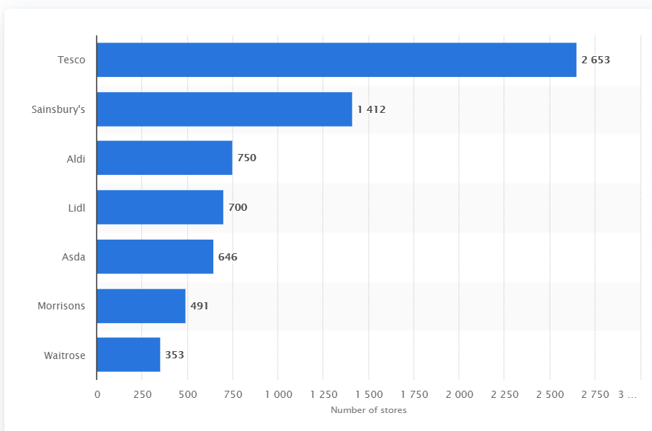
Propose unit price | £30.0

 |  | Monthly Target Sales (units) | Revenue
Retail Stores |  | 29015 | £870,450.0
Major UK retail stores | 7005 | 21015 | £630,450.0
Convienience Stores |  | 6000 | £180,000.0
Gym & Sports Centres |  | 2000 | £60,000.0
online |  | 10000 | £300,000.0
Amazon |  | 4000 | £120,000.0
Group on |  | 1000 | £30,000.0
Ebay |  | 1000 | £30,000.0
Ocado |  | 500 | £15,000.0
Holland and Barrett |  | 2000 | £60,000.0
online health/nutrition shops |  | 1000 | £30,000.0
Direct Website (Company B) |  | 500 | £15,000.0
Total sales (Monthly) |  | 39015 | £1,170,450.0
Total Sales (Yearly) |  | 468180 | £14,045,400.0

Advertisement | % Cost
Facebook | 20% |  |  |  | Retail stores in UK:
Instagram | 20% |  |  |  | Source: https://www.statista.com/statistics/920074/number-of-stores-of-supermarkets-united-kingdom-uk/
youtube | 20%
snapchat | 20%
Google | 10%
Sports Events | 5% |  |  | ONS.gov.uk | Average Household expediture for soft drinks per month for age group 20-50 |  | £4
Blogs | 5% |  |  | National statistics uk | Total person in age group 19-38 |  | 17561000
 |  |  |  |  | Total soft drink market |  | 70244000
 |  |  |  | assumption | Potential for electrolyte market | 20% | 14048800
 |  |  |  |  |  |  | £168,585,600
 |  |  |  |  | Market Share to capture | 10% | £16,858,560

