Sheet1
1. BusStop (0.624600)
2. Roundabout (0.134353)
3. Fin (0.128452)
4. TrafficSignal (0.019431)
5. ShopElect (0.009751)
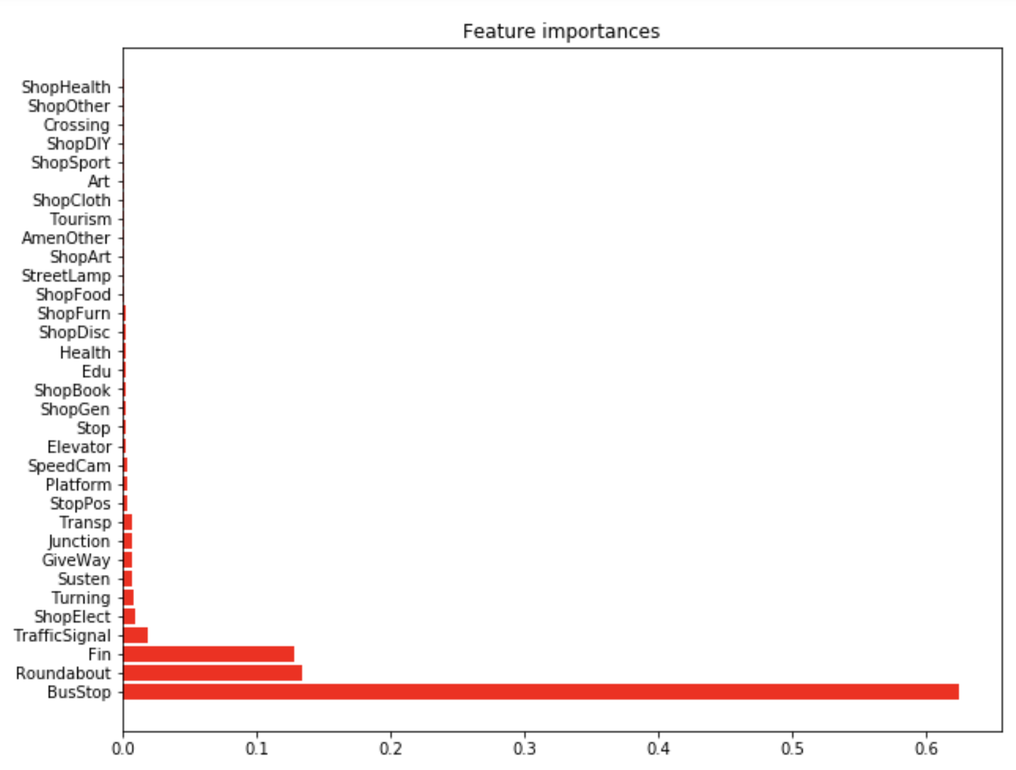
6. Turning (0.008589)
7. Susten (0.007420)
8. GiveWay (0.007369)
9. Junction (0.006550)
10. Transp (0.006549)
11. StopPos (0.003747)
12. Platform (0.003257)
13. SpeedCam (0.003164)
14. Elevator (0.002852)
15. Stop (0.002774)
16. ShopGen (0.002708)
17. ShopBook (0.002673)
18. Edu (0.002451)
19. Health (0.002424)
20. ShopDisc (0.002236)
21. ShopFurn (0.001874)
22. ShopFood (0.001712)
23. StreetLamp (0.001705)
24. ShopArt (0.001704)
25. AmenOther (0.001677)
26. Tourism (0.001564)
27. ShopCloth (0.001490)
28. Art (0.001389)
29. ShopSport (0.001289)
30. ShopDIY (0.001244)
31. Crossing (0.001072)
32. ShopOther (0.000976)
33. ShopHealth (0.000950)

