Pretrained Resnet50+SPCB
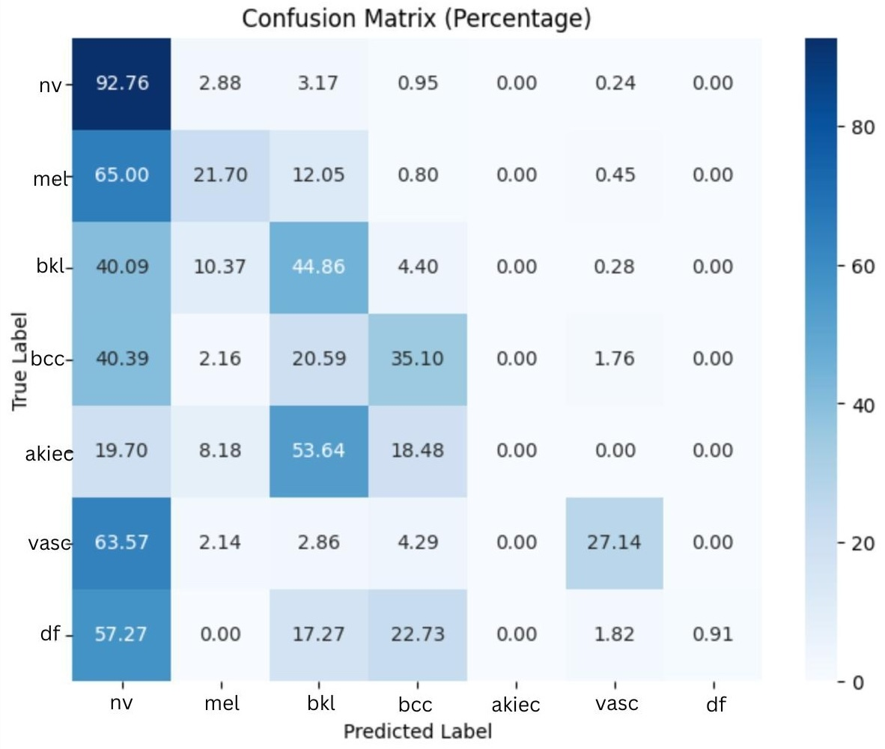
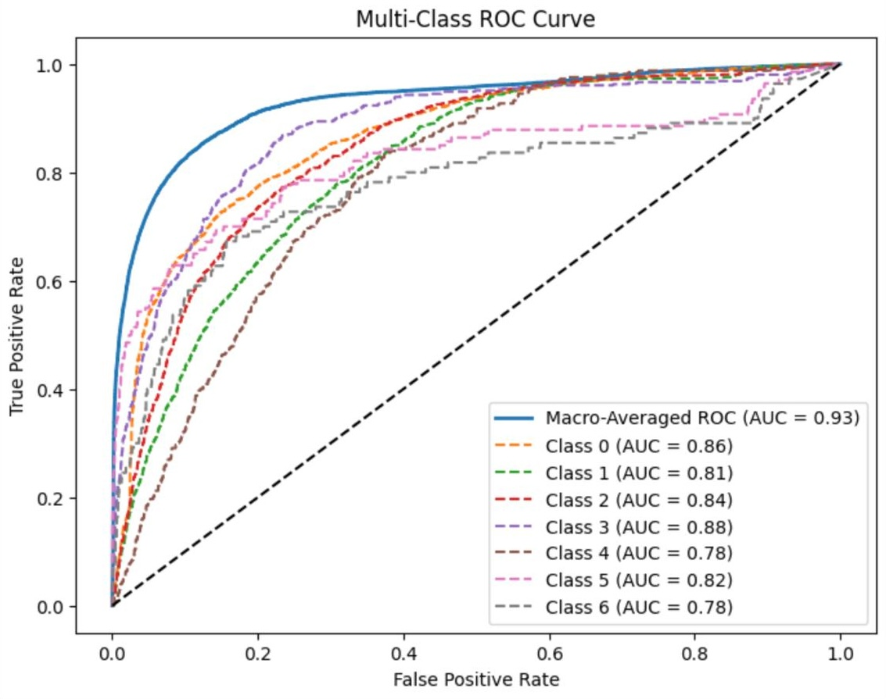
 | Precision | Recall | F1-score | support
nv | 0.79 | 0.95 | 0.87 | 671
mel | 0.61 | 0.18 | 0.28 | 112
bkl | 0.49 | 0.5 | 0.49 | 109
bcc | 0.58 | 0.57 | 0.57 | 51
akiec | 0 | 0 | 0 | 33
vasc | 0.5 | 0.07 | 0.12 | 14
df | 0 | 0 | 0 | 11

Accuracy |  |  | 0.74 | 1001
Macro avg | 0.42 | 0.32 | 0.33 | 1001
Weighted avg | 0.69 | 0.74 | 0.7 | 1001

Pretrained GoogleNet+SPCB
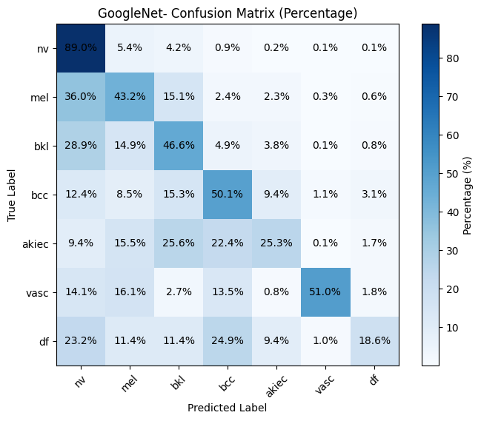
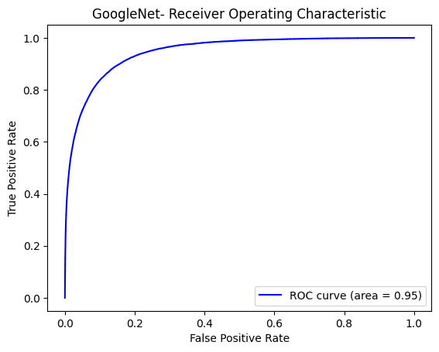
 | Precision | Recall | F1-score | support
nv | 0.87 | 0.89 | 0.88 | 671
mel | 0.42 | 0.42 | 0.42 | 112
bkl | 0.44 | 0.46 | 0.45 | 109
bcc | 0.49 | 0.49 | 0.49 | 51
akiec | 0.36 | 0.24 | 0.29 | 33
vasc | 0.8 | 0.57 | 0.66 | 14
df | 0.25 | 0.18 | 0.21 | 11

Accuracy |  |  | 0.74 | 1001
Macro avg | 0.52 | 0.46 | 0.48 | 1001
Weighted avg | 0.73 | 0.73 | 0.73 | 1001

Pretrained DenseNet121+SPCB
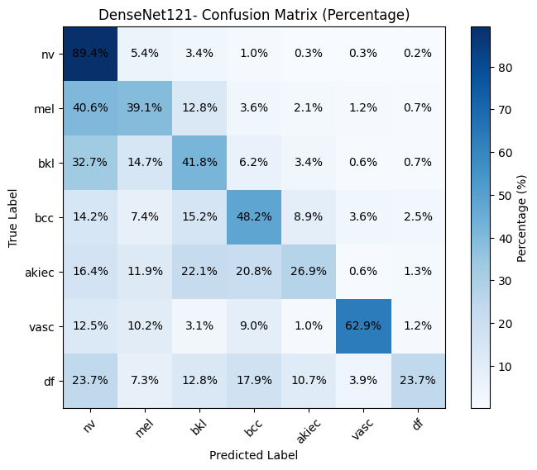
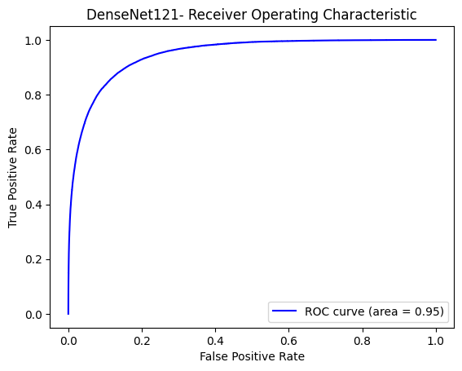
 | Precision | Recall | F1-score | support
nv | 1 | 0.63 | 0.77 | 671
mel | 0.73 | 0.27 | 0.4 | 112
bkl | 0.45 | 0.42 | 0.44 | 109
bcc | 0.16 | 0.4 | 0.23 | 51
akiec | 0.15 | 0.93 | 0.26 | 33
vasc | 0.25 | 0.27 | 0.26 | 14
df | 0.05 | 0.71 | 0.09 | 11

Accuracy |  |  | 0.56 | 1001
Macro avg | 0.4 | 0.52 | 0.35 | 1001
Weighted avg | 0.81 | 0.56 | 0.63 | 1001

Pretrained Resnet101+SPCB
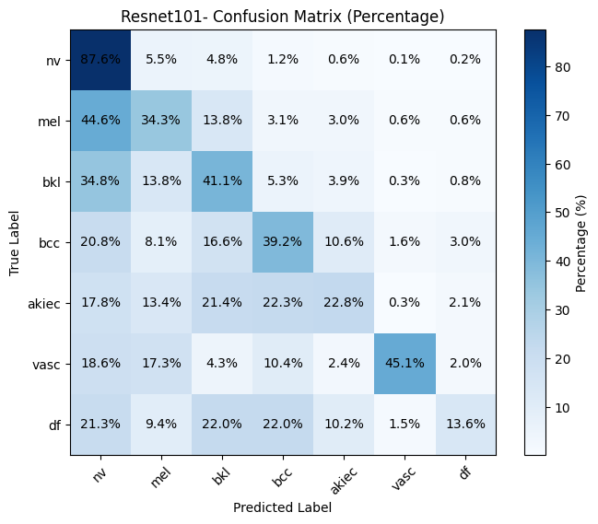
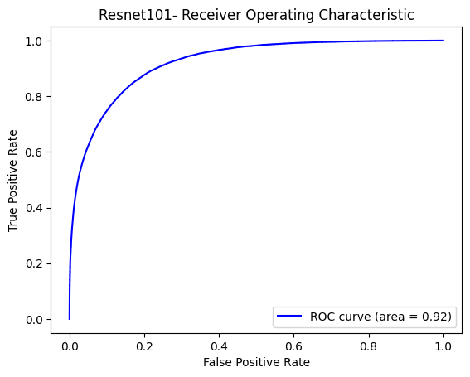
 | Precision | Recall | F1-score | support
nv | 0.9853 | 0.876 | 0.9276 | 671
mel | 0.7153 | 0.343 | 0.4645 | 112
bkl | 0.4701 | 0.411 | 0.4387 | 109
bcc | 0.2041 | 0.3922 | 0.2684 | 51
akiec | 0.1554 | 0.2288 | 0.1853 | 33
vasc | 0.3141 | 0.451 | 0.3702 | 14
df | 0.07 | 0.1364 | 0.0916 | 11

Accuracy |  |  | 0.686 | 1001
Macro avg | 0.4163 | 0.4055 | 0.3923 | 1001
Weighted avg | 0.8201 | 0.6858 | 0.7315 | 1001

Vgg16+SPCB
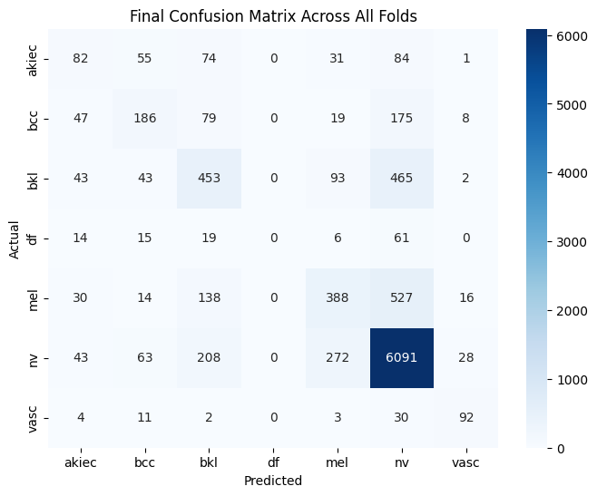
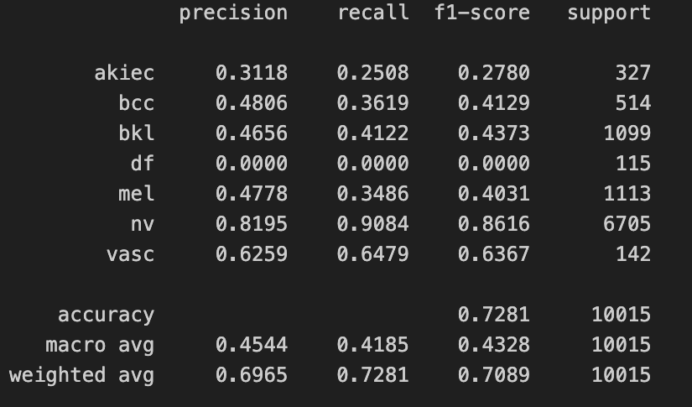

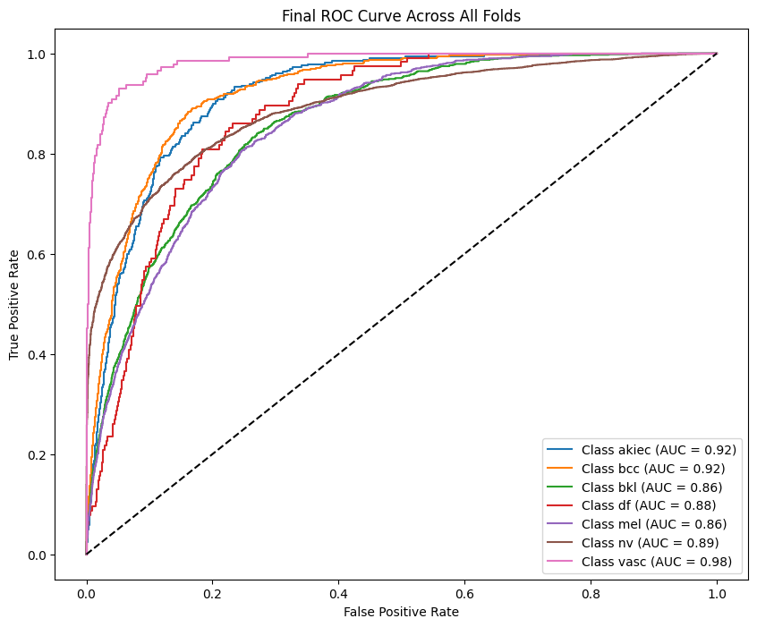

EfficientNET+SPCB
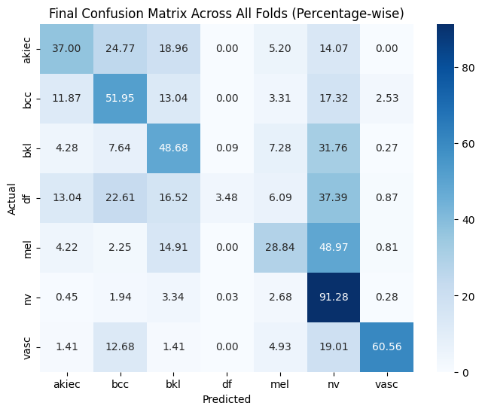
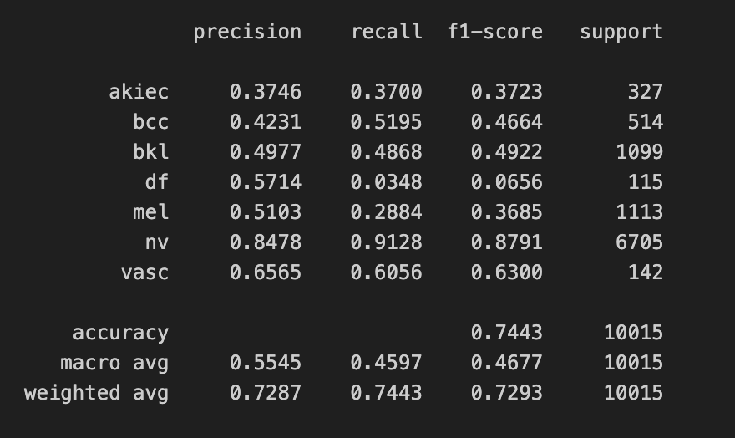

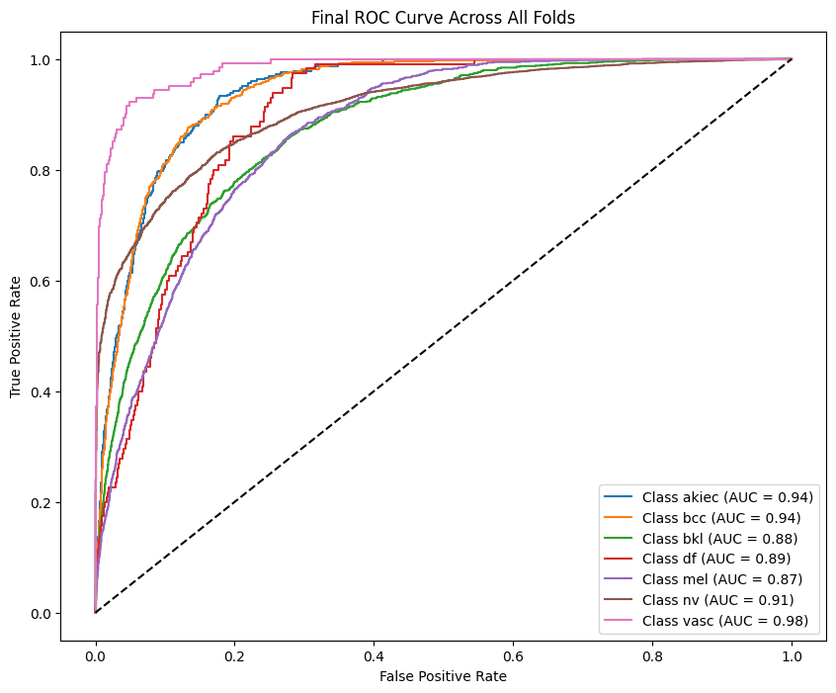

SimpleVIT+SPCB
