figures
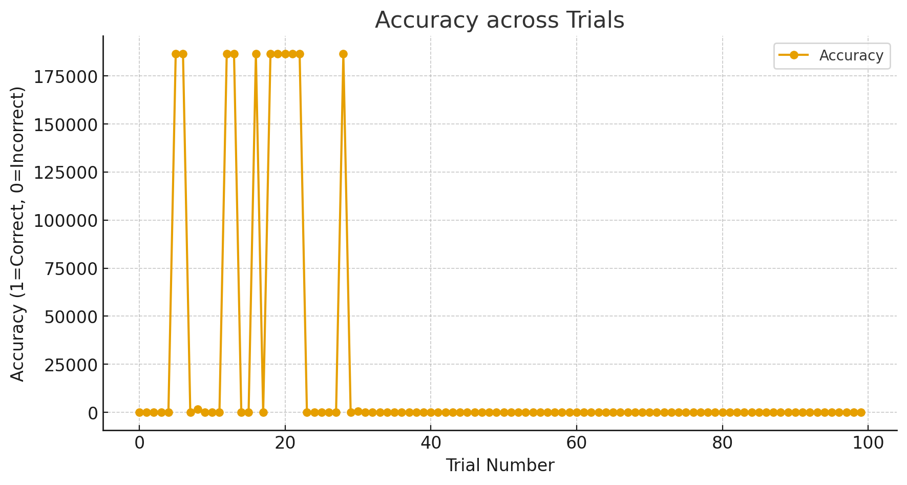
figure 1 : tilt of grafting across trials

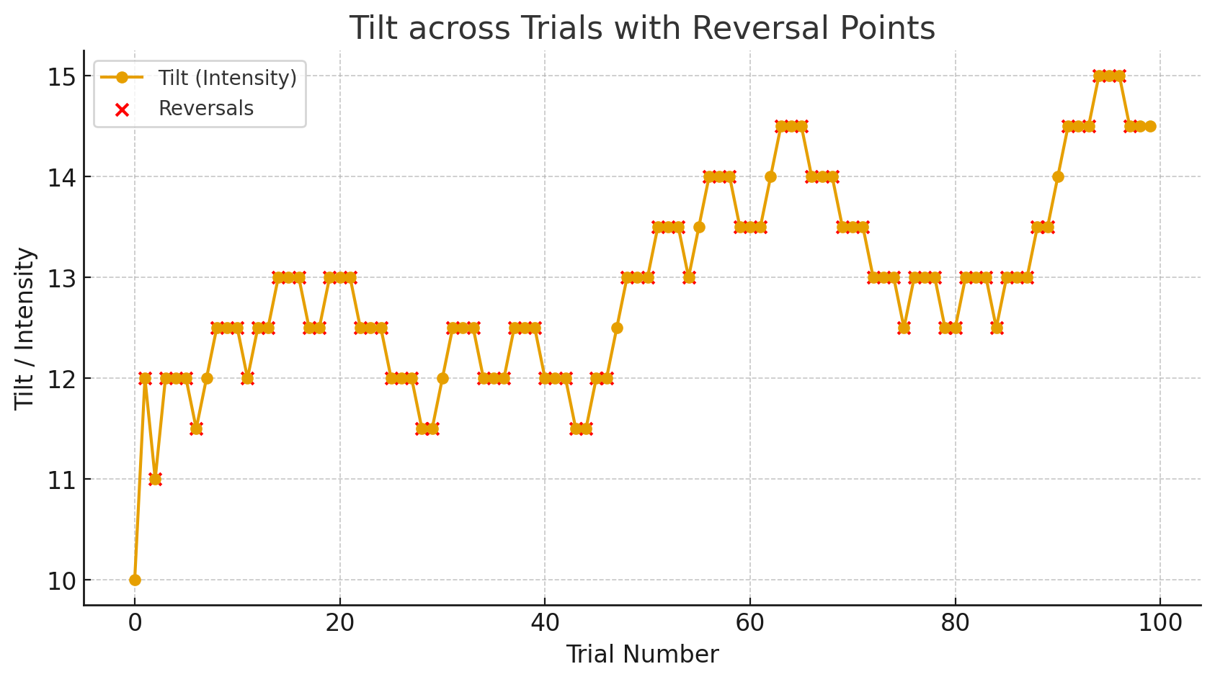

figure 2 : response accuracy across trials

