PROJECT
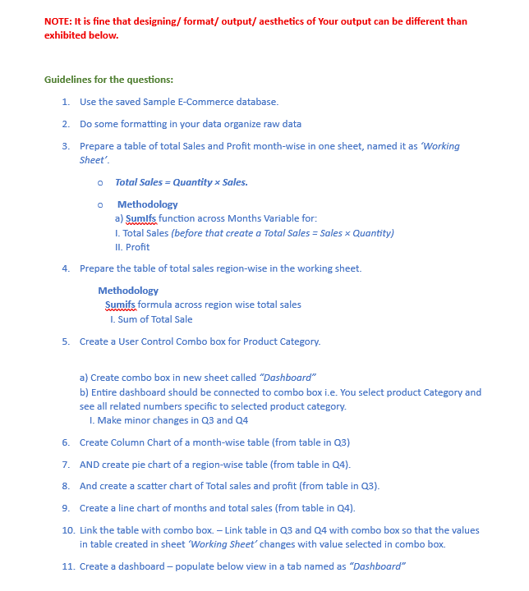

Dashboard
Total Profit
 | total profit
51483.43 | 2221.45
30915.23 | 1607.96
22689.63 | 1328.46
32742.48 | 1415.9
26663.7 | 1557.42
35814.64 | 1558.21
63765.3 | 2771.05
37186.08 | 1701.5
18665.59 | 1042.47
28351.19 | 1862.85
20240.39 | 721.29
61351.27 | 2375.11
Month-Wise Sales and Profit
 | total sales | total profit
January | 51483.43 | 2221.45
February | 30915.23 | 1607.96
March | 22689.63 | 1328.46
April | 32742.48 | 1415.9
May | 26663.7 | 1557.42
June | 35814.64 | 1558.21
July | 63765.3 | 2771.05
August | 37186.08 | 1701.5
September | 18665.59 | 1042.47
October | 28351.19 | 1862.85
November | 20240.39 | 721.29
December | 61351.27 | 2375.11

Total Sales
 | total sales
January | 51483.43
February | 30915.23
March | 22689.63
April | 32742.48
May | 26663.7
June | 35814.64
July | 63765.3
August | 37186.08
September | 18665.59
October | 28351.19
November | 20240.39
December | 61351.27
Total Sales
 | total sales
East | 88407.43
West | 106491.69
South | 154601.6
north | 80368.21

