size-N
dataset_name | k | data_point_num | size
 |  |  | 1 | 2 | 3 | 4 | 5 | 6 | 7 | 8 | 9 | 10
DBLP_samples | 3 | 820735 | 2129892 | 1058844 | 923219 | 878996 | 859126 | 848832 | 842120 | 837256 | 834233 | 831940
Daily_sports | 3 | 540000 | 2234721 | 917796 | 700700 | 628106 | 595769 | 579148 | 568920 | 561821 | 557464 | 554138
Credit_card_fraud | 3 | 284443 | 2079119 | 716922 | 472833 | 388322 | 350021 | 330053 | 317769 | 309399 | 304100 | 300255
Chicago_crimes | 3 | 165558 | 1996793 | 576353 | 333950 | 256353 | 222801 | 205675 | 195116 | 187950 | 183389 | 180078
CS_rankings | 3 | 86327 | 1920404 | 486725 | 237151 | 161220 | 131477 | 117576 | 109407 | 103761 | 100424 | 97952

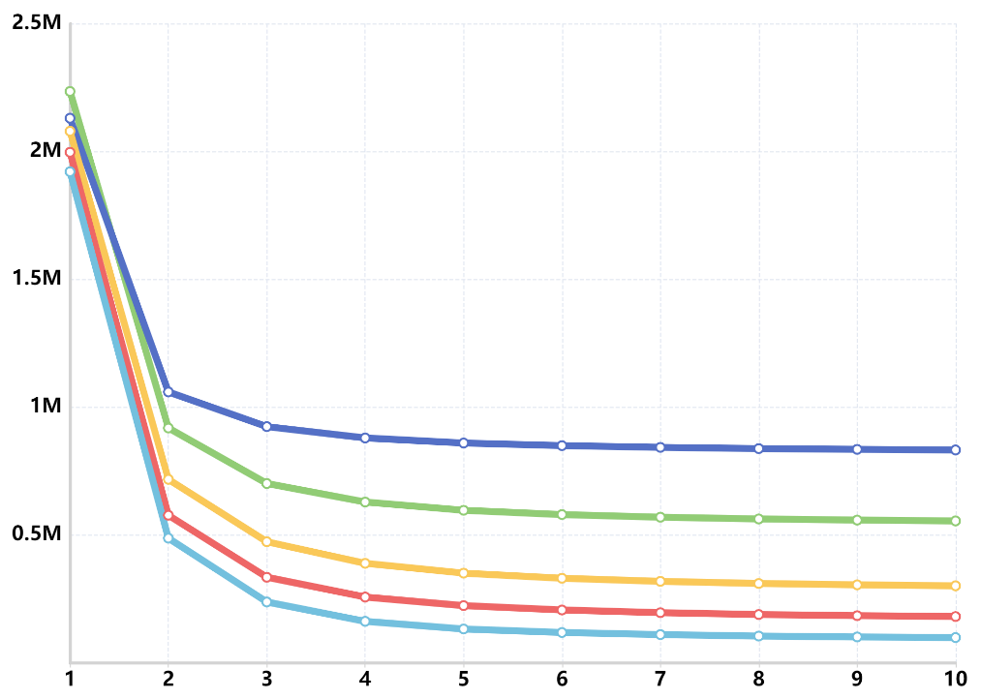
Dataset, Num of data points
DBLP_samples, 820735
Daily_sports, 540000
Credit_card_fraud, 284443
Chicago_crimes, 165558
CS_rankings, 86327
$$N′$$

$$size$$

 |  |  | N′ is the number of nodes to be packed

k-N
dataset_name | size | data_point_num | k
 |  |  | 1 | 2 | 3 | 4 | 5
DBLP_samples | 5 | 820735 | 830486 | 840563 | 850870 | 861375 | 872064
Daily_sports | 5 | 540000 | 556526 | 573926 | 591897 | 610276 | 628954
Credit_card_fraud | 5 | 284443 | 304581 | 326153 | 348272 | 370670 | 393272
Chicago_crimes | 5 | 165558 | 182915 | 200851 | 219246 | 238064 | 257266
CS_rankings | 5 | 86327 | 97983 | 111387 | 126359 | 142778 | 160537

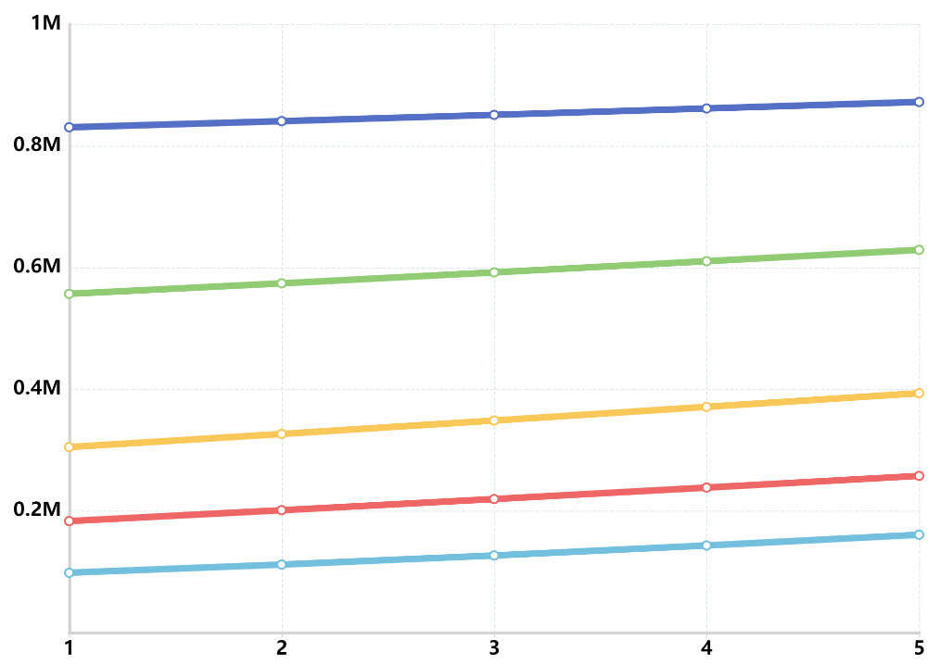
$$N′$$
Dataset, Num of data points
DBLP_samples, 820735
Daily_sports, 540000
Credit_card_fraud, 284443
Chicago_crimes, 165558
CS_rankings, 86327

$$k$$

 | N′ is the number of nodes to be packed

sampling_rate-N
dataset_name | k | size | data_point_num | sampling_rate
 |  |  |  | 0.1 | 0.2 | 0.3 | 0.4 | 0.5 | 0.6 | 0.7 | 0.8 | 0.9 | 1
DBLP_samples | 3 | 5 | 820735 | 120955 | 198429 | 278924 | 360178 | 441721 | 523420 | 605207 | 687062 | 768955 | 850870
Daily_sports | 3 | 5 | 540000 | 116241 | 166489 | 218600 | 271334 | 324477 | 377764 | 431183 | 484729 | 538310 | 591897
Credit_card_fraud | 3 | 5 | 284443 | 2079119 | 716922 | 472833 | 388322 | 350021 | 330053 | 317769 | 309399 | 304100 | 300255
Chicago_crimes | 3 | 5 | 284443 | 98289 | 125172 | 152641 | 180341 | 208157 | 236120 | 264130 | 292139 | 320180 | 348272
CS_rankings | 3 | 5 | 86327 | 77019 | 78375 | 81344 | 85797 | 91214 | 97468 | 104181 | 111351 | 118760 | 126359

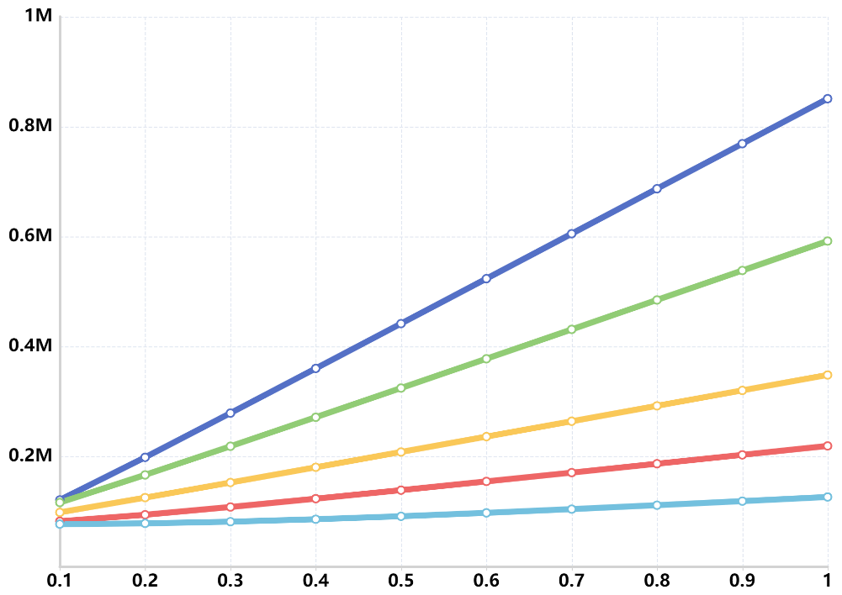
Dataset, Num of data points
DBLP_samples, 820735
Daily_sports, 540000
Credit_card_fraud, 284443
Chicago_crimes, 165558
CS_rankings, 86327
$$N′$$

$$Sampling rate$$

 |  |  |  | N′ is the number of nodes to be packed

Sheet4
N' | Time Cost(ms)
50000 | 258.195
100000 | 290.51600003
150000 | 520.68100001
200000 | 851.95300002
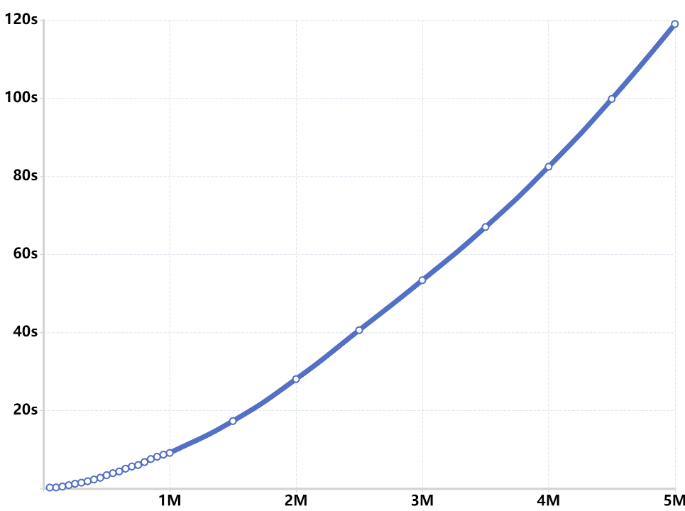
250000 | 1231.816
$$Time cost$$
300000 | 1507.781
350000 | 1880.369
400000 | 2318.25
450000 | 2769.6825
500000 | 3426.4295
550000 | 3942.7525
600000 | 4391.1845
650000 | 5102.3855
700000 | 5655.583
750000 | 6028.1325
800000 | 6786.327
850000 | 7565.0815
900000 | 8152.657
950000 | 8689.8225
$$N′$$
1000000 | 9130.8475
1500000 | 17299.0315
2000000 | 28041.8205
2500000 | 40577.078
3000000 | 53364.461
3500000 | 66991.3045
4000000 | 82452.5125
4500000 | 99821.593
5000000 | 119000.362

