NOESY
#=====================================================================
# Sections defining the profile, namely :
# 'preprocess' : parameters for preprocessing (only one line is required)
# * LB : Line Broadening value
# * ZFFAC : Zone filling factor
# * TSPPHC : parameters to improve phasing -format : MVPZTSP,DHZPZRANGE otherwise 0
# * CALIBRATION : parameters for calibration -format : pzone1,pzone1,p0,shape otherwise 0
# * PARAMS : additional parameters, given in the form PARAM=value, separated by a comma if there are multiple ones
# 'baseline' : zones for baseline correction along with their airPLS parameters (lambda & order)
# * lambda : smoothing parameter
# * order : polynomial order of the correction
# 'fitting' : zones for deconvolution (peak fitting) along with their parameters
# * obl : polynomial order for a local baseline correction optimized at the same time that the peak fitting (0<=obl<=12)
# * qbl : indicates if a q-NMR baseline correction will be applied before deconvolution (0 or 1)
# * asym : maximal value for asymetric peaks (0<=asym<500)
# * etamin : minimal value for the Lorentzian's proportion in the pseudo-Voigt model (0<=etamin<=1)
# * filters : indicates what type of filters will be applied on spectra (1,2,or 3)
# * addpeaks : indicates if peaks will be added after a first deconvolution to fill the ""holes"" (0 or 1)"
# * zone : defines a zone id for better selection
# 'quantif' : compounds to be quantified, each been assigned to a zone
# * compound : compound name
# * pattern : pattern for the peak seach (s,b,d,t,dd,q,m,m2, r1 up to r9)
# * P1, P2, P3 : parameters relatives to pattern (see 'Quantification profile' on the online documentation)
# * calibration : parameters relatives to the zone calibration -format : pzone1,pzone1,p0,shape otherwise 0
# * SNRMIN : the minimum signal-to-noise ratio (SNR) for identification/quantification
# * NP : number of proton
# * CP : correction factor to be applied to the final concentration (1 means no correction)
# * zone : defines a zone id corresponding to a fitting zone
# 'compound' : list of compounds along with their Molecular Weight (MW)
#
# Note: each empty line or starting with a "#" will be ignored
#=====================================================================

#TYPE | LB | ZFFAC | TSPPHC | CALIBRATION | PARAMS
preprocess | 0.25 | 2 | 1,323 | 1.0062,1.0245,1.014,s | MVPZFAC=1,DPHCPZTSP=1.2

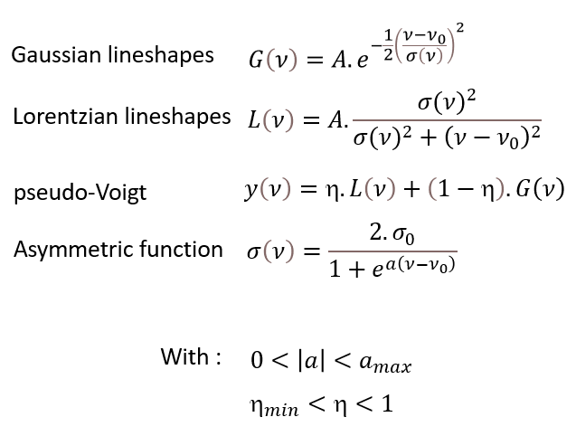
#TYPE | ppm1 | ppm2 | obl | qbl | amax | etamin | filters | addpeaks | zone
fitting | 1.59 | 1.725 | 0 | 1 | 250 | 0.85 | 1 | 1 | 1
fitting | 2.065 | 2.09 | 0 | 1 | 250 | 0.65 | 1 | 1 | 2
fitting | 2.62 | 2.68 | 0 | 1 | 250 | 0.65 | 1 | 1 | 3
fitting | 2.841 | 2.96 | 0 | 1 | 250 | 0.65 | 1 | 1 | 4
fitting | 3.949 | 4.06 | 0 | 1 | 250 | 0.65 | 1 | 1 | 5
fitting | 4.266 | 4.403 | 0 | 1 | 250 | 0.65 | 1 | 1 | 6
fitting | 4.567 | 4.661 | 0 | 1 | 250 | 0.65 | 1 | 1 | 7
fitting | 5.182 | 5.264 | 0 | 1 | 250 | 0.65 | 1 | 1 | 8
fitting | 5.27 | 5.35 | 0 | 1 | 250 | 0.65 | 1 | 1 | 9
fitting | 5.78 | 5.86 | 0 | 1 | 250 | 0.65 | 1 | 1 | 10
fitting | 5.95 | 6.12 | 0 | 1 | 250 | 0.65 | 3 | 1 | 11
fitting | 6.35 | 6.47 | 0 | 1 | 250 | 0.65 | 1 | 1 | 12
fitting | 6.7 | 6.876 | 0 | 1 | 250 | 0.65 | 1 | 1 | 13
fitting | 7.12 | 7.18 | 0 | 1 | 250 | 0.65 | 1 | 1 | 14
fitting | 8.2 | 8.4 | 0 | 1 | 250 | 0.85 | 1 | 1 | 15
fitting | 9.05 | 9.2 | 0 | 1 | 250 | 0.65 | 3 | 1 | 16

#TYPE | compound | pattern | P1 | P2 | P3 | calibration | SNRMIN | NP | CF | zone
quantif | 3-Methylbutan-1-ol | m2 | 1.646 | 6.7 | 0 | 0 | 6 | 1 | 1 | 1
quantif | ethyl acetate | b | 2.068 | 2.072 | 0 | 2.066,2.073,2.07,s | 6 | 3 | 1 | 2
quantif | acetic acid | b | 2.075 | 2.081 | 0 | 0 | 6 | 3 | 1 | 2
quantif | succinic acid | b | 2.646 | 2.653 | 1 | 2.64,2.66,2.65,s | 6 | 4 | 1 | 3
quantif | malic acid | r5 | 2.871 | 4.5 | 2.866,2.876,1,1.6,0.4 | 2.896,2.925,2.912,d | 25 | 0.5 | 1 | 4
quantif | malic acid | r5 | 2.912 | 4.5 | 2.907,2.917,1,1.4,0.3 | 2.896,2.925,2.912,d | 25 | 0.5 | 1 | 4
quantif | fructose | dd | 4.01 | 12.7,1.3 | 0,3,0.3 | 0 | 20 | 2 | 1 | 5
quantif | ethyl lactate | r5 | 4.338 | 7 | 4.316,4.349,0,1.4,0.3 | 0 | 25 | 2 | 1.333 | 6
quantif | beta_glucose | d | 4.622 | 7.9 | 0,2,0.5 | 0 | 50 | 1 | 1 | 7
quantif | tartrate | b | 4.597 | 4.603 | 0 | 4.545,4.638,4.6,s | 6 | 2 | 1 | 7
quantif | alpha_glucose | r5 | 5.212 | 3.75 | 5.206,5.218,0,1.4,0.12 | 0 | 20 | 1 | 1 | 8
quantif | galacturonic acid | d | 5.308 | 3.8 | 1 | 0 | 6 | 1 | 1 | 9
quantif | sorbic acid | b | 5.8 | 5.812 | 0,10 | 0 | 6 | 0.5 | 1 | 10
quantif | sorbic acid | b | 5.84 | 5.85 | 0,10 | 0 | 6 | 0.5 | 1 | 10
quantif | catechine | r5 | 5.99 | 2.3 | 5.987,5.994,3,2,1,70 | 5.974,6.012,5.99,d | 5 | 1 | 1 | 11
quantif | catechine | r5 | 6.078 | 2.3 | 6.075,6.084,3,2,1,70 | 5.974,6.012,5.99,d | 5 | 1 | 1 | 11
quantif | epicatechine | r5 | 6.06 | 2.3 | 6.056,6.063,3,2,1,70 | 5.974,6.012,5.99,d | 5 | 1 | 1 | 11
quantif | epicatechine | r5 | 6.09 | 2.3 | 6.088,6.094,3,2,1,70 | 5.974,6.012,5.99,d | 5 | 1 | 1 | 11
quantif | caffeic acid | d | 6.42 | 16 | 0 | 6.371,6.461,6.42,d | 5 | 1 | 1 | 12
quantif | fumaric acid | b | 6.72 | 6.777 | 1,10 | 0 | 6 | 2 | 1 | 13
quantif | shikimic acid | r8 | 6.787 | 6.827 | 2,5,1 | 6.815,6.861,6.842,d | 4 | 1 | 1 | 13
quantif | tyrosol | r4 | 6.842 | 8.6 | 0,2 | 6.815,6.861,6.842,d | 6 | 1 | 1 | 13
quantif | gallic acid | b | 7.139 | 7.141 | 1 | 7.123,7.1535,7.14,s | 6 | 2 | 1 | 14
quantif | formic acid | b | 8.25 | 8.3 | 1 | 0 | 6 | 1 | 1 | 15
quantif | trigonelline | b | 9.11 | 9.17 | 0,10 | 0 | 6 | 1 | 1 | 16

#TYPE | name | mw
compound | 3-Methylbutan-1-ol | 88.148
compound | acetic acid | 60.052
compound | alpha_glucose | 180.1559
compound | beta_glucose | 180.1559
compound | caffeic acid | 180.1574
compound | catechine | 290.2681
compound | epicatechine | 290.2681
compound | ethyl acetate | 88.11
compound | ethyl lactate | 118.13
compound | formic acid | 46.03
compound | fructose | 180.156
compound | fumaric acid | 116.0722
compound | galacturonic acid | 194.1394
compound | gallic acid | 170.1195
compound | malic acid | 134.0874
compound | shikimic acid | 174.15
compound | sorbic acid | 112.13
compound | succinic acid | 118.09
compound | trigonelline | 137.136
compound | tyrosol | 138.166
compound | tartrate | 148.07

