docu
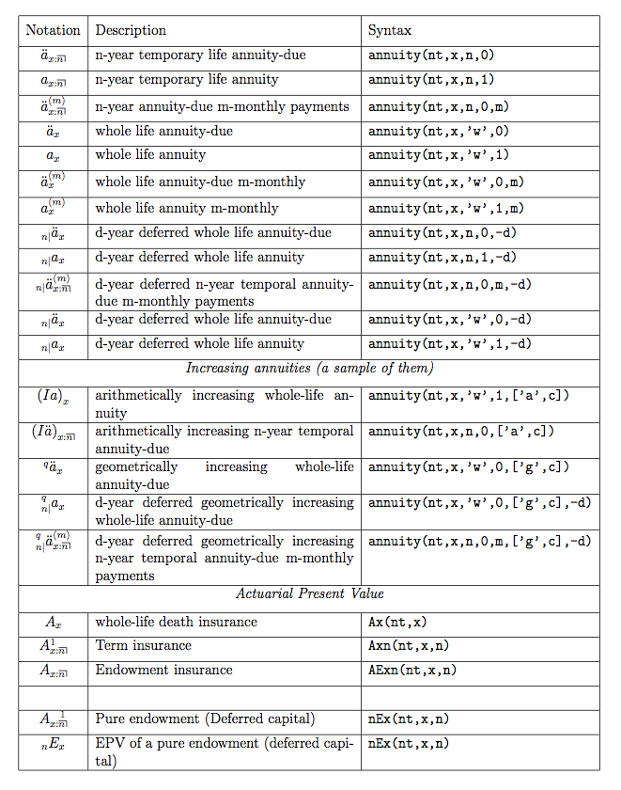

1 | to calculate with a table not available on the list, please add the new column in sheet "tbl" firstly
2 | All the qx in the table must be multipied by 1000. First row contains the last age for which qx are 0. E.g if you want to set the qx = 0 for all ages from 0 to 18, set this to 18. The second row is then the qx for person in age of 19. The last row must be equal to 1000. | Available functions
 |  | annuity
 |  | Axn
 |  | Ax
 |  | AExn
 |  | nEx

Full documentation

