MapAndCompare
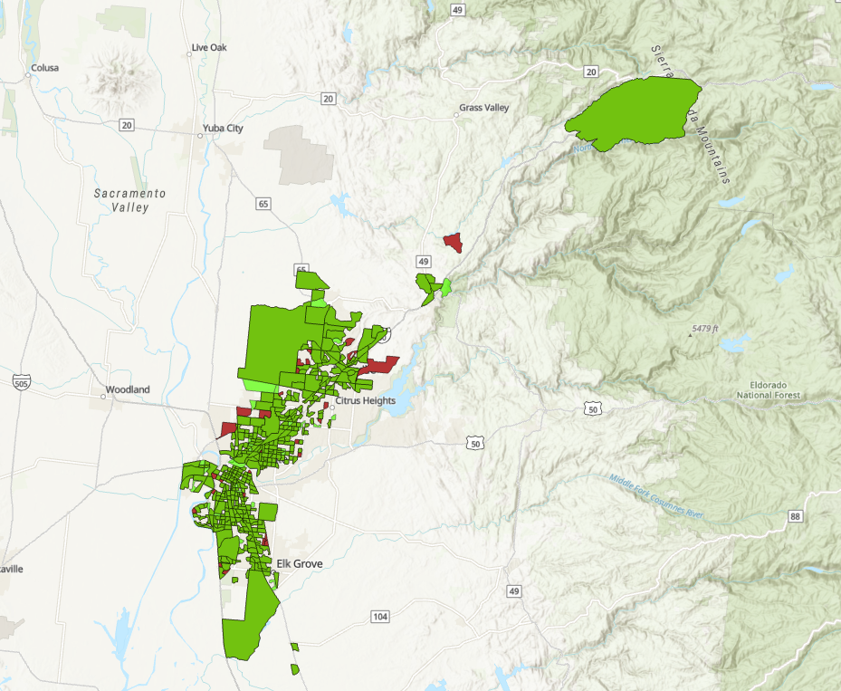
 | MondayTripShed | ThuTripShed | Diff | PctDiff
WALKDESTSalljob | 5583.3052782 | 2167.7703153 | (3,415.5) | -61%
BIKEDESTSalljob | 52496.44151 | 12410.928719 | (40,085.5) | -76%
AUTODESTSalljob | 568796.97089 | 432242.52889 | (136,554.4) | -24%
TRANDESTSalljob | 32109.127057 | 10730.904726 | (21,378.2) | -67%
WALKDESTSedu | 5.680101826 | 3.1839039624 | (2.5) | -44%
BIKEDESTSedu | 49.691397153 | 18.810339633 | (30.9) | -62%
AUTODESTSedu | 592.26066596 | 414.58553613 | (177.7) | -30%
TRANDESTSedu | 26.253983567 | 14.585563719 | (11.7) | -44%
WALKDESTSpoi2 | 21.572459699 | 12.170564334 | (9.4) | -44%
BIKEDESTSpoi2 | 185.26112056 | 70.675760191 | (114.6) | -62%
AUTODESTSpoi2 | 707.55905129 | 353.33053011 | (354.2) | -50%
TRANDESTSpoi2 | 105.60132801 | 56.536156184 | (49.1) | -46%
total_net_pcl_acres | 36054.766601 | 28792.539929 | (7,262.2) | -20%
Bright Green = Monday Only
Dark Pinkish-Gray = Thursday Only
Medium Green = Monday and Thursday overlap
net_Agriculture_acres | 3427.4832029 | 11737.523348 | 8,310.0 | 242%
pct_Agriculture_inbuff | 0.095063247555 | 0.40765848991 | 0.3 | 329%
EMPTOT_NetPclAcre | 1.8841594352 | 0.52486463227 | (1.4) | -72%
DU_TOT_NetPclAcre | 1.2316901376 | 0.24403752523 | (1.0) | -80%
job_du_perNetAcre | 3.1158495728 | 0.7689021575 | (2.3) | -75%
Pop_NonEJArea | 364698 | 93095 | (271,603.0) | -74%
Pop_EJArea | 391077 | 54385 | (336,692.0) | -86%
Pct_PopEJArea | 0.51745162251 | 0.36876186602 | (0.1) | -29%
WALKDESTSalljob_EJ | 6308.2184297 | 2558.3241787 | (3,749.9) | -59%
BIKEDESTSalljob_EJ | 64766.218188 | 16376.838304 | (48,389.4) | -75%
AUTODESTSalljob_EJ | 652507.59898 | 478751.12705 | (173,756.5) | -27%
TRANDESTSalljob_EJ | 39528.995941 | 13381.487559 | (26,147.5) | -66%
WALKDESTSlowjobs_EJ | 1430.4689747 | 709.05608882 | (721.4) | -50%
BIKEDESTSlowjobs_EJ | 13831.54636 | 4459.8976983 | (9,371.6) | -68%
AUTODESTSlowjobs_EJ | 141130.91153 | 99916.787086 | (41,214.1) | -29%
TRANDESTSlowjob_EJ | 8111.0580233 | 3501.0684144 | (4,610.0) | -57%
WALKDESTSedu_EJ | 6.7084854694 | 4.719898508 | (2.0) | -30%
BIKEDESTSedu_EJ | 60.958180842 | 27.007561974 | (34.0) | -56%
AUTODESTSedu_EJ | 654.23373793 | 443.56040958 | (210.7) | -32%
TRANDESTSedu_EJ | 33.390750556 | 21.373380619 | (12.0) | -36%
WALKDESTSpoi2_EJ | 25.215658648 | 17.099686075 | (8.1) | -32%
BIKEDESTSpoi2_EJ | 230.71464374 | 100.15405478 | (130.6) | -57%
AUTODESTSpoi2_EJ | 838.31861885 | 456.15842092 | (382.2) | -46%
TRANDESTSpoi2_EJ | 134.84340832 | 79.541167975 | (55.3) | -41%
POP_TOT | 755775 | 147480 | (608,295.0) | -80%
DU_TOT | 291478 | 47825 | (243,653.0) | -84%
EMPTOT | 445884.08 | 102859.8 | (343,024.3) | -77%
ENR_K12 | 105878 | 25687 | (80,191.0) | -76%
EMPIND | 55909.65 | 20996.8 | (34,912.8) | -62%
PT_TOT_RES | 2649330 | 526358 | (2,122,972.0) | -80%
SOV_TOT_RES | 1051257 | 220185 | (831,072.0) | -79%
HOV_TOT_RES | 1208059 | 258719 | (949,340.0) | -79%
TRN_TOT_RES | 42135 | 3514 | (38,621.0) | -92%
BIK_TOT_RES | 81853 | 8677 | (73,176.0) | -89%
WLK_TOT_RES | 231862 | 28446 | (203,416.0) | -88%
EMPIND_jobshare | 0.12539054994 | 0.20413028219 | 0.1 | 63%
SOV_TOT_RES_share | 0.39680107801 | 0.4183179509 | 0.0 | 5%
HOV_TOT_RES_share | 0.45598660793 | 0.49152667956 | 0.0 | 8%
TRN_TOT_RES_share | 0.015904021017 | 0.0066760645796 | (0.0) | -58%
BIK_TOT_RES_share | 0.030895735903 | 0.016484977905 | (0.0) | -47%
WLK_TOT_RES_share | 0.087517221335 | 0.054043065746 | (0.0) | -38%
SUM_JOB_DU | 737362.08 | 150684.8 | (586,677.3) | -80%
mix_index | 0.6780496243 | 0.67150092344 | (0.0) | -1%
High Density | 29344 | 1245 | (28,099.0) | -96%
Low Density | 124185 | 27067 | (97,118.0) | -78%
Med-High Density | 64613 | 4902 | (59,711.0) | -92%
Medium Density | 49275 | 7130 | (42,145.0) | -86%
Mixed Use | 2033 | 100 | (1,933.0) | -95%
Very Low or Rural Res Density | 22028 | 7381 | (14,647.0) | -66%
nat_resource_acres | 8976.1884285 | 11751.640691 | 2,775.5 | 31%

