PPA_test_project_offNPMRDSNet_1
 | 0
WALKDESTSalljob | 2736.7183647
BIKEDESTSalljob | 105205.17225
AUTODESTSalljob | 737577.29063
TRANDESTSalljob | 68876.264015
WALKDESTSedu | 5.7952842671
BIKEDESTSedu | 53.724692992
AUTODESTSedu | 791.90202398
TRANDESTSedu | 35.929454207
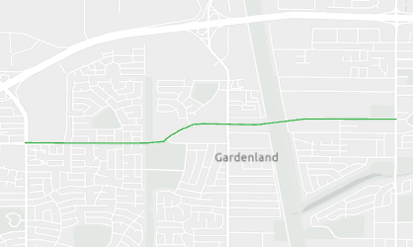
WALKDESTSpoi2 | 19.761321067
BIKEDESTSpoi2 | 236.49058921
AUTODESTSpoi2 | 805.79884226
TRANDESTSpoi2 | 149.19039487
TOT_COLLISNS | 107
TOT_COLLISNS_PER_100MVMT | 173.26332762
FATAL_COLLISNS | 1
FATAL_COLLISNS_PER_100MVMT | 1.6192834357
BIKEPED_COLLISNS | 18
BIKEPED_COLLISNS_PER_CLMILE | 7.9280117013
complete_strt_idx | 11.9984572
project_length | 11987.873326
overlap with STAATruckRoutes | 0
pct_proj_STAATruckRoutes | 0
pct_truck_aadt | -1
total_buff_acres | 1952.1640489
Agriculture_acres | 0
pct_Agriculture_in_buff | 0
Intersxn_34_per_acre | 0.18673678124
SegmentSpeedData | -1
POP_TOT | 22703
DU_TOT | 8036
EMPTOT | 1954.76
ENR_K12 | 538
EMPIND | 266.96
Pop_NonEJ | 117
Pop_EJ | 22586
avg_2way_trantrips
avg_2way_vehocc | 1.3005929872
TrnVehStop_Acre | 1.9296134061
mix_index_proj | 0.75032826694
High Density | 343
Low Density | 7616
Med-High Density | 5112
Medium Density | 3068
Mixed Use | 0
Very Low or Rural Res Density | 529
pct_roadmi_bikeways | 0.17990069195
Project's use of existing assets | Greenfield project

