20-ERPDOC-001
 | Line Seiki Philippines, Inc. | ERP General Activity Request Result and Technical Notes Documentation |  |  | Page 1 of 2

Title: | Work Center Classification in Work Center Form |  | ERP Document Number: | 21-ERPDOC-001 |  | Rev. No.:
 |  |  |  |  |  | 0

Description: This documentation contains the form modifications done in the ERP Systeline form "Work Center"

New UET Class |  |  | UET Class/Table Relationships
Class Name: LSP_wc |  |  | Table Name: wc
 |  |  | Class Name: LSP_wc

New UET User Fields |  |  | New UET Class/Fields Relationships
User Field Name: Uf_workcenter_class |  |  | Class Name: LSP_wc
Data Type: nvarchar |  |  | Field Name: Uf_workcenter_class
Precision: 50

FORM MODIFICATIONS

Form Name: Work Centers

1. Static Component
Name: WorkCenterClassStatic
Type: Static
Caption: sWorkCenterClasstification("Work Center Classification")

2. Edit Component
Name: WorkCenterClassEdit
Type: Edit
Binding: Type = Property
 | Collection: Work Centers
 | Property: wcUf_workcenter_class
Required: True

3. Grid Column Component
Name: WorkCenterClassGrid
Type: Grid Column
Caption: sWorkCenterClasstification("Work Center Classification")
Binding: Type = Property
 | Collection: Work Centers
 | Property: wcUf_workcenter_class
Required: True
Containment Sequence: 2

 | Line Seiki Philippines, Inc. | ERP General Activity Request Result and Technical Notes Documentation |  |  | Page 2 of 2

Title: | Work Center Classification in Work Center Form |  | ERP Document Number: | 20-ERPDOC-001 |  | Rev. No.:
 |  |  |  |  |  | 0

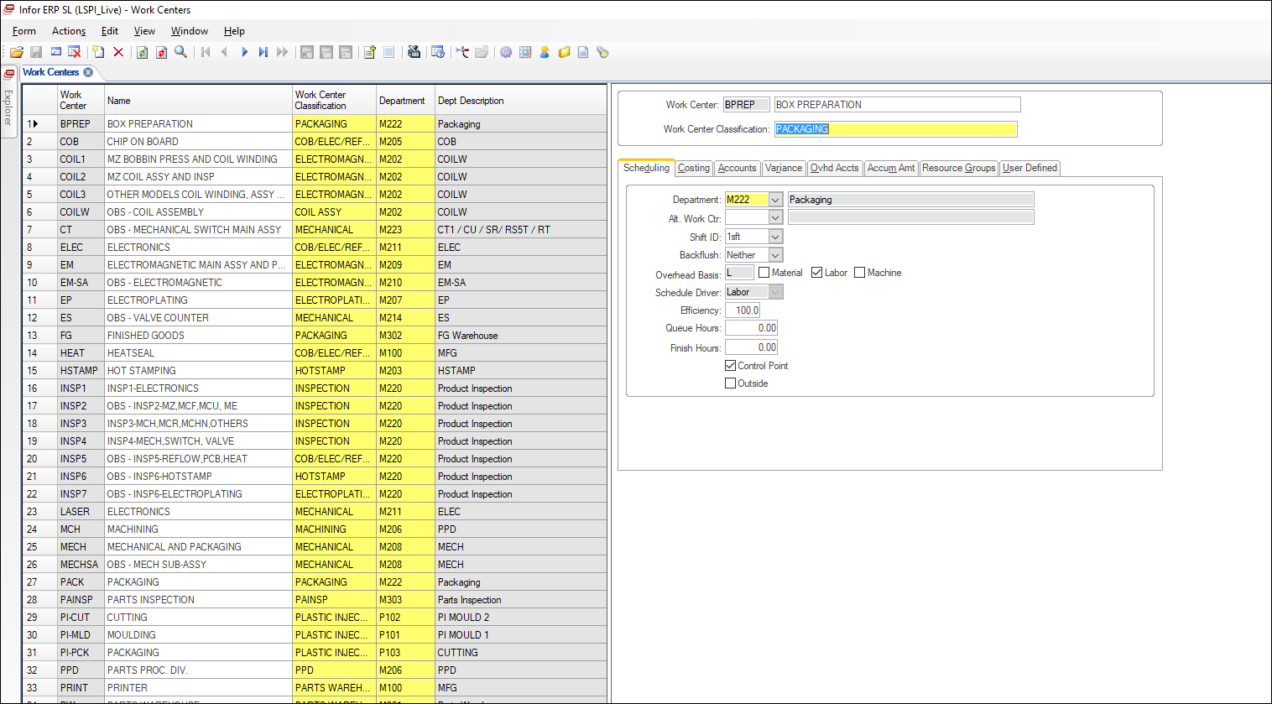
3
1
2

Prepared by:

Dan Olivier V. Arca
Name/Signature/Date

Checked and Reviewed by:

Alyssa Basinang |  | Mildred Vendiola | Luz Cornejo |  | Julius Colega
Name/Signature/Date |  | Name/Signature/Date | Name/Signature/Date |  | Name/Signature/Date

