Sheet1
 | Line Seiki Philippines, Inc. | ERP General Activity Request Result and Technical Notes Documentation |  |  |  | Page 1 of 2

Title: | Productivity Index Report |  |  | ERP Document Number: | 21-ERPDOC-002 |  | Rev. No.:
 |  |  |  |  |  |  | 0

Description: This documentation contains the specifications of the LSP Customized Report - Productivity Index
 | Report. The report output have two sheets named Summary and Detailed productivity index.

Stored Procedures

1. LSP_Rpt_ProductivityIndex_DetailedSp
Parameters: (1) StartDate, (2) EndDate and (3) IsSummary

Source Tables:
 | Table Name | Table Alias | Join Type | Join Conditions
 | jobtran | jt | PRIMARY TABLE | N/A
 | job | j | INNER JOIN | jt.job = j.job AND jt.suffix = j.suffix
 | item | i | INNER JOIN | j.item = i.item
 | jrt_sch | js | INNER JOIN | i.job = js.job AND i.suffix = js.suffix AND jt.oper_num = js.oper_num

 | wc | w | INNER JOIN | jt.wc = w.wc
 | Filter conditions: (jt.trans_type = 'R' OR jt.trans_type = 'M') AND jt.trans_date >= @StartDate AND
 | jt.trans_date <= @EndDate

Columns
 | Column Name | Column Source |  | Definition
 | job | jt.job |  | Job Order Number
 | suffix | jt.suffix |  | Job Order Suffix
 | item | j.item |  | Item Code
 | item_desc | i.description |  | Item Description
 | trans_date | jt.trans_date |  | Transaction date from job transaction
 | trans_type | jt.trans_type |  | Transaction type from job transaction
 | qty_complete | jt.qty_complete |  | Completed quantity
 | oper_num | jt.oper_num |  | Operation number of job transaction
 | wc | jt.wc |  | Work center of Job transaction
 | wc_desc | w.description |  | Work center description
 | std_unit | js.run_lbr_hrs |  | Standard unit labor per piece in Hrs.
 | labor_min_per_pc | js.run_lbr_hrs * 60 |  | Standard unit labor per piece in Mins.
 | std_labor_hrs | (js.run_lbr_hrs * jt.qty_complete) |  | Standar labor time for job completion in Hrs.
 | actl_labor_hrs | jt.a_hrs |  | Actual labor time of job transaction in Hrs.
 | std_labor_min | (js.run_lbr_hrs * jt.qty_complete) * 60 |  | Standar labor time for job completion in Mins.
 | actl_labor_min | (jt.a_hrs,0) * 60 |  | Actual labor time of job transaction in Mins.
 | WorkCenterClassification | w.Uf_workcenter_class |  | Work Center Classification
 | start_time | jt.start_time |  | Start Time of Job Transaction
 | end_time | jt.end_time |  | End Time of Job Transaction

2. LSP_Rpt_ProductivityIndex_SummarySp
Parameters: (1) StartDate and (2) EndDate
Procedure
- Execute stored procedure LSP_Rpt_ProductivityIndex_DetailedSp passing StartDate and EndDate parameters.
- Create Common Table Expressions (CTE) using wc (work centers) table getting the unique Work Center Classifi-
 | cations. Joining the result table of the executed detailed productovity index stored procedures getting the
 | first half, second half and month total of standard and actual labor time.

 | Line Seiki Philippines, Inc. | ERP General Activity Request Result and Technical Notes Documentation |  |  |  | Page 2 of 2

Title: | Work Center Classification in Work Center Form |  |  | ERP Document Number: | 21-ERPDOC-001 |  | Rev. No.:
 |  |  |  |  |  |  | 0

SCREENSHOTS
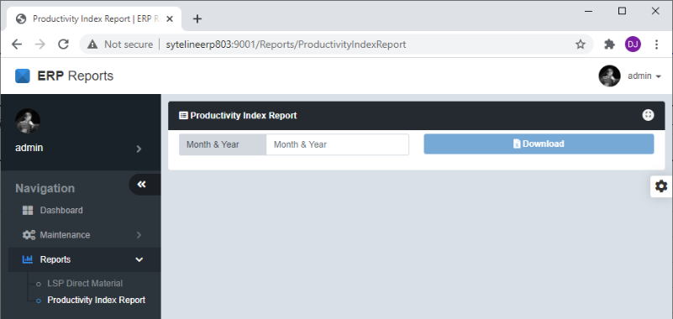

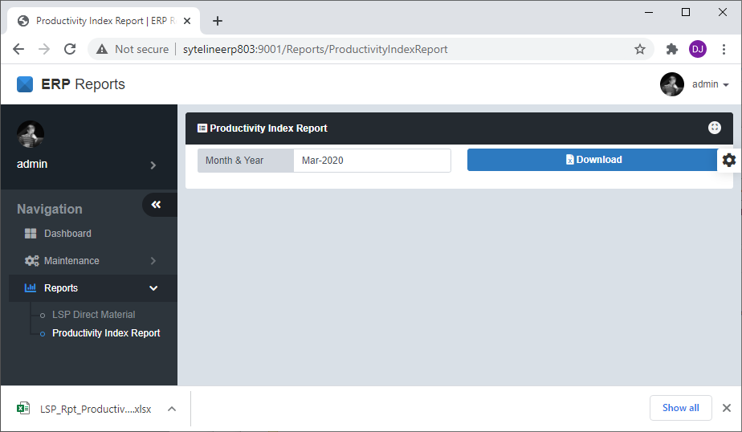

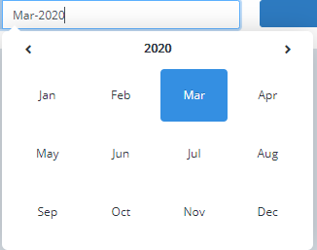

Prepared by:

Dan Olivier V. Arca
Name/Signature/Date

Checked and Reviewed by:

Alyssa Basinang |  | Mildred Vendiola |  | Luz Cornejo |  | Julius Colega
Name/Signature/Date |  | Name/Signature/Date |  | Name/Signature/Date |  | Name/Signature/Date

