Test
Test validation of software
ID | Req_software | Comment | Requierement | Result | Evidence | apply_to | Verify_for | Engenieer
Display |  |  | Heading | NA
DSE_001902_01 | REQ-DOC-043 |  | The system shall show over the HMI the engine speed and setpoint in RPMs. | Pass |  |  | Test | Jesús Alberto Castillo Mandujano
DSE_001902_02 | REQ-DOC-044 |  | The system shall show over the HMI the square signal work percentage. | Pass |  |  | Test | Jesús Alberto Castillo Mandujano
DSE_001902_03 | REQ-DOC-063 |  | The system should have the following Button(Min). | Pass |  |  | Test | Jesús Alberto Castillo Mandujano
DSE_001902_04 | REQ-DOC-064 |  | The system should have the following Button(Min). | Pass |  |  | Test | Jesús Alberto Castillo Mandujano
DSE_001902_05 | REQ-DOC-065 |  | The system shall have display of team icon. | Pass |  |  | Test | Jesús Alberto Castillo Mandujano
DSE_001902_06 | REQ-DOC-062 |  | The system should have the following Button. |  |  |  | Test | Jesús Alberto Castillo Mandujano
DSE_001902_06 | REQ-DOC-061 |  | The system should have the following Button. | Pass |  |  | Test | Jesús Alberto Castillo Mandujano
DSE_001902_06 |  |  | The screen should contain the following information. |  | 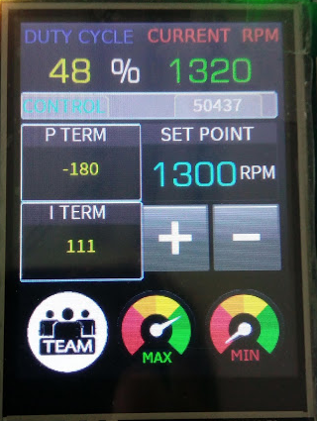 |  | Test | Yair F
Output Signal |  |  | Heading | NA
DSE_001902_07 | REQ-DOC-045 | The parameters is: | The system shall produce a square signal. | Pass | 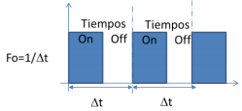 |  | Test | Jesus Eduardo Lara
DSE_001902_08 | REQ-DOC-046 | This frecuency was modified because the motor does not work well at 10 Kherz. | The square signal frequency shall be of 3KHz. | Pass | 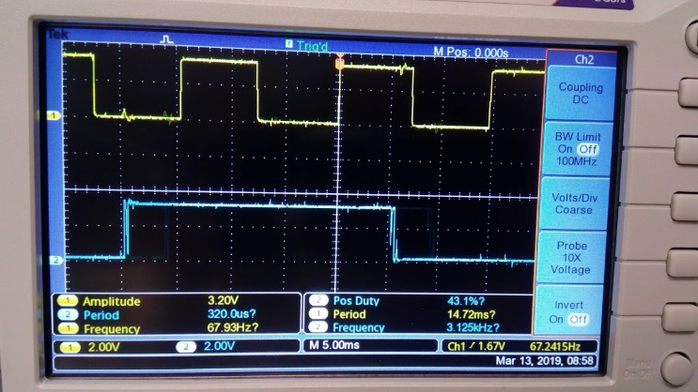 |  | Test | Jesus Eduardo Lara
Input Signal |  |  | Heading | NA
DSE_001902_09 | REQ-DOC-049 |  | The system shall be able to acquire a variable voltage signal and use it as set point as user’s convenience. | Pass |  |  | Test | Yair F
DSE_001902_10 | REQ-DOC-050 | When the system has voltage 0,the motor it has no movement | The voltage signal shall be over 0V and lower 5V. | Pass |  |  | Test | Yair F
DSE_001902_11 | REQ-DOC-052 | The parameters are in ideal conditions. | 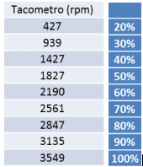 The relation between the set point and the RPM is the percentage of square signal work cycle and shall be equivalents as described in the next table: | Pass | 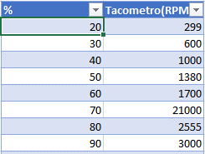 |  | Test | Rafael Iglesisas
DSE_001902_12 | REQ-DOC-038 |  | The system shall be able to use the signal supplied by Hall effect sensor embedded within | Pass | 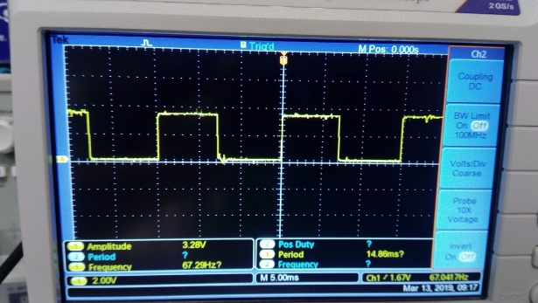 |  | Test | Rafael Iglesisas
Data |  |  | Heading | NA | NA
DSE_001902_13 | REQ-DOC-053 |  | The board’s display shall show the work cycle percentage, actual RPM and set point | Pass |  | HMI | Test | Jesús Alberto Castillo Mandujano
DSE_001902_14 | REQ-DOC-034 | We use the display of board "Sk-S7G2" | The device to be used as HMI shall be the 320p x 240p, 2.4’’ display embedded in Renesas YSSKS7G2E30 board. | Open |  | HMI | Test | Jesus Eduardo Lara
DSE_001902_15 | REQ-DOC-043 |  | The system shall show over the HMI the engine speed and setpoint in RPMs. | Open |  | HMI | Test | Jesus Eduardo Lara
DSE_001902_16 | REQ-DOC-044 |  | The system shall show over the HMI the square signal work percentage. | Open |  | HMI | Test | Jesus Eduardo Lara
PWM |  |  | Heading | NA | NA
DSE_001902_20 | REQ-DOC-037 |  | The system shall use the PWM with a fix 10KHz frequency square signal. | Pass | 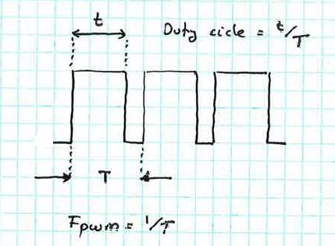 |  | Test | Jesús Alberto Castillo Mandujano
DSE_001902_21 | REQ-DOC-036 | The system has noise. the output of board show two signal. | The system shall control the speed of CESEQ-C001 module with a pulse width modulation (PWM) trough CESEQ-P001 power module. | Pass | 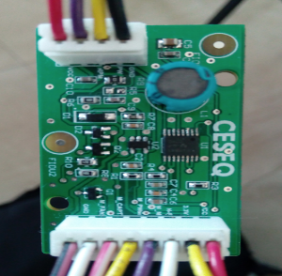 |  | Test | Jesús Alberto Castillo Mandujano
DSE_001902_22 | REQ-DOC-028 |  | The CESEQ-P001 shall be sourced with 12 V as described in its datasheet. | Pass |  |  | Test | Jesus Eduardo Lara
DSE_001902_22 | REQ-DOC-038 |  | The system shall be able to use the signal supplied by Hall effect sensor embedded within CESEQ-C001. | Pass |  |  | Test | Jesús Alberto Castillo Mandujano
DSE_001902_23 | REQ-DOC-039 |  | The system shall use 15 (fifteen) pulses to determine a whole round. | Pass |  |  | Test | Jesús Alberto Castillo Mandujano
DSE_001902_24 | REQ-DOC-040 |  | The system shall convert the frequency of the pulses to speed. | Pass |  |  | Test | Jesús Alberto Castillo Mandujano

