Sheet1
Test validation of software
ID | Comment | Req_software | Requierement | Result | Evidence | apply_to | Verify_for | Engenieer
DSE_001902_01 | 1.- |  |  | Open |  | All | Test | Jesús Alberto Castillo Mandujano
DSE_001902_02 |  |  |  | Open |  |  | Test | Jesús Alberto Castillo Mandujano
DSE_001902_03 |  |  |  |  |  |  | Test | Jesús Alberto Castillo Mandujano
DSE_001902_04 |  |  |  |  |  |  | Test | Jesús Alberto Castillo Mandujano
DSE_001902_05 |  |  |  |  |  |  | Test | Jesús Alberto Castillo Mandujano
DSE_001902_06 |  |  |  |  |  |  | Test | Jesús Alberto Castillo Mandujano
INPUT_Signal. |  |  | Heading | NA
DSE_001902_07 |  | REQ-DOC-045 | The system shall produce a square signal. | Open | 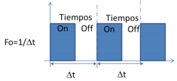 |  | Test | Jesús Alberto Castillo Mandujano
DSE_001902_08 |  | REQ-DOC-046 | The square signal frequency shall be of 10KHz. | Open |  |  | Test | Jesus Eduardo Lara
DSE_001902_09 |  | REQ-DOC-049 | The system shall be able to acquire a variable voltage signal and use it as set point as user’s convenience. | Open |  |  | Test | Jesus Eduardo Lara
DSE_001902_10 | When the system has voltage 0,the motor it has no movement | REQ-DOC-050 | The voltage signal shall be over 0V and lower 5V. | Open |  |  | Test | Rafael Iglesisas
DSE_001902_11 | The parameters are in ideal conditions. | REQ-DOC-052 | 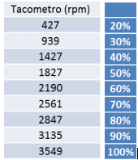 The relation between the set point and the RPM is the percentage of square signal work cycle and shall be equivalents as described in the next table: | Open |  |  | Test | Jesús Alberto Castillo Mandujano
DSE_001902_12 |  |  |  |  |  |  | Test | Jesús Alberto Castillo Mandujano
Display |  |  | Heading | NA | NA
DSE_001902_13 |  | REQ-DOC-053 | The board’s display shall show the work cycle percentage, actual RPM and set point | Open |  | HMI | Test | Jesús Alberto Castillo Mandujano
DSE_001902_14 | We use the display of board "Sk-S7G2" | REQ-DOC-034 | The device to be used as HMI shall be the 320p x 240p, 2.4’’ display embedded in Renesas YSSKS7G2E30 board. | Open | 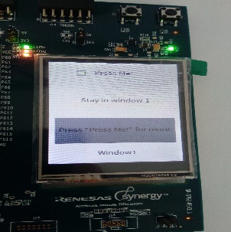 | HMI | Test | Jesús Alberto Castillo Mandujano
DSE_001902_15 |  | REQ-DOC-043 | The system shall show over the HMI the engine speed and setpoint in RPMs. | Open |  | HMI | Test | Jesús Alberto Castillo Mandujano
DSE_001902_16 |  | REQ-DOC-044 | The system shall show over the HMI the square signal work percentage. | Open |  | HMI | Test | Jesús Alberto Castillo Mandujano
DSE_001902_17 |  |  |  |  |  | HMI | Test | Jesús Alberto Castillo Mandujano
DSE_001902_18 |  |  |  |  |  |  | Test | Jesús Alberto Castillo Mandujano
DSE_001902_19 |  |  |  |  |  |  | Test | Jesús Alberto Castillo Mandujano
PWM |  |  | Heading | NA | NA
DSE_001902_20 |  | REQ-DOC-037 | The system shall use the PWM with a fix 10KHz frequency square signal. | Open | 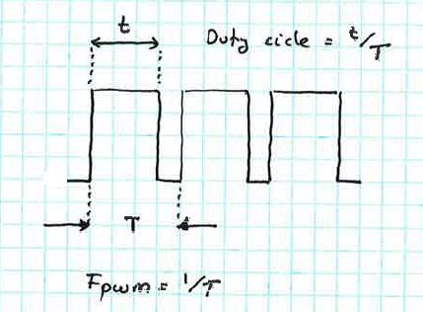 |  | Test | Jesús Alberto Castillo Mandujano
DSE_001902_21 | The system has noise. the output of board show two signal. | REQ-DOC-036 | The system shall control the speed of CESEQ-C001 module with a pulse width modulation (PWM) trough CESEQ-P001 power module. | Open | 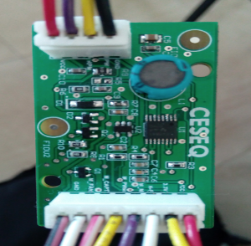 |  | Test | Jesús Alberto Castillo Mandujano
DSE_001902_22 |  | REQ-DOC-038 | The system shall be able to use the signal supplied by Hall effect sensor embedded within CESEQ-C001. | Open |  |  | Test | Jesús Alberto Castillo Mandujano
DSE_001902_23 |  | REQ-DOC-039 | The system shall use 15 (fifteen) pulses to determine a whole round. | Open |  |  | Test | Jesús Alberto Castillo Mandujano
DSE_001902_24 |  | REQ-DOC-040 | The system shall convert the frequency of the pulses to speed. | Open |  |  | Test | Jesús Alberto Castillo Mandujano
DSE_001902_25 |  |  |  |  |  |  | Test | Jesús Alberto Castillo Mandujano
DSE_001902_26 |  |  |  |  | Ver_1 |  | Test | Jesús Alberto Castillo Mandujano
DSE_001902_27 |  |  |  |  | Ver_1 |  | Test | Jesús Alberto Castillo Mandujano
DSE_001902_28 |  |  |  |  | Ver_1 |  | Test | Jesús Alberto Castillo Mandujano
operative system |  |  | Heading | NA | NA |  |  | Jesús Alberto Castillo Mandujano
DSE_001902_29 |  |  |  |  | Ver_1 |  | Test | Jesús Alberto Castillo Mandujano
DSE_001902_30 |  |  |  |  | Ver_1 |  | Test | Jesús Alberto Castillo Mandujano
DSE_001902_31 |  |  |  |  | Ver_1 |  | Test | Jesús Alberto Castillo Mandujano
DSE_001902_32 |  |  |  |  | Ver_1 |  | Test | Jesús Alberto Castillo Mandujano
 |  |  |  |  |  |  |  | Jesús Alberto Castillo Mandujano

