Coach Insert - Update
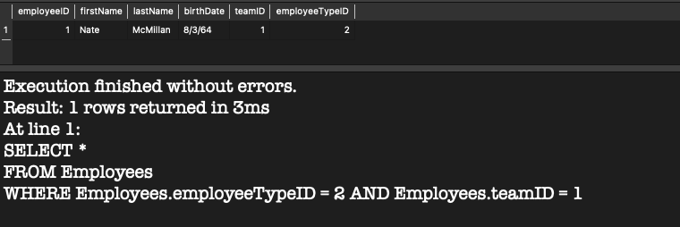

DATA - teamID 1 already has a coach (employeeTypeID = 2)

INSERT CONSTRAINT - Cannot have more than 1 head coach per team

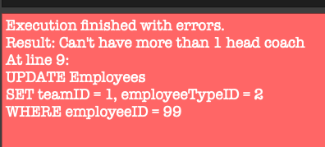

UPDATE CONSTRAINT - Cannot have more than 1 head coach per team

Location Insert - Update
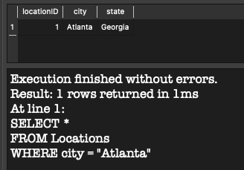

DATA - Atlanta Georgia is in the database

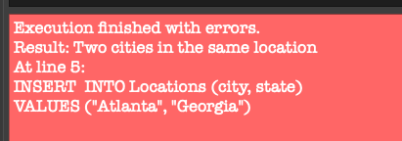

INSERT CONSTRAINT - Cannot add the same city twice

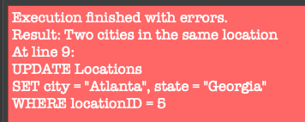

UPDATE CONSTRAINT - Cannot add the same city twice

Game Insert - Update
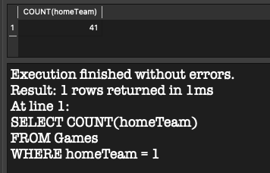

DATA - homeTeam with teamID 1 is scheduled for 41 home games

INSERT CONSTRAINT - Cannot schedule another home game for team

UPDATE CONSTRAINT - Cannot schedule another home game for team

Same Day Game Insert - Update
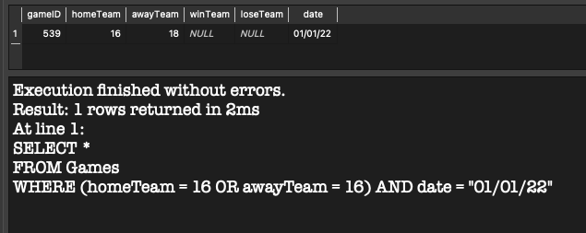

DATA - Team 16 is already playing a game on 01/01/22

INSERT CONSTRAINT - Cannot schedule a game on same date of another game if team is already playing

UPDATE CONSTRAINT - Cannot schedule a game on same date of another game if team is already playing

TooManyPlayers Insert - Update
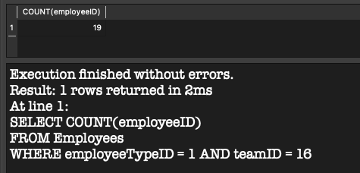

DATA - Number of Players in Team

INSERT CONSTRAINT - Players over 15, cannot record result of game because there are 19 players

UPDATE CONSTRAINT - Players over 15, cannot record result of game because there are 19 players

Trade Insert Constraint
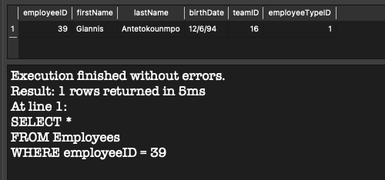

EMPLOYEE teamID is 16

INSERT CONSTRAINT - Cannot Trade to Original Team

INSERT CONSTRAINT - Must choose correct origin team

Trade Trigger Update
Employee Data Shwoing Original Team

 | Trade Insert

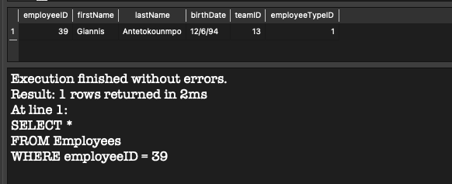

 | Team Changed after Insert of Trade Record

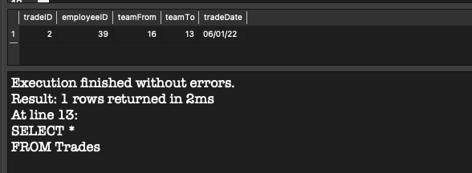

 | Trade Data

 | DELETE Trade

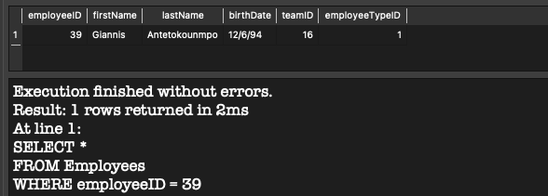

 | Employee Returned to Original Team before Trade

GameWinLose Update
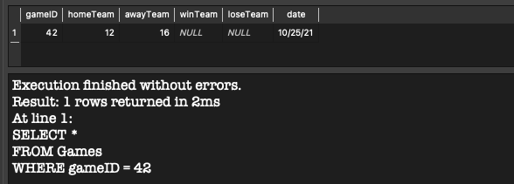

GameID 42 has no winner/loser yet

Cannot set Winner without setting Loser

