Bug1
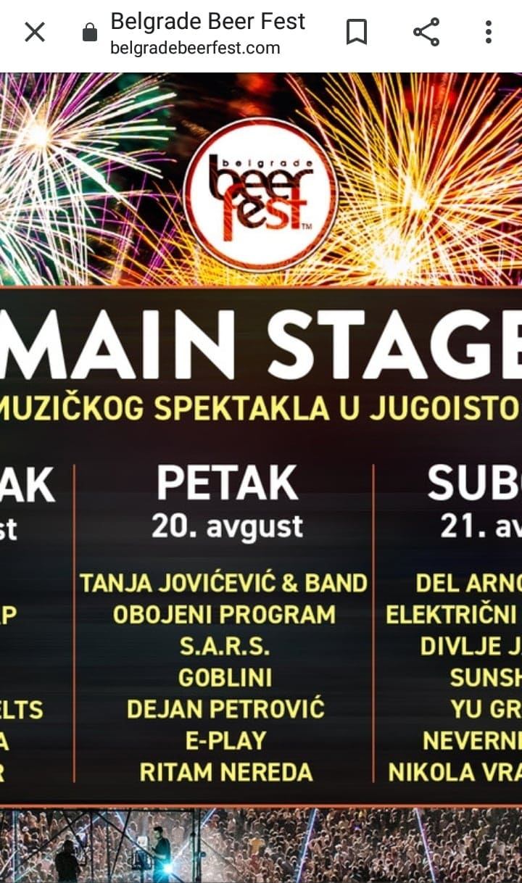
Bug ID | Bug Name | Bug Description | Steps to reproduce: | Expected Result | Actual Result | Severity | Priority
BG1 | Mobile device compatibility issue | Page is not displaying correctly when opened from mobile device | Take any mobile device (Android or IOS)
 |  |  | Enter following URL:" https://www.belgradebeerfest.com/" | Main page is displayed correctly | Main page with background picture not adjusted for mobile devices, displayed in resolution for PC devvices. | High | High

BG2 | No clickable links on displayed page | No available links to be clicked on displayed page | Open Chrome Version 93.0.4577.63 (latest) |  |  | High | Medium
 |  |  | Enter following URL:" https://www.belgradebeerfest.com/"
 |  |  | Try to click on the name of any bands displayed (for example, click on "OBOJENI PROGRAM") | Opens a new page displaying "OBOJENI PROGRAM" biography | Nothing is happening
 |  |  | Repeat action above several times on different bands names | Opens a new page | Nothing is happening

BG3 | Official Beerfest logo misschanged with one from previous year | Displayed logo from beerfest 2020 instead of logo planned for 2021 | Open Chrome Version 93.0.4577.63 (latest) |  |  | Medium | Medium | Wrong:
 |  |  | Enter following URL:" https://www.belgradebeerfest.com/"
 |  |  | Visually notice in middle top of the page logo displayed with letters "Belgrade beer fest" | Official Beerfest 2021 logo should be displayed | Official logo from previous (2020) year is displayed |  |  | 
 |  |  |  |  |  |  |  | Right:

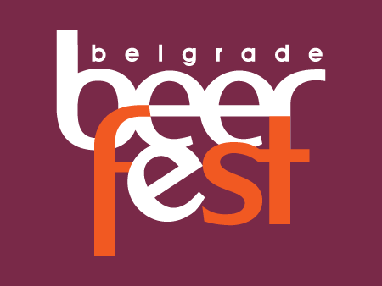

 |  | Note: First bug is actual bug on the site, the other two are just added. About site design of www.belgradebeerfest.com we should not waste too much time nor words.

