Bug
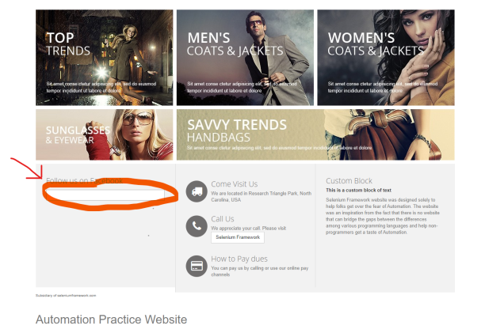
Bug ID | Summary | Bug Description | Steps to reproduce: | Expected Result | Actual Result | Severity | Priority | Screenshot
BG1 | The field (or link) "Follow us on facebook" is not working | When user click on field under and dedicated to "Follow us on facebook", no text can be entered, no element or link to be clicked, no cursor shown inside field. Also, textual statement "Follow us on facebook" is not clickable, so we can say that function is not working. | Open browser | Browser opens | Browser opens | LOW | HIGH
 |  |  | Go to URL: http://automationpractice.com/index.php | User is on URL: http://automationpractice.com/index.php | User is on URL: http://automationpractice.com/index.php
 |  |  | Scroll down till we see "Follow us on facebook" from the left side | "Follow us on facebook" is visible from the left side | "Follow us on facebook" is visible from the left side
 |  |  | Click on the empty field under "Follow us on facebook" | We are redirected to facebook page "automationpractice" | Nothing happerns (we are still on the same page)
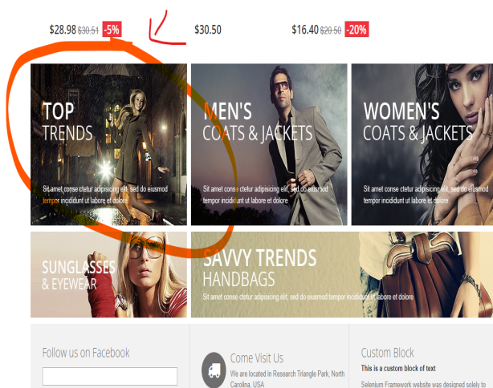
BG2 | The "TOP TRENDS" link is not working | When we try to click on "TOP TRENDS" picture, which is located at the left side left when we scroll down, a new link is opener with url:"https://www.prestashop.com/en" which is no relate ti shopping site we are visiting | Open browser | Browser opens | Browser opens | LOW | HIGH
 |  |  | Go to URL: http://automationpractice.com/index.php | User is on URL: http://automationpractice.com/index.php | User is on URL: http://automationpractice.com/index.php
 |  |  | Scroll down till picture with girl in black with umbrella and text "TOP TRENDS" appears. | Picture with girl in black with umbrella and text "TOP TRENDS" appears. | Picture with girl in black with umbrella and text "TOP TRENDS" appears.
 |  |  | Click on the picture named "TOP TRENDS" | New page with top triends should open | We are redirected to the page https://www.prestashop.com/en"

