Sheet1
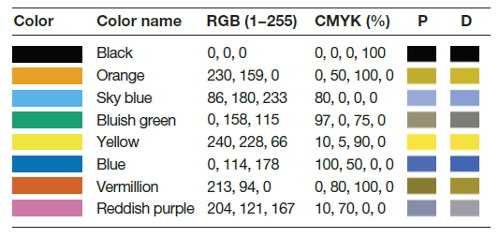
Color | RBG
black | 0 0 0
orange | 230 159 0
skyBlue | 86 180 233
bluishGreen | 0 158 115
yellow | 240 228 66
blue | 0 114 178
vermillion | 213 94 0
reddishPurple | 204 121 167
gray | 130 130 130
lightGray | 180 180 180
reddishPurple_bright | 225 11 247
reddishPurple_dull | 152 98 157
skyBlue_bright | 0 163 255
skyBlue_dull | 96 136 159
darkGray | 80 80 80
blue_bright | 0 159 255
blue_dull | 80 122 145
vermillion_bright | 255 113 0
vermillion_dull | 160 115 50

