DFM Problems
Seeed Fusion Design for Assembly (DFA) report
 | Order Number: | A1834381 |  |  |  | Date: | 2023-02-23
 | Prepared by: | HLB |  |  |  | Last Updated: | 2023-02-23
Item | Problem Description | Reference/MPN |  | Impact | Image | Seeed Suggestion | Customer Feedback | Seeed Suggestion | Severity | Status
3 | The position of the component on the pad is repeated with other components | J8 | S2B-PH-SM4-TB(LF)(SN) | Soldering defects more likely and more difficult to repair (additional costs may be involved) | 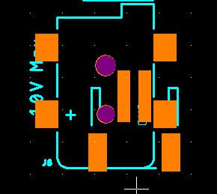 | Please update the position of the component on the pad | I have removed the pads for X1. J8 remains in place. | Thank you for your response, if X1 being a useful connector, will influence the soldering, | High | Open

