Summary
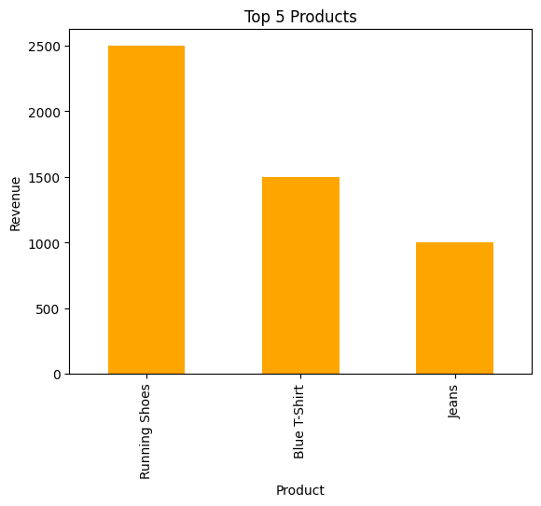
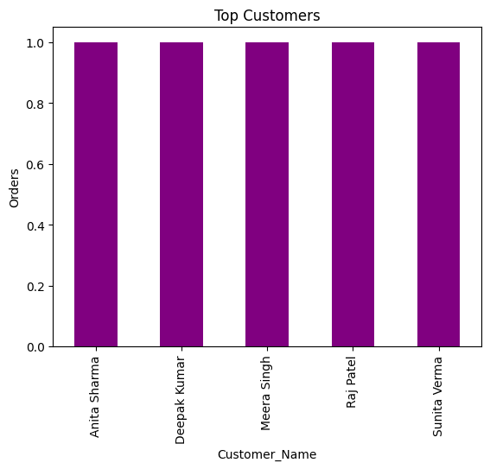
Sales & Customer Behavior Report

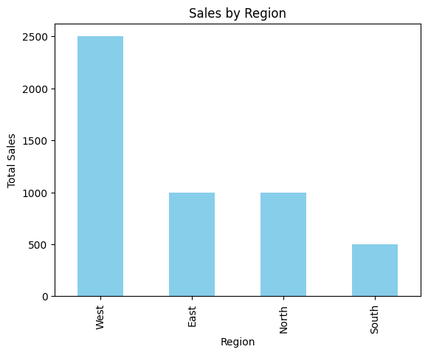
Sales by Region
Region | Price
West | 2499
East | 999
North | 998
South | 499

Monthly Sales Trend
Month | Price
2025-07 | 4995

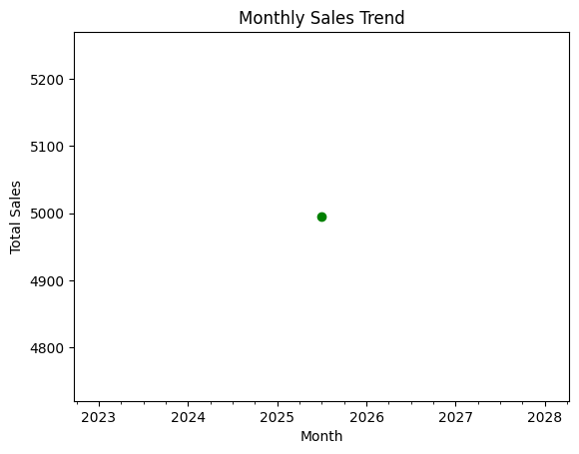
Top 5 Products by Revenue
Product | Price
Running Shoes | 2499
Blue T-Shirt | 1497
Jeans | 999

Top 5 Customers by Purchases
Customer_Name | Orders
Anita Sharma | 1
Deepak Kumar | 1
Meera Singh | 1
Raj Patel | 1
Sunita Verma | 1

