BiologicalProcessNetwork_Top30
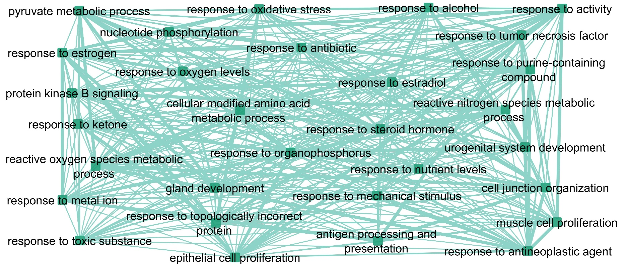
Note: Edges are drawn between BP GO-terms based on their common genes, and the edge width is based on the number of those genes.

