PathwayNetwork_Top30
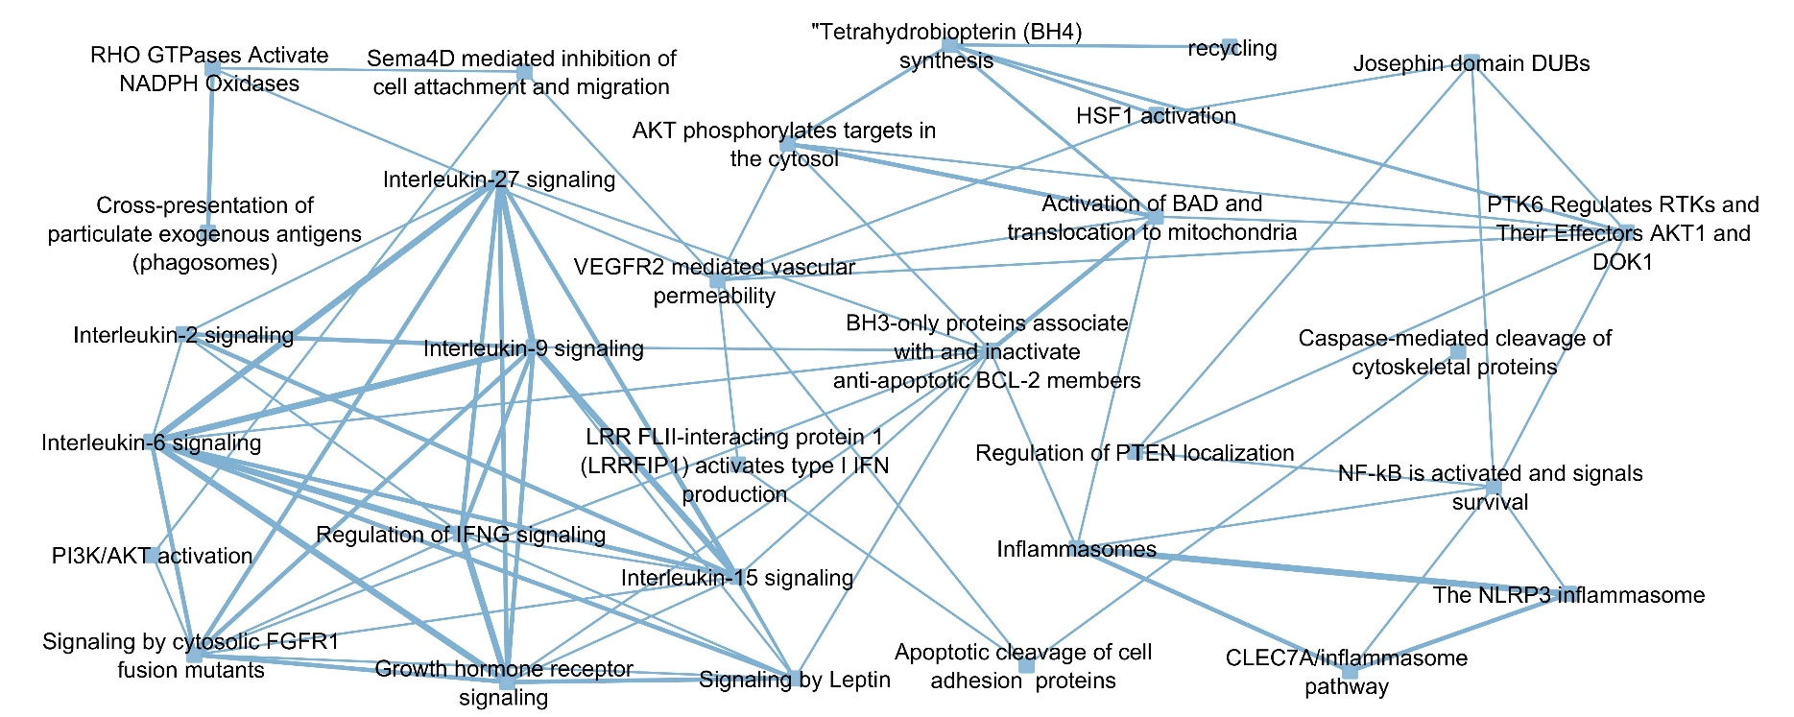
Note: Edges are drawn between pathways based on their common genes, and the edge width is based on the number of those genes.

