1-A-P
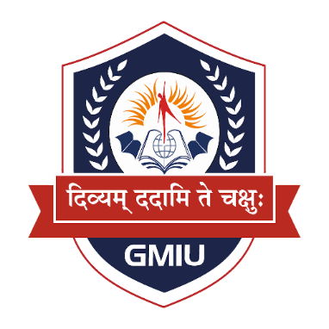 |  | GYANMANJARI INNOVATIVE UNIVERSITY (GMIU)
 |  | Gyanmanjari Institute of Technology
 |  | Time Table: Diploma CE/CSE - PLM | Class - A
 |  | Semester : 1st |  | Class Room : GF-05 |  | W.E.F.: 13/07/2026
SR. NO. | TIME | MON | TUE | WED | THU | FRI | SAT
1 | 07:30 to 08:30 | BDS (SAP) | BDS (SAP) | BDS (SAP) | CHT (PHK) | POC (PDC) | POC (PDC)
2 | 08:30 to 09:30
RECESS - 1 (30 Minutes)
3 | 10:00 to 11:00 | EXP (PRD) | CHT (PHK) | WER (HDS) | POC (PDC) | EXP (PRD) | EXP (PRD)
4 | 11:00 to 12:00
RECESS - 2 (15 Minutes)
5 | 12:15 to 01:15 | ALA | SPORTS | IE (HDS) | LIBRARY | IE (HDS) | SPORTS
Subject |  |  |  |  |  |  | Location
POC : | Practical Oriented Programing in C |  |  | PDC : Prof. Prashansha D. Choksi |  |  | GF-05
CHT : | Computer Hardware and Troubleshooting |  |  | PHK : Prof. Pragnesh H. Kanejiya
BDS : | Building Blocks of Digital Systems |  |  | SAP : Prof. Sahil A. Pinjani
EXP : | Experimental Physics |  |  | PRD : Prof. Pratap R. Dihora
IE : | Interactive English |  |  | HDS : Prof. Hitagna D. Shah
WER : | Workplace Ethics and Responsibilities |  |  | HDS : Prof. Hitagna D. Shah
IP : | Induction Program

Prof. A. P. Gohil |  | Prof. D. R. Chandarana |  | Dr. B M. Bhil |  |  | Prof. P. J. Viradiya
Departmental TT Co-ordinator |  | Head of Department |  | Central TT Co-ordinator |  |  | Cluster Director

