AWS Map
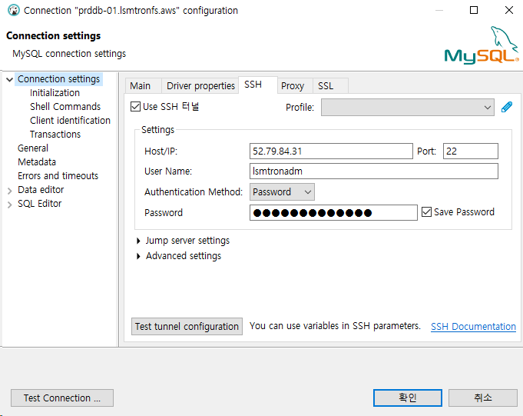
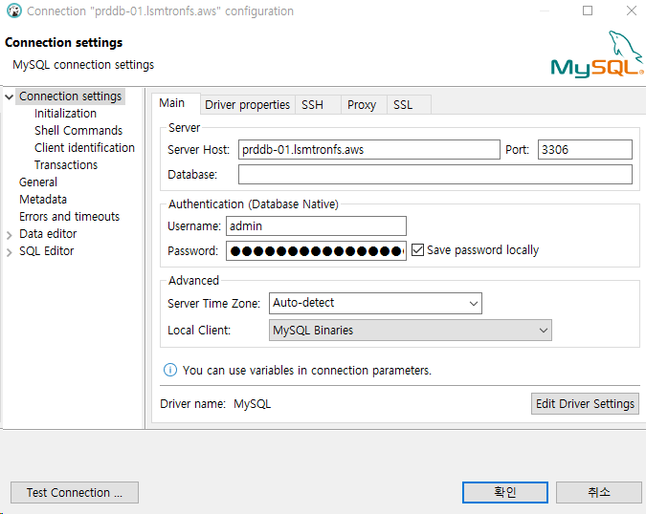
AWS Network 구성
AccountName | Services | ResourceName | IPv4_address(CIDR) | Remarks
lsmtron-fieldsurvey | VPC | vpc-lsmtron-fs | 10.84.0.0/16 | igw-lsmtron-fs
lsmtron-fieldsurvey | VPC, Subnet | snet-lsmtron-fs-pub-prd-a | 10.84.10.0/24 | rt-snet-lsmtron-fs-pub-a
lsmtron-fieldsurvey | VPC, Subnet | snet-lsmtron-fs-pub-dev-a | 10.84.50.0/24 | rt-snet-lsmtron-fs-pub-a
lsmtron-fieldsurvey | VPC, Subnet | snet-lsmtron-fs-rds-prd-a | 10.84.20.0/24 | rt-snet-lsmtron-fs-rds-a
lsmtron-fieldsurvey | VPC, Subnet | snet-lsmtron-fs-rds-prd-c | 10.84.120.0/24 | rt-snet-lsmtron-fs-rds-c
lsmtron-fieldsurvey | VPC, Subnet | snet-lsmtron-fs-rds-dev-a | 10.84.60.0/24 | rt-snet-lsmtron-fs-rds-a
lsmtron-fieldsurvey | VPC, Subnet | snet-lsmtron-fs-rds-dev-c | 10.84.160.0/24 | rt-snet-lsmtron-fs-rds-c

AWS 리소스 구성
AccountName | Services | ResourceName | InstanceType | Disk Volumes | OS | Username | Passwd | IPv4_addr(Private) | IPv4_address(Public) | SecurityGroup | Remarks
lsmtron-fieldsurvey | EC2 | lsmtron-fs-app-dev-a01 | t3.small | /root: 10GB, /swap: 20GB, /data: 120GB | Amazon Linux 2 Kernel 5.10 | lsmtronadm | lsmtronssh01! | 10.84.50.11 | 43.201.118.75 | lsmtron-fs-rds-devconn-a01-sg lsmtron-fs-app-dev-a01-sg | ElasticIP 추가됨 eip-lsmtron-fs-web-prd
lsmtron-fieldsurvey | EC2 | lsmtron-fs-app-prd-a01 | t3.medium | /root: 10GB, /swap: 20GB, /data: 120GB | Amazon Linux 2 Kernel 5.10 | lsmtronadm | lsmtronssh01! | 10.84.10.11 | 52.79.84.31 | lsmtron-fs-app-prd-a01-sg lsmtron-fs-rds-prdconn-a01-sg | ElasticIP 추가됨 eip-lsmtron-fs-web-dev
lsmtron-fieldsurvey | RDS | lsmtron-fs-rds-dev-a01 | db.t3.medium | DBdatafile: 150GB | MySQL Community 8.0.31 | admin | lsmtronpwdmasterdev01! | devdb-01.lsmtronfs.aws | n/a | lsmtron-fs-was-devconn-a01-sg lsmtron-fs-rds-dev-a01-sg | -
lsmtron-fieldsurvey | RDS | lsmtron-fs-rds-prd-a01 | db.t3.large | DBdatafile: 150GB | MySQL Community 8.0.31 | admin | lsmtronpwdmasterprd01! | prddb-01.lsmtronfs.aws | n/a | lsmtron-fs-was-prdconn-a01-sg lsmtron-fs-rds-prd-a01-sg | -
lsmtron-fieldsurvey | Route53(Internal) | Route53(Internal), lsmtronfs.aws | - |  | - | - | - | - | - | - | -

DB Client 접속
각 Dev/Prd 별 App서버의 Public IP를 ssh-tunnel로 접속 후 private subdomain으로 접속 (Dbeaver, workbench etc)

#1. SSH tunnel |  |  |  |  | #2. Database Connection

