Results Summary
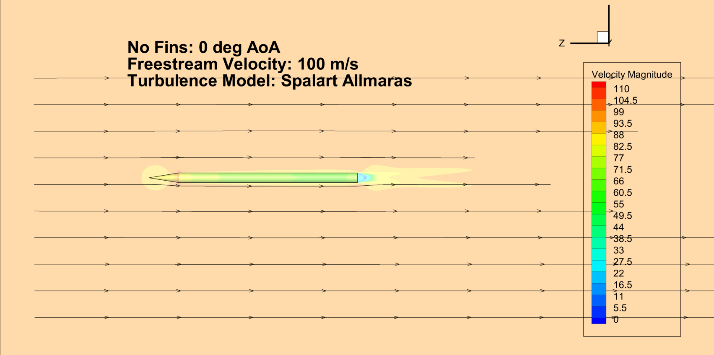
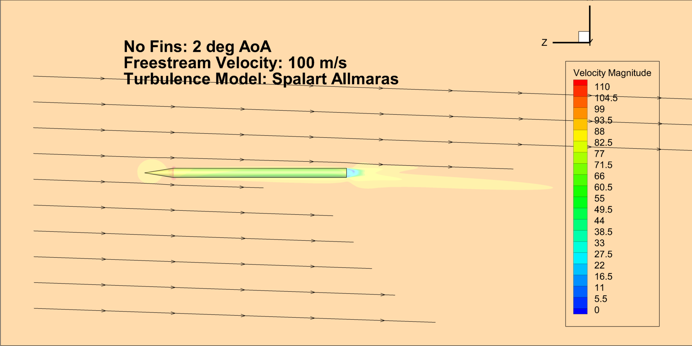
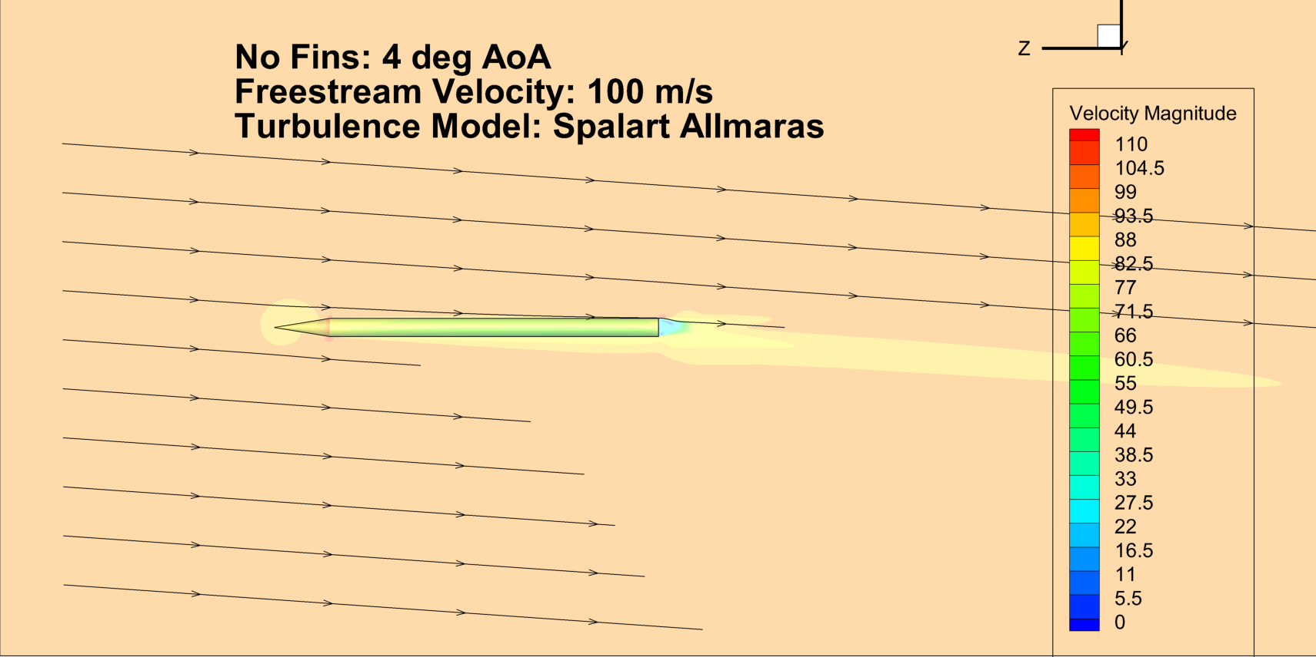
No Fins
AoA | Cd | Cl
0 | 0.286 | 0.000
2 | 0.292 | 0.095
4 | 0.303 | 0.194

Drag Coefficient
 | Bare 0 deg AoA |  | Bare 2 deg AoA |  | Bare 4 deg Aoa
1.00E+00 | -8.85E+01 | # Time | 0.00E+00 | 1.00E+00 | -8.87E+01
2.00E+00 | -5.54E+01 | 1.00E+00 | -8.86E+01 | 2.00E+00 | -5.54E+01
3.00E+00 | 9.35E+00 | 2.00E+00 | -5.54E+01 | 3.00E+00 | 9.44E+00
4.00E+00 | 3.41E+01 | 3.00E+00 | 9.39E+00 | 4.00E+00 | 3.42E+01
5.00E+00 | 1.80E+01 | 4.00E+00 | 3.41E+01 | 5.00E+00 | 1.80E+01
6.00E+00 | -7.26E+00 | 5.00E+00 | 1.80E+01 | 6.00E+00 | -7.31E+00
7.00E+00 | -1.77E+01 | 6.00E+00 | -7.28E+00 | 7.00E+00 | -1.77E+01
8.00E+00 | -9.34E+00 | 7.00E+00 | -1.77E+01 | 8.00E+00 | -9.34E+00
9.00E+00 | 2.76E+00 | 8.00E+00 | -9.34E+00 | 9.00E+00 | 2.79E+00
1.00E+01 | 7.26E+00 | 9.00E+00 | 2.78E+00 | 1.00E+01 | 7.27E+00
1.10E+01 | 2.41E+00 | 1.00E+01 | 7.27E+00 | 1.10E+01 | 2.41E+00
1.20E+01 | -3.78E+00 | 1.10E+01 | 2.41E+00 | 1.20E+01 | -3.79E+00
1.30E+01 | -5.31E+00 | 1.20E+01 | -3.79E+00 | 1.30E+01 | -5.30E+00
1.40E+01 | -2.59E+00 | 1.30E+01 | -5.31E+00 | 1.40E+01 | -2.58E+00
1.50E+01 | 5.43E-01 | 1.40E+01 | -2.59E+00 | 1.50E+01 | 5.48E-01
1.60E+01 | 1.19E+00 | 1.50E+01 | 5.46E-01 | 1.60E+01 | 1.19E+00
1.70E+01 | -3.01E-01 | 1.60E+01 | 1.19E+00 | 1.70E+01 | -3.02E-01
1.80E+01 | -1.84E+00 | 1.70E+01 | -3.01E-01 | 1.80E+01 | -1.84E+00
1.90E+01 | -2.09E+00 | 1.80E+01 | -1.84E+00 | 1.90E+01 | -2.09E+00
2.00E+01 | -1.31E+00 | 1.90E+01 | -2.09E+00 | 2.00E+01 | -1.31E+00
2.10E+01 | -5.36E-01 | 2.00E+01 | -1.31E+00 | 2.10E+01 | -5.34E-01
2.20E+01 | -4.16E-01 | 2.10E+01 | -5.35E-01 | 2.20E+01 | -4.18E-01
2.30E+01 | -8.02E-01 | 2.20E+01 | -4.16E-01 | 2.30E+01 | -8.00E-01
2.40E+01 | -1.15E+00 | 2.30E+01 | -8.03E-01 | 2.40E+01 | -1.15E+00
2.50E+01 | -1.17E+00 | 2.40E+01 | -1.15E+00 | 2.50E+01 | -1.17E+00
2.60E+01 | -9.53E-01 | 2.50E+01 | -1.17E+00 | 2.60E+01 | -9.52E-01
2.70E+01 | -7.65E-01 | 2.60E+01 | -9.53E-01 | 2.70E+01 | -7.62E-01
2.80E+01 | -7.49E-01 | 2.70E+01 | -7.63E-01 | 2.80E+01 | -7.48E-01
2.90E+01 | -8.50E-01 | 2.80E+01 | -7.48E-01 | 2.90E+01 | -8.53E-01
3.00E+01 | -9.31E-01 | 2.90E+01 | -8.52E-01 | 3.00E+01 | -9.35E-01
3.10E+01 | -9.23E-01 | 3.00E+01 | -9.35E-01 | 3.10E+01 | -9.25E-01
3.20E+01 | -8.55E-01 | 3.10E+01 | -9.25E-01 | 3.20E+01 | -8.54E-01
3.30E+01 | -7.97E-01 | 3.20E+01 | -8.55E-01 | 3.30E+01 | -7.96E-01
3.40E+01 | -7.86E-01 | 3.30E+01 | -7.96E-01 | 3.40E+01 | -7.87E-01
3.50E+01 | -8.08E-01 | 3.40E+01 | -7.88E-01 | 3.50E+01 | -8.11E-01
3.60E+01 | -8.26E-01 | 3.50E+01 | -8.10E-01 | 3.60E+01 | -8.29E-01
3.70E+01 | -8.20E-01 | 3.60E+01 | -8.28E-01 | 3.70E+01 | -8.22E-01
3.80E+01 | -7.97E-01 | 3.70E+01 | -8.22E-01 | 3.80E+01 | -7.98E-01
3.90E+01 | -7.76E-01 | 3.80E+01 | -7.99E-01 | 3.90E+01 | -7.78E-01
4.00E+01 | -7.67E-01 | 3.90E+01 | -7.77E-01 | 4.00E+01 | -7.70E-01
4.10E+01 | -7.68E-01 | 4.00E+01 | -7.68E-01 | 4.10E+01 | -7.71E-01
4.20E+01 | -7.68E-01 | 4.10E+01 | -7.69E-01 | 4.20E+01 | -7.71E-01
4.30E+01 | -7.62E-01 | 4.20E+01 | -7.70E-01 | 4.30E+01 | -7.65E-01
4.40E+01 | -7.52E-01 | 4.30E+01 | -7.64E-01 | 4.40E+01 | -7.54E-01
4.50E+01 | -7.41E-01 | 4.40E+01 | -7.53E-01 | 4.50E+01 | -7.44E-01
4.60E+01 | -7.34E-01 | 4.50E+01 | -7.43E-01 | 4.60E+01 | -7.38E-01
4.70E+01 | -7.30E-01 | 4.60E+01 | -7.36E-01 | 4.70E+01 | -7.35E-01
4.80E+01 | -7.26E-01 | 4.70E+01 | -7.32E-01 | 4.80E+01 | -7.31E-01
4.90E+01 | -7.21E-01 | 4.80E+01 | -7.29E-01 | 4.90E+01 | -7.26E-01
5.00E+01 | -7.15E-01 | 4.90E+01 | -7.24E-01 | 5.00E+01 | -7.19E-01
...

Lift Coefficient
 | Bare 0 deg AoA |  | Bare 2 deg AoA |  | Bare 4 deg AoA
1.00E+00 | 2.47E-01 | # Time | 0.00E+00 | 1.00E+00 | -6.51E+01
2.00E+00 | 1.95E-01 | 1.00E+00 | -3.21E+01 | 2.00E+00 | -3.79E+01
3.00E+00 | 3.17E-03 | 2.00E+00 | -1.87E+01 | 3.00E+00 | 9.81E+00
4.00E+00 | -1.06E-01 | 3.00E+00 | 4.84E+00 | 4.00E+00 | 2.50E+01
5.00E+00 | -4.78E-02 | 4.00E+00 | 1.23E+01 | 5.00E+00 | 1.02E+01
6.00E+00 | 1.13E-02 | 5.00E+00 | 4.99E+00 | 6.00E+00 | -7.21E+00
7.00E+00 | -3.18E-03 | 6.00E+00 | -3.52E+00 | 7.00E+00 | -1.06E+01
8.00E+00 | -2.35E-02 | 7.00E+00 | -5.21E+00 | 8.00E+00 | -3.36E+00
9.00E+00 | -9.90E-03 | 8.00E+00 | -1.68E+00 | 9.00E+00 | 3.26E+00
1.00E+01 | 1.14E-02 | 9.00E+00 | 1.56E+00 | 1.00E+01 | 3.58E+00
1.10E+01 | 2.01E-02 | 1.00E+01 | 1.75E+00 | 1.10E+01 | 4.37E-02
1.20E+01 | 1.49E-02 | 1.10E+01 | 3.64E-02 | 1.20E+01 | -2.47E+00
1.30E+01 | 1.82E-03 | 1.20E+01 | -1.19E+00 | 1.30E+01 | -2.02E+00
1.40E+01 | -8.84E-03 | 1.30E+01 | -9.81E-01 | 1.40E+01 | -1.83E-01
1.50E+01 | -1.25E-02 | 1.40E+01 | -1.02E-01 | 1.50E+01 | 8.25E-01
1.60E+01 | -9.02E-03 | 1.50E+01 | 3.84E-01 | 1.60E+01 | 4.10E-01
1.70E+01 | -1.30E-03 | 1.60E+01 | 1.89E-01 | 1.70E+01 | -5.17E-01
1.80E+01 | 4.80E-03 | 1.70E+01 | -2.52E-01 | 1.80E+01 | -9.44E-01
1.90E+01 | 5.77E-03 | 1.80E+01 | -4.54E-01 | 1.90E+01 | -6.94E-01
2.00E+01 | 2.41E-03 | 1.90E+01 | -3.35E-01 | 2.00E+01 | -2.29E-01
2.10E+01 | -2.10E-03 | 2.00E+01 | -1.14E-01 | 2.10E+01 | -6.89E-03
2.20E+01 | -4.61E-03 | 2.10E+01 | -8.58E-03 | 2.20E+01 | -9.88E-02
2.30E+01 | -4.55E-03 | 2.20E+01 | -5.36E-02 | 2.30E+01 | -2.99E-01
2.40E+01 | -2.68E-03 | 2.30E+01 | -1.49E-01 | 2.40E+01 | -4.03E-01
2.50E+01 | -1.09E-03 | 2.40E+01 | -1.97E-01 | 2.50E+01 | -3.72E-01
2.60E+01 | -2.06E-04 | 2.50E+01 | -1.81E-01 | 2.60E+01 | -2.84E-01
2.70E+01 | -4.49E-04 | 2.60E+01 | -1.39E-01 | 2.70E+01 | -2.27E-01
2.80E+01 | -9.75E-04 | 2.70E+01 | -1.13E-01 | 2.80E+01 | -2.26E-01
2.90E+01 | -1.76E-03 | 2.80E+01 | -1.13E-01 | 2.90E+01 | -2.53E-01
3.00E+01 | -2.07E-03 | 2.90E+01 | -1.25E-01 | 3.00E+01 | -2.71E-01
3.10E+01 | -2.05E-03 | 3.00E+01 | -1.33E-01 | 3.10E+01 | -2.66E-01
3.20E+01 | -1.52E-03 | 3.10E+01 | -1.30E-01 | 3.20E+01 | -2.49E-01
3.30E+01 | -1.13E-03 | 3.20E+01 | -1.22E-01 | 3.30E+01 | -2.35E-01
3.40E+01 | -8.39E-04 | 3.30E+01 | -1.16E-01 | 3.40E+01 | -2.34E-01
3.50E+01 | -1.21E-03 | 3.40E+01 | -1.15E-01 | 3.50E+01 | -2.39E-01
3.60E+01 | -1.65E-03 | 3.50E+01 | -1.18E-01 | 3.60E+01 | -2.43E-01
3.70E+01 | -2.21E-03 | 3.60E+01 | -1.19E-01 | 3.70E+01 | -2.38E-01
3.80E+01 | -2.32E-03 | 3.70E+01 | -1.17E-01 | 3.80E+01 | -2.30E-01
3.90E+01 | -2.21E-03 | 3.80E+01 | -1.13E-01 | 3.90E+01 | -2.22E-01
4.00E+01 | -1.77E-03 | 3.90E+01 | -1.10E-01 | 4.00E+01 | -2.20E-01
4.10E+01 | -1.52E-03 | 4.00E+01 | -1.09E-01 | 4.10E+01 | -2.21E-01
4.20E+01 | -1.29E-03 | 4.10E+01 | -1.09E-01 | 4.20E+01 | -2.22E-01
4.30E+01 | -1.36E-03 | 4.20E+01 | -1.09E-01 | 4.30E+01 | -2.20E-01
4.40E+01 | -1.39E-03 | 4.30E+01 | -1.08E-01 | 4.40E+01 | -2.16E-01
4.50E+01 | -1.58E-03 | 4.40E+01 | -1.06E-01 | 4.50E+01 | -2.12E-01
4.60E+01 | -1.62E-03 | 4.50E+01 | -1.04E-01 | 4.60E+01 | -2.10E-01
4.70E+01 | -1.74E-03 | 4.60E+01 | -1.03E-01 | 4.70E+01 | -2.10E-01
4.80E+01 | -1.65E-03 | 4.70E+01 | -1.03E-01 | 4.80E+01 | -2.09E-01
4.90E+01 | -1.64E-03 | 4.80E+01 | -1.03E-01 | 4.90E+01 | -2.08E-01
5.00E+01 | -1.50E-03 | 4.90E+01 | -1.02E-01 | 5.00E+01 | -2.06E-01
...

