Lapas1
Key | Value |  | Key | Value
Bug ID | A unique identifier for the bug. |  | Bug ID | 1
Title | A brief summary of the bug. |  | Title | Navigation, exisitng links contrast between text and background colors
Description | A detailed description of the bug, including what is wrong. |  | Description | text color is #808080 and the background is white and contrast checker sees that normal or Large text does not comply based wcag contrast standart
Severity | The impact of the bug on the system (Low, Medium, High, Critical). |  | Severity | Low
Priority | The urgency of fixing the bug (Low, Medium, High). |  | Priority | Low
Status | The current status of the bug (Open, In Progress, Resolved, Closed). |  | Status | Open
Steps to Reproduce | A step-by-step guide on how to reproduce the bug. |  | Steps to Reproduce | N/A
Expected Result | What should happen if the bug was not present. |  | Expected Result | based wcag standart text should be atleast contrast ratio should be 4.5:1
Actual Result | What actually happens when the bug is encountered. |  | Actual Result | Contrast very low 3.94:1
Assigned To | The name of the developer or team responsible for fixing the bug. |  | Assigned To | Vardenis Pavardenis
Reported By | The name of the person who reported the bug. |  | Reported By | Vardenis Pavardenis
Date Reported | The date when the bug was reported. | ` | Date Reported | 2026-10-01
Attachments | Help illustrate the bug. |  | Attachments | 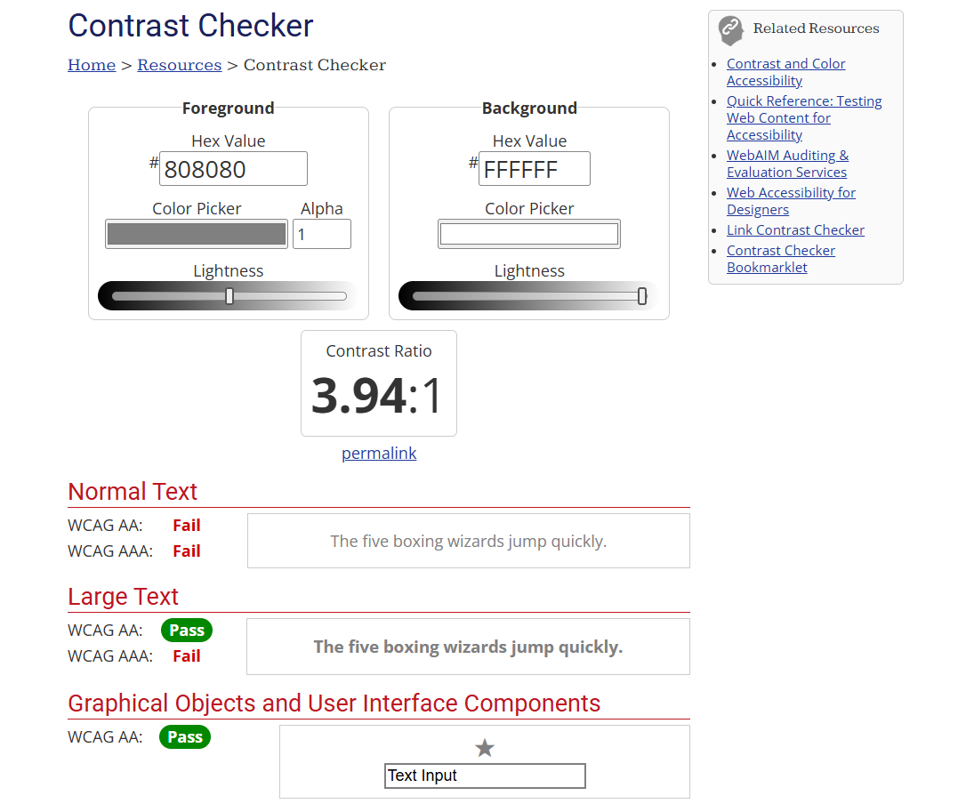
Environment | The environment in which the bug was found (e.g., OS, browser version). |  | Environment | edge: 143.0.3650.139 (Official build) (64-bit) chrome: 143.0.7499.193 (Official Build) (64-bit) (cohort: Stable)
Comments | Any additional information or observations about the bug. |  | Comments | Any additional information or observations about the bug.

