fg_1
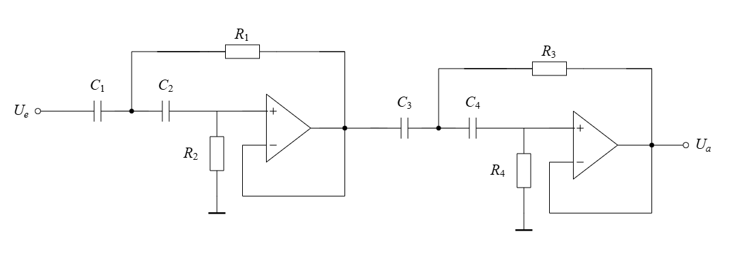
f_g | R_1 | R_2 | R_3 | R_4 | w_g | Aproximation
20 | 3334.07 | 3888.93 | 1396.46 | 9588.37 | 125.66 | Butterworth
21 | 3175.30 | 3703.75 | 1329.97 | 9131.78 | 131.95 | Butterworth | C_1= | 2.20E-06
22 | 3030.97 | 3535.39 | 1269.51 | 8716.70 | 138.23 | Butterworth | C_2= | 2.22E-06
23 | 2899.19 | 3381.68 | 1214.32 | 8337.71 | 144.51 | Butterworth
24 | 2778.39 | 3240.78 | 1163.72 | 7990.31 | 150.80 | Butterworth
25 | 2667.25 | 3111.15 | 1117.17 | 7670.69 | 157.08 | Butterworth | C_3= | 2.14E-06
26 | 2564.67 | 2991.49 | 1074.20 | 7375.67 | 163.36 | Butterworth | C_4= | 2.21E-06
27 | 2469.68 | 2880.69 | 1034.42 | 7102.49 | 169.65 | Butterworth
28 | 2381.48 | 2777.81 | 997.47 | 6848.83 | 175.93 | Butterworth
29 | 2299.36 | 2682.02 | 963.08 | 6612.67 | 182.21 | Butterworth | Q_1= | 0.54
30 | 2222.71 | 2592.62 | 930.98 | 6392.24 | 188.50 | Butterworth | Q_2= | 1.31
31 | 2151.01 | 2508.99 | 900.94 | 6186.04 | 194.78 | Butterworth
32 | 2083.79 | 2430.58 | 872.79 | 5992.73 | 201.06 | Butterworth
33 | 2020.65 | 2356.93 | 846.34 | 5811.13 | 207.35 | Butterworth
34 | 1961.21 | 2287.61 | 821.45 | 5640.22 | 213.63 | Butterworth
35 | 1905.18 | 2222.25 | 797.98 | 5479.07 | 219.91 | Butterworth
36 | 1852.26 | 2160.52 | 775.81 | 5326.87 | 226.19 | Butterworth
37 | 1802.20 | 2102.13 | 754.85 | 5182.90 | 232.48 | Butterworth
38 | 1754.77 | 2046.81 | 734.98 | 5046.51 | 238.76 | Butterworth
39 | 1709.78 | 1994.32 | 716.14 | 4917.11 | 245.04 | Butterworth
40 | 1667.03 | 1944.47 | 698.23 | 4794.18 | 251.33 | Butterworth
41 | 1626.37 | 1897.04 | 681.20 | 4677.25 | 257.61 | Butterworth
42 | 1587.65 | 1851.87 | 664.98 | 4565.89 | 263.89 | Butterworth
43 | 1550.73 | 1808.81 | 649.52 | 4459.71 | 270.18 | Butterworth
44 | 1515.48 | 1767.70 | 634.76 | 4358.35 | 276.46 | Butterworth
45 | 1481.81 | 1728.41 | 620.65 | 4261.50 | 282.74 | Butterworth
46 | 1449.59 | 1690.84 | 607.16 | 4168.86 | 289.03 | Butterworth
47 | 1418.75 | 1654.87 | 594.24 | 4080.16 | 295.31 | Butterworth
48 | 1389.19 | 1620.39 | 581.86 | 3995.15 | 301.59 | Butterworth
49 | 1360.84 | 1587.32 | 569.99 | 3913.62 | 307.88 | Butterworth
50 | 1333.63 | 1555.57 | 558.59 | 3835.35 | 314.16 | Butterworth
51 | 1307.48 | 1525.07 | 547.63 | 3760.14 | 320.44 | Butterworth
52 | 1282.33 | 1495.74 | 537.10 | 3687.83 | 326.73 | Butterworth
53 | 1258.14 | 1467.52 | 526.97 | 3618.25 | 333.01 | Butterworth
54 | 1234.84 | 1440.35 | 517.21 | 3551.25 | 339.29 | Butterworth
55 | 1212.39 | 1414.16 | 507.80 | 3486.68 | 345.58 | Butterworth
56 | 1190.74 | 1388.90 | 498.74 | 3424.42 | 351.86 | Butterworth
57 | 1169.85 | 1364.54 | 489.99 | 3364.34 | 358.14 | Butterworth
58 | 1149.68 | 1341.01 | 481.54 | 3306.33 | 364.42 | Butterworth
59 | 1130.19 | 1318.28 | 473.38 | 3250.29 | 370.71 | Butterworth
60 | 1111.36 | 1296.31 | 465.49 | 3196.12 | 376.99 | Butterworth

