fg_2_KICK
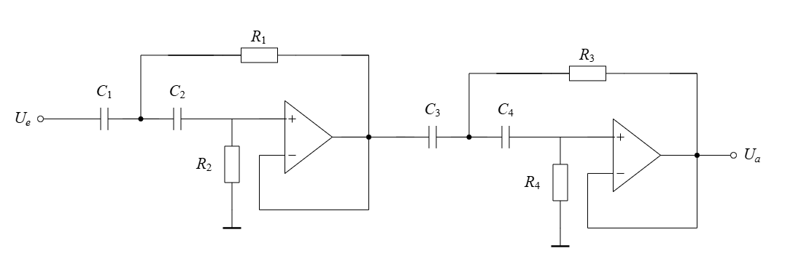
f_g | R_1 | R_2 | R_3 | R_4 | w_g | Aproximation
50 | 4948.39 | 9980.31 | 4970.33 | 10022.37 | 314.16 | Butterworth
51 | 4851.36 | 9784.62 | 4872.87 | 9825.85 | 320.44 | Butterworth | C_1= | 4.60E-07
52 | 4758.06 | 9596.45 | 4779.16 | 9636.90 | 326.73 | Butterworth | C_2= | 4.46E-07
53 | 4668.29 | 9415.39 | 4688.99 | 9455.07 | 333.01 | Butterworth
54 | 4581.84 | 9241.03 | 4602.16 | 9279.97 | 339.29 | Butterworth
55 | 4498.53 | 9073.01 | 4518.48 | 9111.25 | 345.58 | Butterworth | C_3= | 4.53E-07
56 | 4418.20 | 8910.99 | 4437.79 | 8948.55 | 351.86 | Butterworth | C_4= | 4.49E-07
57 | 4340.69 | 8754.66 | 4359.94 | 8791.55 | 358.14 | Butterworth
58 | 4265.85 | 8603.71 | 4284.77 | 8639.97 | 364.42 | Butterworth
59 | 4193.55 | 8457.89 | 4212.14 | 8493.53 | 370.71 | Butterworth | Q_1= | 0.71
60 | 4123.66 | 8316.92 | 4141.94 | 8351.98 | 376.99 | Butterworth | Q_2= | 0.71
61 | 4056.05 | 8180.58 | 4074.04 | 8215.06 | 383.27 | Butterworth
62 | 3990.63 | 8048.64 | 4008.33 | 8082.56 | 389.56 | Butterworth
63 | 3927.29 | 7920.88 | 3944.71 | 7954.26 | 395.84 | Butterworth
64 | 3865.93 | 7797.12 | 3883.07 | 7829.98 | 402.12 | Butterworth
65 | 3806.45 | 7677.16 | 3823.33 | 7709.52 | 408.41 | Butterworth
66 | 3748.78 | 7560.84 | 3765.40 | 7592.71 | 414.69 | Butterworth
67 | 3692.83 | 7447.99 | 3709.20 | 7479.38 | 420.97 | Butterworth
68 | 3638.52 | 7338.46 | 3654.65 | 7369.39 | 427.26 | Butterworth
69 | 3585.79 | 7232.11 | 3601.69 | 7262.59 | 433.54 | Butterworth
70 | 3534.56 | 7128.79 | 3550.24 | 7158.84 | 439.82 | Butterworth
71 | 3484.78 | 7028.39 | 3500.23 | 7058.01 | 446.11 | Butterworth
72 | 3436.38 | 6930.77 | 3451.62 | 6959.98 | 452.39 | Butterworth
73 | 3389.31 | 6835.83 | 3404.34 | 6864.64 | 458.67 | Butterworth
74 | 3343.50 | 6743.45 | 3358.33 | 6771.87 | 464.96 | Butterworth
75 | 3298.92 | 6653.54 | 3313.55 | 6681.58 | 471.24 | Butterworth
76 | 3255.52 | 6565.99 | 3269.95 | 6593.67 | 477.52 | Butterworth
77 | 3213.24 | 6480.72 | 3227.49 | 6508.03 | 483.81 | Butterworth
78 | 3172.04 | 6397.63 | 3186.11 | 6424.60 | 490.09 | Butterworth
79 | 3131.89 | 6316.65 | 3145.78 | 6343.27 | 496.37 | Butterworth
80 | 3092.74 | 6237.69 | 3106.46 | 6263.98 | 502.65 | Butterworth
81 | 3054.56 | 6160.68 | 3068.11 | 6186.65 | 508.94 | Butterworth
82 | 3017.31 | 6085.55 | 3030.69 | 6111.20 | 515.22 | Butterworth
83 | 2980.96 | 6012.23 | 2994.17 | 6037.57 | 521.50 | Butterworth
84 | 2945.47 | 5940.66 | 2958.53 | 5965.70 | 527.79 | Butterworth
85 | 2910.82 | 5870.77 | 2923.72 | 5895.51 | 534.07 | Butterworth
86 | 2876.97 | 5802.51 | 2889.73 | 5826.96 | 540.35 | Butterworth
87 | 2843.90 | 5735.81 | 2856.51 | 5759.98 | 546.64 | Butterworth
88 | 2811.58 | 5670.63 | 2824.05 | 5694.53 | 552.92 | Butterworth
89 | 2779.99 | 5606.92 | 2792.32 | 5630.55 | 559.20 | Butterworth
90 | 2749.10 | 5544.62 | 2761.29 | 5567.98 | 565.49 | Butterworth
91 | 2718.89 | 5483.69 | 2730.95 | 5506.80 | 571.77
92 | 2689.34 | 5424.08 | 2701.27 | 5446.94 | 578.05
93 | 2660.42 | 5365.76 | 2672.22 | 5388.37 | 584.34
94 | 2632.12 | 5308.67 | 2643.79 | 5331.05 | 590.62
95 | 2604.41 | 5252.79 | 2615.96 | 5274.93 | 596.90
96 | 2577.28 | 5198.08 | 2588.71 | 5219.98 | 603.19
97 | 2550.71 | 5144.49 | 2562.03 | 5166.17 | 609.47
98 | 2524.69 | 5091.99 | 2535.88 | 5113.45 | 615.75
99 | 2499.18 | 5040.56 | 2510.27 | 5061.80 | 622.04
100 | 2474.19 | 4990.15 | 2485.17 | 5011.19 | 628.32
101 | 2449.70 | 4940.75 | 2460.56 | 4961.57 | 634.60
102 | 2425.68 | 4892.31 | 2436.44 | 4912.93 | 640.88
103 | 2402.13 | 4844.81 | 2412.78 | 4865.23 | 647.17
104 | 2379.03 | 4798.23 | 2389.58 | 4818.45 | 653.45
105 | 2356.37 | 4752.53 | 2366.82 | 4772.56 | 659.73
106 | 2334.14 | 4707.69 | 2344.50 | 4727.53 | 666.02
107 | 2312.33 | 4663.70 | 2322.58 | 4683.35 | 672.30
108 | 2290.92 | 4620.51 | 2301.08 | 4639.99 | 678.58
109 | 2269.90 | 4578.12 | 2279.97 | 4597.42 | 684.87
110 | 2249.27 | 4536.50 | 2259.24 | 4555.62 | 691.15
111 | 2229.00 | 4495.63 | 2238.89 | 4514.58 | 697.43
112 | 2209.10 | 4455.50 | 2218.90 | 4474.27 | 703.72
113 | 2189.55 | 4416.07 | 2199.26 | 4434.68 | 710.00
114 | 2170.34 | 4377.33 | 2179.97 | 4395.78 | 716.28
115 | 2151.47 | 4339.26 | 2161.01 | 4357.55 | 722.57
116 | 2132.93 | 4301.86 | 2142.38 | 4319.99 | 728.85
117 | 2114.69 | 4265.09 | 2124.07 | 4283.06 | 735.13
118 | 2096.77 | 4228.94 | 2106.07 | 4246.77 | 741.42
119 | 2079.15 | 4193.41 | 2088.37 | 4211.08 | 747.70
120 | 2061.83 | 4158.46 | 2070.97 | 4175.99 | 753.98
121 | 2044.79 | 4124.09 | 2053.86 | 4141.48 | 760.27
122 | 2028.03 | 4090.29 | 2037.02 | 4107.53 | 766.55
123 | 2011.54 | 4057.04 | 2020.46 | 4074.13 | 772.83
124 | 1995.32 | 4024.32 | 2004.17 | 4041.28 | 779.11
125 | 1979.35 | 3992.12 | 1988.13 | 4008.95 | 785.40
126 | 1963.65 | 3960.44 | 1972.35 | 3977.13 | 791.68
127 | 1948.18 | 3929.26 | 1956.82 | 3945.82 | 797.96
128 | 1932.96 | 3898.56 | 1941.54 | 3914.99 | 804.25
129 | 1917.98 | 3868.34 | 1926.48 | 3884.64 | 810.53
130 | 1903.23 | 3838.58 | 1911.67 | 3854.76 | 816.81

