fg_4_HI
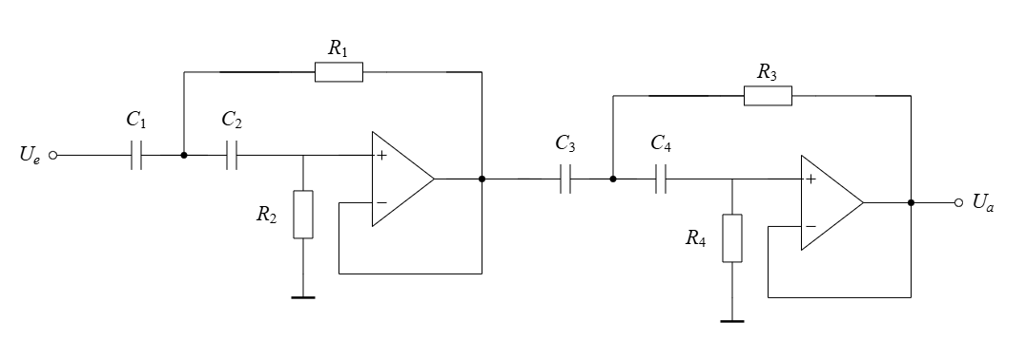
f_g | R_1 | R_2 | R_3 | R_4 | w_g | Aproximation
2000 | 3886.30 | 7836.34 | 3868.86 | 7802.45 | 12566.37 | Butterworth
2050 | 3791.51 | 7645.21 | 3774.50 | 7612.14 | 12880.53 | Butterworth | C_1= | 1.44E-08
2100 | 3701.24 | 7463.18 | 3684.63 | 7430.90 | 13194.69 | Butterworth | C_2= | 1.44E-08
2150 | 3615.16 | 7289.62 | 3598.94 | 7258.09 | 13508.85 | Butterworth
2200 | 3533.00 | 7123.94 | 3517.15 | 7093.13 | 13823.01 | Butterworth
2250 | 3454.49 | 6965.63 | 3438.99 | 6935.51 | 14137.17 | Butterworth | C_3= | 1.47E-08
2300 | 3379.39 | 6814.21 | 3364.23 | 6784.74 | 14451.33 | Butterworth | C_4= | 1.43E-08
2350 | 3307.49 | 6669.22 | 3292.65 | 6640.38 | 14765.49 | Butterworth
2400 | 3238.58 | 6530.28 | 3224.05 | 6502.04 | 15079.64 | Butterworth
2450 | 3172.49 | 6397.01 | 3158.26 | 6369.34 | 15393.80 | Butterworth | Q_1= | 0.71
2500 | 3109.04 | 6269.07 | 3095.09 | 6241.96 | 15707.96 | Butterworth | Q_2= | 0.71
2550 | 3048.08 | 6146.15 | 3034.40 | 6119.57 | 16022.12 | Butterworth
2600 | 2989.46 | 6027.95 | 2976.05 | 6001.88 | 16336.28 | Butterworth
2650 | 2933.06 | 5914.22 | 2919.90 | 5888.64 | 16650.44 | Butterworth
2700 | 2878.74 | 5804.70 | 2865.82 | 5779.59 | 16964.60 | Butterworth
2750 | 2826.40 | 5699.16 | 2813.72 | 5674.51 | 17278.76 | Butterworth
2800 | 2775.93 | 5597.39 | 2763.47 | 5573.18 | 17592.92 | Butterworth
2850 | 2727.23 | 5499.19 | 2714.99 | 5475.40 | 17907.08 | Butterworth
2900 | 2680.21 | 5404.37 | 2668.18 | 5381.00 | 18221.24 | Butterworth
2950 | 2634.78 | 5312.77 | 2622.96 | 5289.79 | 18535.40 | Butterworth
3000 | 2590.87 | 5224.23 | 2579.24 | 5201.63 | 18849.56 | Butterworth
3050 | 2548.39 | 5138.58 | 2536.96 | 5116.36 | 19163.72 | Butterworth
3100 | 2507.29 | 5055.70 | 2496.04 | 5033.84 | 19477.87 | Butterworth
3150 | 2467.49 | 4975.45 | 2456.42 | 4953.93 | 19792.03 | Butterworth
3200 | 2428.94 | 4897.71 | 2418.04 | 4876.53 | 20106.19 | Butterworth
3250 | 2391.57 | 4822.36 | 2380.84 | 4801.51 | 20420.35 | Butterworth
3300 | 2355.33 | 4749.30 | 2344.77 | 4728.76 | 20734.51 | Butterworth
3350 | 2320.18 | 4678.41 | 2309.77 | 4658.18 | 21048.67 | Butterworth
3400 | 2286.06 | 4609.61 | 2275.80 | 4589.67 | 21362.83 | Butterworth
3450 | 2252.93 | 4542.81 | 2242.82 | 4523.16 | 21676.99 | Butterworth
3500 | 2220.74 | 4477.91 | 2210.78 | 4458.54 | 21991.15 | Butterworth
3550 | 2189.47 | 4414.84 | 2179.64 | 4395.74 | 22305.31 | Butterworth
3600 | 2159.06 | 4353.52 | 2149.37 | 4334.69 | 22619.47 | Butterworth
3650 | 2129.48 | 4293.88 | 2119.92 | 4275.31 | 22933.63 | Butterworth
3700 | 2100.70 | 4235.86 | 2091.28 | 4217.54 | 23247.79 | Butterworth
3750 | 2072.69 | 4179.38 | 2063.39 | 4161.31 | 23561.94 | Butterworth
3800 | 2045.42 | 4124.39 | 2036.24 | 4106.55 | 23876.10 | Butterworth
3850 | 2018.86 | 4070.83 | 2009.80 | 4053.22 | 24190.26 | Butterworth
3900 | 1992.98 | 4018.64 | 1984.03 | 4001.25 | 24504.42 | Butterworth
3950 | 1967.75 | 3967.77 | 1958.92 | 3950.61 | 24818.58 | Butterworth
4000 | 1943.15 | 3918.17 | 1934.43 | 3901.22 | 25132.74 | Butterworth
4050 | 1919.16 | 3869.80 | 1910.55 | 3853.06 | 25446.90 | Butterworth
4100 | 1895.76 | 3822.60 | 1887.25 | 3806.07 | 25761.06 | Butterworth
4150 | 1872.92 | 3776.55 | 1864.51 | 3760.22 | 26075.22 | Butterworth
4200 | 1850.62 | 3731.59 | 1842.32 | 3715.45 | 26389.38 | Butterworth
4250 | 1828.85 | 3687.69 | 1820.64 | 3671.74 | 26703.54 | Butterworth
4300 | 1807.58 | 3644.81 | 1799.47 | 3629.05 | 27017.70 | Butterworth
4350 | 1786.81 | 3602.91 | 1778.79 | 3587.33 | 27331.86 | Butterworth
4400 | 1766.50 | 3561.97 | 1758.57 | 3546.57 | 27646.02 | Butterworth
4450 | 1746.65 | 3521.95 | 1738.81 | 3506.72 | 27960.17 | Butterworth
4500 | 1727.25 | 3482.82 | 1719.49 | 3467.75 | 28274.33 | Butterworth
4550 | 1708.26 | 3444.54 | 1700.60 | 3429.65 | 28588.49 | Butterworth
4600 | 1689.70 | 3407.10 | 1682.11 | 3392.37 | 28902.65 | Butterworth
4650 | 1671.53 | 3370.47 | 1664.03 | 3355.89 | 29216.81 | Butterworth
4700 | 1653.75 | 3334.61 | 1646.32 | 3320.19 | 29530.97 | Butterworth
4750 | 1636.34 | 3299.51 | 1628.99 | 3285.24 | 29845.13 | Butterworth
4800 | 1619.29 | 3265.14 | 1612.03 | 3251.02 | 30159.29 | Butterworth
4850 | 1602.60 | 3231.48 | 1595.41 | 3217.50 | 30473.45 | Butterworth
4900 | 1586.25 | 3198.51 | 1579.13 | 3184.67 | 30787.61 | Butterworth
4950 | 1570.22 | 3166.20 | 1563.18 | 3152.50 | 31101.77 | Butterworth
5000 | 1554.52 | 3134.54 | 1547.54 | 3120.98 | 31415.93 | Butterworth
5050 | 1539.13 | 3103.50 | 1532.22 | 3090.08 | 31730.09 | Butterworth
5100 | 1524.04 | 3073.07 | 1517.20 | 3059.78 | 32044.25 | Butterworth
5150 | 1509.24 | 3043.24 | 1502.47 | 3030.08 | 32358.40 | Butterworth
5200 | 1494.73 | 3013.98 | 1488.02 | 3000.94 | 32672.56 | Butterworth
5250 | 1480.50 | 2985.27 | 1473.85 | 2972.36 | 32986.72 | Butterworth
5300 | 1466.53 | 2957.11 | 1459.95 | 2944.32 | 33300.88 | Butterworth
5350 | 1452.82 | 2929.47 | 1446.30 | 2916.80 | 33615.04 | Butterworth
5400 | 1439.37 | 2902.35 | 1432.91 | 2889.80 | 33929.20 | Butterworth
5450 | 1426.17 | 2875.72 | 1419.77 | 2863.28 | 34243.36 | Butterworth
5500 | 1413.20 | 2849.58 | 1406.86 | 2837.25 | 34557.52 | Butterworth
5550 | 1400.47 | 2823.91 | 1394.18 | 2811.69 | 34871.68 | Butterworth
5600 | 1387.96 | 2798.69 | 1381.74 | 2786.59 | 35185.84 | Butterworth
5650 | 1375.68 | 2773.93 | 1369.51 | 2761.93 | 35500.00 | Butterworth
5700 | 1363.61 | 2749.59 | 1357.50 | 2737.70 | 35814.16 | Butterworth
5750 | 1351.76 | 2725.68 | 1345.69 | 2713.89 | 36128.32 | Butterworth
5800 | 1340.10 | 2702.19 | 1334.09 | 2690.50 | 36442.47 | Butterworth
5850 | 1328.65 | 2679.09 | 1322.69 | 2667.50 | 36756.63 | Butterworth
5900 | 1317.39 | 2656.39 | 1311.48 | 2644.90 | 37070.79 | Butterworth
5950 | 1306.32 | 2634.06 | 1300.46 | 2622.67 | 37384.95 | Butterworth
6000 | 1295.43 | 2612.11 | 1289.62 | 2600.82 | 37699.11 | Butterworth

