Figure 1
This file presents the data from the figures in CBO's May 2025 report The Long-Term Budget Outlook Under Alternative Scenarios for the Economy and the Budget.
www.cbo.gov/publication/61332

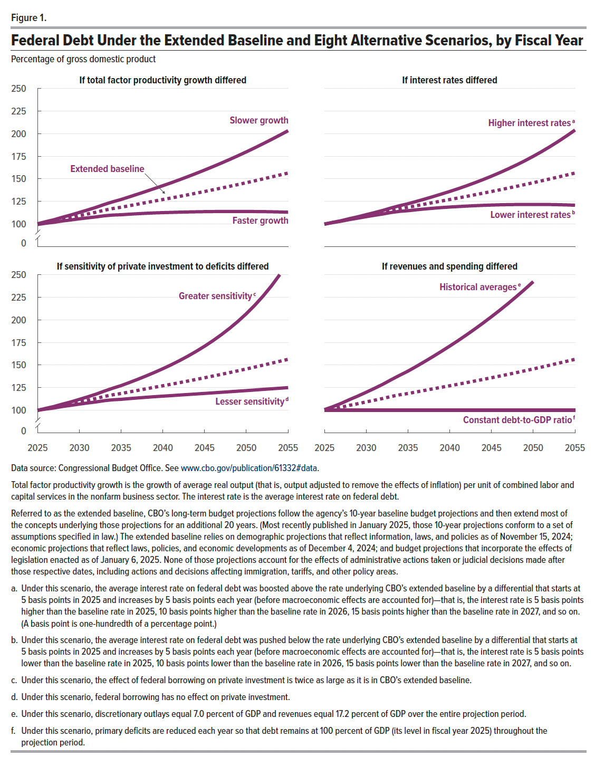
Figure 1. Federal Debt Under the Extended Baseline and Eight Alternative Scenarios, by Fiscal Year
Percentage of gross domestic product

 |  | If total factor productivity growth differed |  | If interest rates differed |  | If sensitivity of private investment to deficits differed |  | If revenues and spending differed
Fiscal year | Extended baseline | Faster growth | Slower growth | Higher interest rates | Lower interest rates | Greater sensitivity | Lesser sensitivity | Historical averages | Constant debt-to-GDP ratio
2025 | 99.9 | 99.5 | 100.3 | 99.9 | 99.8 | 99.9 | 99.9 | 100.7 | 99.9
2026 | 101.7 | 100.9 | 102.6 | 101.9 | 101.6 | 102.1 | 101.3 | 103.9 | 99.9
2027 | 103.4 | 102.0 | 104.8 | 103.7 | 103.1 | 104.2 | 102.6 | 107.6 | 99.9
2028 | 105.4 | 103.4 | 107.5 | 106.0 | 104.9 | 106.8 | 104.2 | 111.8 | 99.9
2029 | 107.2 | 104.5 | 110.0 | 108.0 | 106.5 | 109.3 | 105.4 | 115.7 | 99.9
2030 | 109.2 | 105.7 | 112.8 | 110.3 | 108.1 | 112.0 | 106.8 | 119.9 | 99.9
2031 | 111.1 | 106.8 | 115.6 | 112.6 | 109.6 | 114.8 | 108.0 | 124.2 | 99.9
2032 | 113.1 | 107.9 | 118.4 | 115.0 | 111.1 | 117.8 | 109.2 | 128.8 | 99.9
2033 | 115.3 | 109.1 | 121.6 | 117.8 | 112.8 | 121.2 | 110.6 | 133.8 | 99.9
2034 | 117.1 | 109.9 | 124.5 | 120.3 | 114.0 | 124.3 | 111.6 | 138.6 | 99.9
2035 | 118.5 | 110.2 | 127.1 | 122.4 | 114.7 | 127.3 | 112.1 | 143.3 | 99.9
2036 | 120.3 | 110.9 | 130.1 | 125.0 | 115.7 | 130.7 | 112.9 | 148.5 | 99.9
2037 | 122.0 | 111.4 | 133.1 | 127.6 | 116.6 | 134.2 | 113.6 | 153.8 | 99.9
2038 | 123.7 | 111.9 | 136.1 | 130.3 | 117.4 | 137.9 | 114.3 | 159.4 | 99.9
2039 | 125.4 | 112.3 | 139.2 | 133.1 | 118.2 | 141.8 | 115.0 | 165.1 | 99.9
2040 | 127.1 | 112.6 | 142.4 | 136.0 | 118.8 | 145.9 | 115.6 | 171.0 | 99.9
2041 | 128.8 | 112.8 | 145.6 | 139.0 | 119.3 | 150.2 | 116.2 | 177.0 | 99.9
2042 | 130.5 | 113.1 | 149.0 | 142.2 | 119.8 | 154.9 | 116.8 | 183.3 | 99.9
2043 | 132.3 | 113.3 | 152.4 | 145.6 | 120.2 | 159.8 | 117.4 | 189.8 | 99.9
2044 | 134.1 | 113.5 | 156.0 | 149.1 | 120.6 | 165.1 | 118.0 | 196.5 | 99.9
2045 | 135.9 | 113.7 | 159.7 | 152.9 | 121.0 | 170.8 | 118.6 | 203.4 | 99.9
2046 | 137.8 | 113.8 | 163.4 | 156.8 | 121.2 | 176.9 | 119.2 | 210.6 | 99.9
2047 | 139.7 | 113.8 | 167.3 | 161.0 | 121.4 | 183.5 | 119.8 | 218.1 | 99.9
2048 | 141.7 | 113.9 | 171.3 | 165.3 | 121.5 | 190.6 | 120.5 | 225.8 | 99.9
2049 | 143.6 | 113.9 | 175.5 | 170.0 | 121.6 | 198.3 | 121.1 | 233.8 | 99.9
2050 | 145.6 | 113.8 | 179.8 | 174.8 | 121.6 | 206.7 | 121.7 | 242.2 | 99.9
2051 | 147.7 | 113.8 | 184.2 | 180.0 | 121.6 | 216.0 | 122.4 |  | 99.9
2052 | 149.9 | 113.7 | 188.8 | 185.5 | 121.5 | 226.2 | 123.1 |  | 99.9
2053 | 152.0 | 113.5 | 193.4 | 191.3 | 121.3 | 237.4 | 123.7 |  | 99.9
2054 | 154.1 | 113.3 | 198.2 | 197.4 | 121.1 | 249.9 | 124.4 |  | 99.9
2055 | 156.3 | 113.0 | 203.1 | 203.9 | 120.8 |  | 125.0 |  | 99.9

Back to Table of Contents

Figure 2
This file presents the data from the figures in CBO's May 2025 report The Long-Term Budget Outlook Under Alternative Scenarios for the Economy and the Budget.
www.cbo.gov/publication/61332

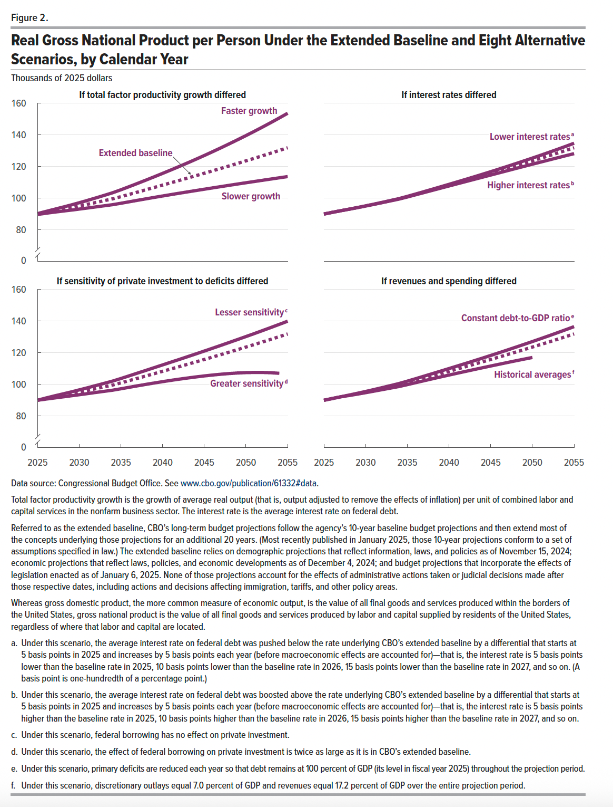
Figure 2. Real Gross National Product per Person Under the Extended Baseline and Eight Alternative Scenarios, by Calendar Year
Thousands of 2025 dollars

 |  | If total factor productivity growth differed |  | If interest rates differed |  | If sensitivity of private investment to deficits differed |  | If revenues and spending differed
Calendar year | Extended baseline | Faster growth | Slower growth | Higher interest rates | Lower interest rates | Greater sensitivity | Lesser sensitivity | Historical averages | Constant debt-to-GDP ratio
2025 | 89.9 | 90.2 | 89.7 | 89.9 | 89.9 | 89.9 | 89.9 | 89.9 | 89.9
2026 | 91.0 | 91.6 | 90.4 | 91.0 | 91.0 | 90.6 | 91.3 | 91.1 | 91.0
2027 | 92.0 | 92.9 | 91.1 | 92.0 | 92.0 | 91.3 | 92.6 | 92.1 | 92.1
2028 | 93.0 | 94.2 | 91.7 | 93.0 | 93.0 | 92.0 | 93.9 | 92.9 | 93.2
2029 | 94.0 | 95.6 | 92.4 | 93.9 | 94.0 | 92.7 | 95.1 | 93.8 | 94.3
2030 | 95.0 | 97.1 | 93.1 | 95.0 | 95.1 | 93.4 | 96.5 | 94.7 | 95.5
2031 | 96.1 | 98.6 | 93.7 | 96.0 | 96.2 | 94.1 | 97.8 | 95.7 | 96.7
2032 | 97.2 | 100.1 | 94.4 | 97.1 | 97.3 | 94.8 | 99.2 | 96.6 | 97.9
2033 | 98.4 | 101.7 | 95.1 | 98.2 | 98.5 | 95.6 | 100.6 | 97.6 | 99.2
2034 | 99.5 | 103.4 | 95.8 | 99.4 | 99.7 | 96.3 | 102.0 | 98.6 | 100.5
2035 | 100.9 | 105.3 | 96.7 | 100.7 | 101.1 | 97.2 | 103.7 | 99.8 | 102.0
2036 | 102.3 | 107.3 | 97.7 | 102.1 | 102.6 | 98.1 | 105.4 | 101.0 | 103.5
2037 | 103.8 | 109.3 | 98.6 | 103.5 | 104.1 | 99.0 | 107.1 | 102.3 | 105.1
2038 | 105.3 | 111.4 | 99.5 | 104.9 | 105.6 | 99.9 | 108.8 | 103.5 | 106.7
2039 | 106.7 | 113.5 | 100.4 | 106.3 | 107.1 | 100.8 | 110.5 | 104.7 | 108.3
2040 | 108.2 | 115.6 | 101.3 | 107.7 | 108.7 | 101.7 | 112.3 | 105.9 | 110.0
2041 | 109.7 | 117.8 | 102.2 | 109.0 | 110.3 | 102.5 | 114.0 | 107.0 | 111.6
2042 | 111.2 | 120.0 | 103.1 | 110.4 | 111.8 | 103.3 | 115.7 | 108.2 | 113.2
2043 | 112.6 | 122.2 | 103.9 | 111.8 | 113.4 | 104.0 | 117.5 | 109.3 | 114.9
2044 | 114.2 | 124.5 | 104.8 | 113.2 | 115.0 | 104.7 | 119.2 | 110.4 | 116.5
2045 | 115.7 | 126.9 | 105.6 | 114.6 | 116.7 | 105.3 | 121.0 | 111.6 | 118.2
2046 | 117.2 | 129.3 | 106.4 | 115.9 | 118.4 | 105.9 | 122.8 | 112.7 | 119.9
2047 | 118.8 | 131.8 | 107.3 | 117.3 | 120.0 | 106.4 | 124.6 | 113.8 | 121.7
2048 | 120.3 | 134.3 | 108.1 | 118.7 | 121.8 | 106.8 | 126.4 | 114.8 | 123.4
2049 | 121.9 | 136.9 | 108.9 | 120.1 | 123.5 | 107.1 | 128.3 | 115.9 | 125.2
2050 | 123.5 | 139.5 | 109.7 | 121.4 | 125.3 | 107.4 | 130.2 | 116.9 | 127.0
2051 | 125.1 | 142.2 | 110.5 | 122.8 | 127.1 | 107.5 | 132.1 |  | 128.8
2052 | 126.8 | 144.9 | 111.3 | 124.1 | 128.9 | 107.5 | 134.0 |  | 130.7
2053 | 128.4 | 147.7 | 112.0 | 125.4 | 130.8 | 107.3 | 135.9 |  | 132.6
2054 | 130.1 | 150.6 | 112.8 | 126.8 | 132.7 | 106.9 | 137.9 |  | 134.5
2055 | 131.8 | 153.6 | 113.6 | 128.1 | 134.6 |  | 139.9 |  | 136.4

Back to Table of Contents

Figure 3
This file presents the data from the figures in CBO's May 2025 report The Long-Term Budget Outlook Under Alternative Scenarios for the Economy and the Budget.
www.cbo.gov/publication/61332

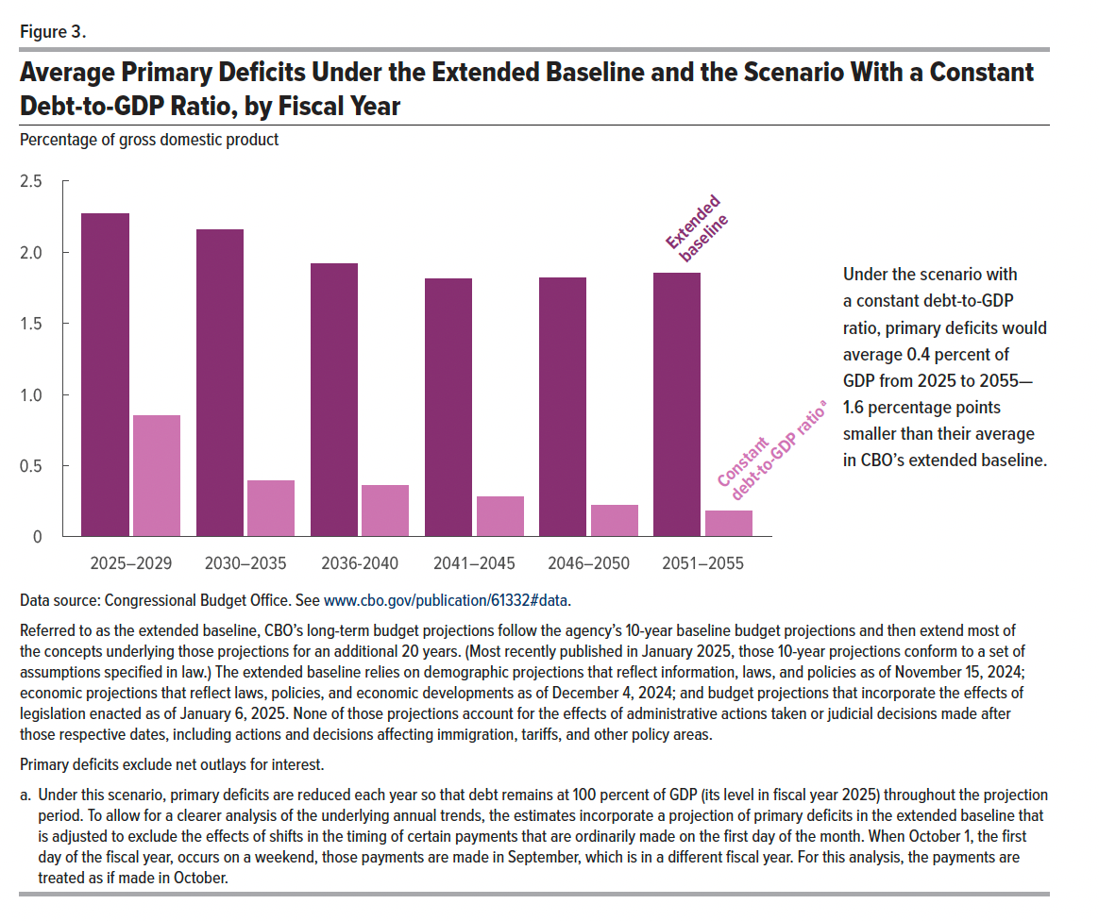
Figure 3. Average Primary Deficits Under the Extended Baseline and the Scenario With a Constant Debt-to-GDP Ratio, by Fiscal Year
Percentage of gross domestic product

Fiscal years | Extended baseline | Constant debt-to-GDP ratio
2025–2029 | 2.3 | 0.9
2030–2035 | 2.2 | 0.4
2036-2040 | 1.9 | 0.4
2041–2045 | 1.8 | 0.3
2046–2050 | 1.8 | 0.2
2051–2055 | 1.9 | 0.2

Back to Table of Contents

