Table 2-1
This file presents data that supplement CBO's February 2026 report The Budget and Economic Outlook: 2026 to 2036.
www.cbo.gov/publication/61882

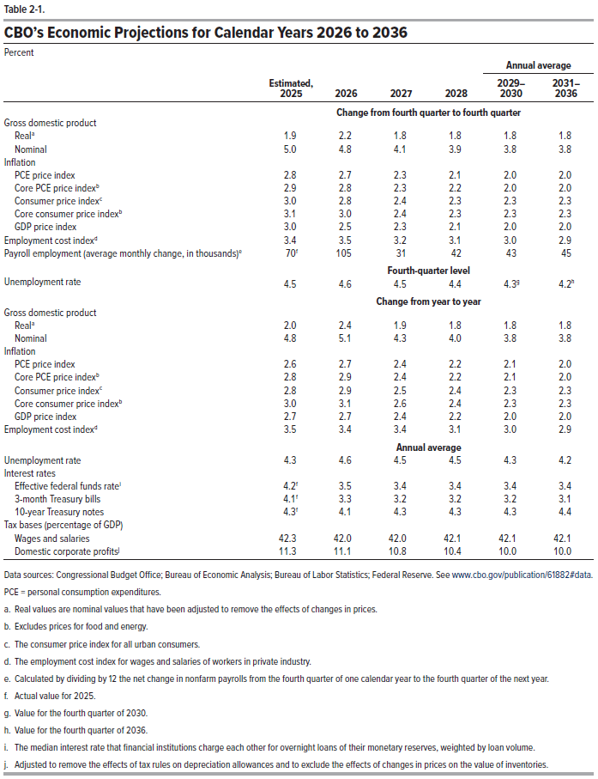
Table 2-1. CBO’s Economic Projections for Calendar Years 2026 to 2036
Percent
 |  |  |  |  | Annual average
 | Estimated, 2025 | 2026 | 2027 | 2028 | 2029– 2030 | 2031– 2036
 | Change from fourth quarter to fourth quarter
Gross domestic product
Real | 1.9 | 2.2 | 1.8 | 1.8 | 1.8 | 1.8
Nominal | 5.0 | 4.8 | 4.1 | 3.9 | 3.8 | 3.8
Inflation
PCE price index | 2.8 | 2.7 | 2.3 | 2.1 | 2.0 | 2.0
Core PCE price index | 2.9 | 2.8 | 2.3 | 2.2 | 2.0 | 2.0
Consumer price index | 3.0 | 2.8 | 2.4 | 2.3 | 2.3 | 2.3
Core consumer price index | 3.1 | 3.0 | 2.4 | 2.3 | 2.3 | 2.3
GDP price index | 3.0 | 2.5 | 2.3 | 2.1 | 2.0 | 2.0
Employment cost index | 3.4 | 3.5 | 3.2 | 3.1 | 3.0 | 2.9
Payroll employment (average monthly change, in thousands) | 70 | 105 | 31 | 42 | 43 | 45
 | Fourth-quarter level
Unemployment rate | 4.5 | 4.6 | 4.5 | 4.4 | 4.3 | 4.2
 | Change from year to year
Gross Domestic Product
Real | 2.0 | 2.4 | 1.9 | 1.8 | 1.8 | 1.8
Nominal | 4.8 | 5.1 | 4.3 | 4.0 | 3.8 | 3.8
Inflation
PCE price index | 2.6 | 2.7 | 2.4 | 2.2 | 2.1 | 2.0
Core PCE price index | 2.8 | 2.9 | 2.4 | 2.2 | 2.1 | 2.0
Consumer price index | 2.8 | 2.9 | 2.5 | 2.4 | 2.3 | 2.3
Core consumer price index | 3.0 | 3.1 | 2.6 | 2.4 | 2.3 | 2.3
GDP price index | 2.7 | 2.7 | 2.4 | 2.2 | 2.0 | 2.0
Employment cost index | 3.5 | 3.4 | 3.4 | 3.1 | 3.0 | 2.9
 | Annual average
Unemployment rate | 4.3 | 4.6 | 4.5 | 4.5 | 4.3 | 4.2
Interest rates
Effective federal funds rate | 4.2 | 3.5 | 3.4 | 3.4 | 3.4 | 3.4
3-month Treasury bills | 4.1 | 3.3 | 3.2 | 3.2 | 3.2 | 3.1
10-year Treasury notes | 4.3 | 4.1 | 4.3 | 4.3 | 4.3 | 4.4
Tax bases (percentage of GDP)
Wages and salaries | 42.3 | 42.0 | 42.0 | 42.1 | 42.1 | 42.1
Domestic corporate profits | 11.3 | 11.1 | 10.8 | 10.4 | 10.0 | 10.0

Back to Table of Contents

Table 2-2
This file presents data that supplement CBO's February 2026 report The Budget and Economic Outlook: 2026 to 2036.
www.cbo.gov/publication/61882

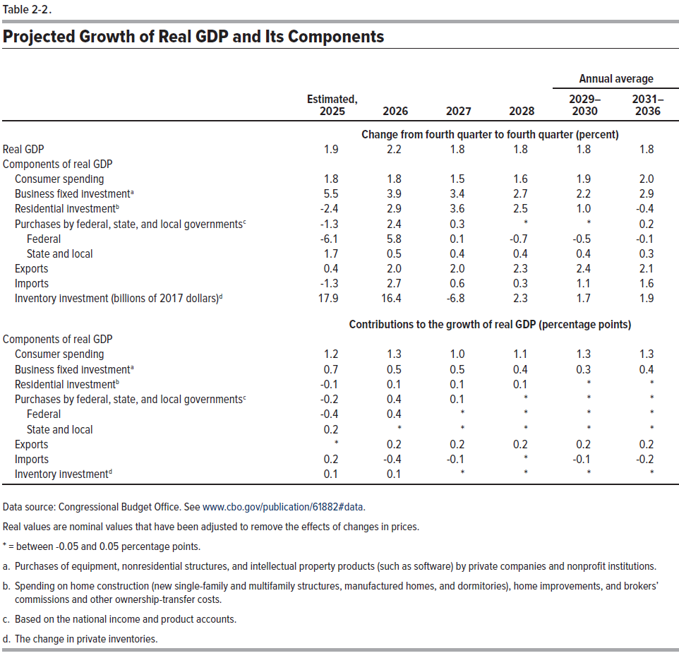
Table 2-2. Projected Growth of Real GDP and its Components

 |  |  |  |  | Annual average
 | Estimated, 2025 | 2026 | 2027 | 2028 | 2029– 2030 | 2031– 2036
 | Change from fourth quarter to fourth quarter (percent)
Real GDP | 1.9 | 2.2 | 1.8 | 1.8 | 1.8 | 1.8
Components of real GDP
Consumer spending | 1.8 | 1.8 | 1.5 | 1.6 | 1.9 | 2.0
Business fixed investment | 5.5 | 3.9 | 3.4 | 2.7 | 2.2 | 2.9
Residential investment | -2.4 | 2.9 | 3.6 | 2.5 | 1.0 | -0.4
Purchases by federal, state, and local governments | -1.3 | 2.4 | 0.3 | * | * | 0.2
Federal | -6.1 | 5.8 | 0.1 | -0.7 | -0.5 | -0.1
State and local | 1.7 | 0.5 | 0.4 | 0.4 | 0.4 | 0.3
Exports | 0.4 | 2.0 | 2.0 | 2.3 | 2.4 | 2.1
Imports | -1.3 | 2.7 | 0.6 | 0.3 | 1.1 | 1.6
Inventory investment (billions of 2017 dollars) | 17.9 | 16.4 | -6.8 | 2.3 | 1.7 | 1.9
 | Contributions to the growth of real GDP (percentage points)
Components of real GDP
Consumer spending | 1.2 | 1.3 | 1.0 | 1.1 | 1.3 | 1.3
Business fixed investment | 0.7 | 0.5 | 0.5 | 0.4 | 0.3 | 0.4
Residential investment | -0.1 | 0.1 | 0.1 | 0.1 | * | *
Purchases by federal, state, and local governments | -0.2 | 0.4 | 0.1 | * | * | *
Federal | -0.4 | 0.4 | * | * | * | *
State and local | 0.2 | * | * | * | * | *
Exports | * | 0.2 | 0.2 | 0.2 | 0.2 | 0.2
Imports | 0.2 | -0.4 | -0.1 | * | -0.1 | -0.2
Inventory investment | 0.1 | 0.1 | * | * | * | *

Back to Table of Contents

Table 2-3
This file presents data that supplement CBO's February 2026 report The Budget and Economic Outlook: 2026 to 2036.
www.cbo.gov/publication/61882

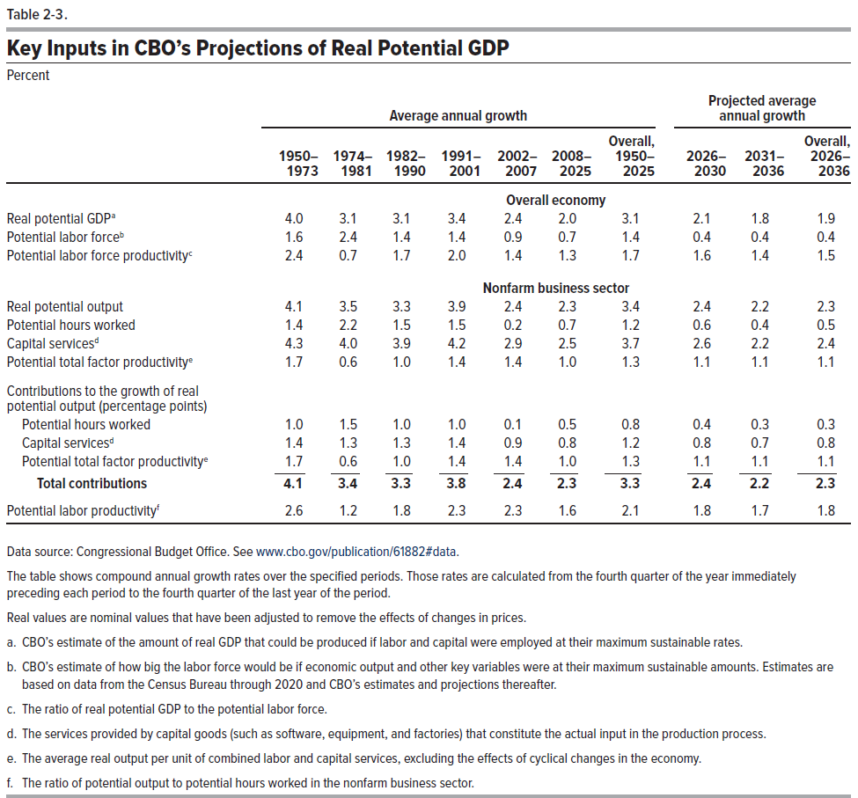
Table 2-3. Key Inputs in CBO’s Projections of Real Potential GDP
Percent

 | Average annual growth |  |  |  |  |  |  | Projected average annual growth
 | 1950– 1973 | 1974– 1981 | 1982– 1990 | 1991– 2001 | 2002– 2007 | 2008– 2025 | Overall, 1950– 2025 | 2026– 2030 | 2031– 2036 | Overall, 2026– 2036
 | Overall economy
Real potential GDP | 4.0 | 3.1 | 3.1 | 3.4 | 2.4 | 2.0 | 3.1 | 2.1 | 1.8 | 1.9
Potential labor force | 1.6 | 2.4 | 1.4 | 1.4 | 0.9 | 0.7 | 1.4 | 0.4 | 0.4 | 0.4
Potential labor force productivity | 2.4 | 0.7 | 1.7 | 2.0 | 1.4 | 1.3 | 1.7 | 1.6 | 1.4 | 1.5
 | Nonfarm business sector
Real potential output | 4.1 | 3.5 | 3.3 | 3.9 | 2.4 | 2.3 | 3.4 | 2.4 | 2.2 | 2.3
Potential hours worked | 1.4 | 2.2 | 1.5 | 1.5 | 0.2 | 0.7 | 1.2 | 0.6 | 0.4 | 0.5
Capital services | 4.3 | 4.0 | 3.9 | 4.2 | 2.9 | 2.5 | 3.7 | 2.6 | 2.2 | 2.4
Potential total factor productivity | 1.7 | 0.6 | 1.0 | 1.4 | 1.4 | 1.0 | 1.3 | 1.1 | 1.1 | 1.1
Contributions to the growth of real potential output (percentage points)
Potential hours worked | 1.0 | 1.5 | 1.0 | 1.0 | 0.1 | 0.5 | 0.8 | 0.4 | 0.3 | 0.3
Capital services | 1.4 | 1.3 | 1.3 | 1.4 | 0.9 | 0.8 | 1.2 | 0.8 | 0.7 | 0.8
Potential total factor productivity | 1.7 | 0.6 | 1.0 | 1.4 | 1.4 | 1.0 | 1.3 | 1.1 | 1.1 | 1.1
Total contribution | 4.1 | 3.4 | 3.3 | 3.8 | 2.4 | 2.3 | 3.3 | 2.4 | 2.2 | 2.3
Potential labor productivity | 2.6 | 1.2 | 1.8 | 2.3 | 2.3 | 1.6 | 2.1 | 1.8 | 1.7 | 1.8

Back to Table of Contents

Table 2-4
This file presents data that supplement CBO's February 2026 report The Budget and Economic Outlook: 2026 to 2036.
www.cbo.gov/publication/61882

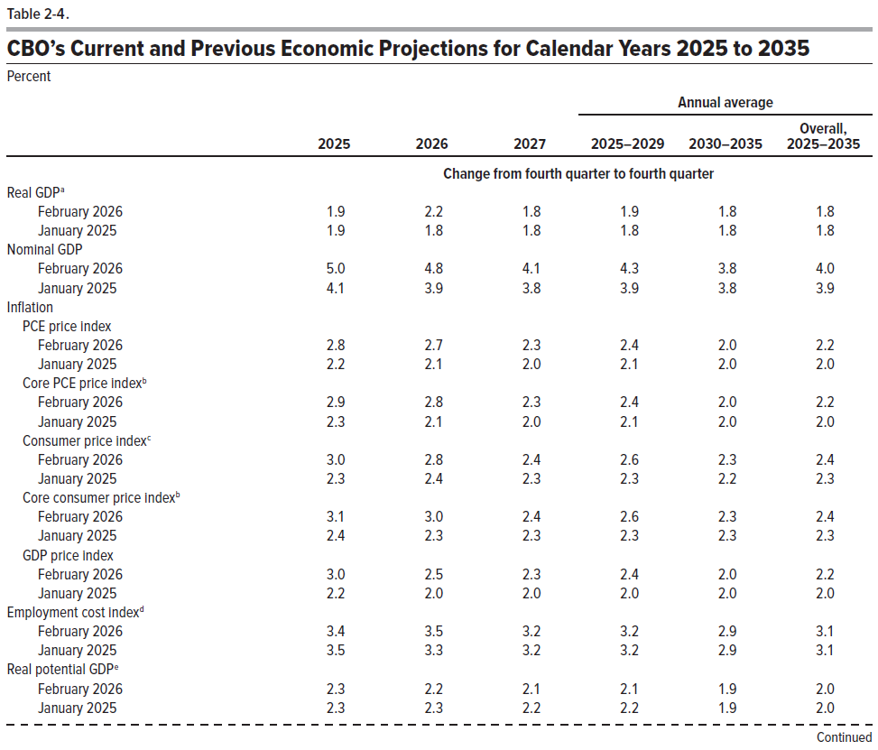
Table 2-4. CBO’s Current and Previous Economic Projections for Calendar Years 2025 to 2035
Percent
 |  |  |  | Annual average
 | 2025 | 2026 | 2027 | 2025–2029 | 2030–2035 | Overall, 2025–2035
 | Change from fourth quarter to fourth quarter
Real GDP
February 2026 | 1.9 | 2.2 | 1.8 | 1.9 | 1.8 | 1.8
January 2025 | 1.9 | 1.8 | 1.8 | 1.8 | 1.8 | 1.8
Nominal GDP
February 2026 | 5.0 | 4.8 | 4.1 | 4.3 | 3.8 | 4.0
January 2025 | 4.1 | 3.9 | 3.8 | 3.9 | 3.8 | 3.9
Inflation
PCE price index
February 2026 | 2.8 | 2.7 | 2.3 | 2.4 | 2.0 | 2.2
January 2025 | 2.2 | 2.1 | 2.0 | 2.1 | 2.0 | 2.0
Core PCE price index
February 2026 | 2.9 | 2.8 | 2.3 | 2.4 | 2.0 | 2.2
January 2025 | 2.3 | 2.1 | 2.0 | 2.1 | 2.0 | 2.0
Consumer price index
February 2026 | 3.0 | 2.8 | 2.4 | 2.6 | 2.3 | 2.4
January 2025 | 2.3 | 2.4 | 2.3 | 2.3 | 2.2 | 2.3
Core consumer price index
February 2026 | 3.1 | 3.0 | 2.4 | 2.6 | 2.3 | 2.4
January 2025 | 2.4 | 2.3 | 2.3 | 2.3 | 2.3 | 2.3
GDP price index
February 2026 | 3.0 | 2.5 | 2.3 | 2.4 | 2.0 | 2.2
January 2025 | 2.2 | 2.0 | 2.0 | 2.0 | 2.0 | 2.0
Employment cost index
February 2026 | 3.4 | 3.5 | 3.2 | 3.2 | 2.9 | 3.1
January 2025 | 3.5 | 3.3 | 3.2 | 3.2 | 2.9 | 3.1
Real potential GDP
February 2026 | 2.3 | 2.2 | 2.1 | 2.1 | 1.9 | 2.0
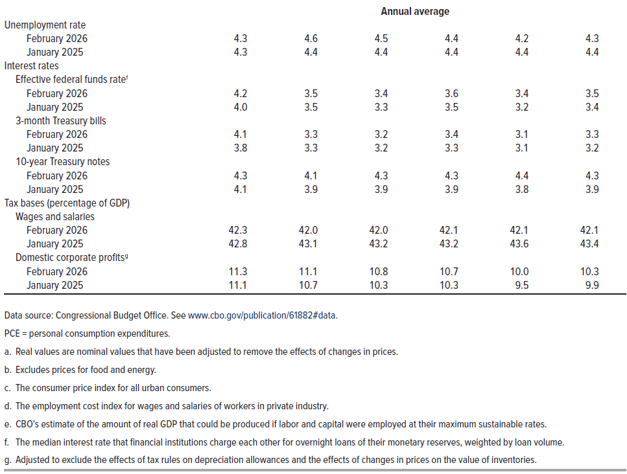
January 2025 | 2.3 | 2.3 | 2.2 | 2.2 | 1.9 | 2.0
 | Annual average
Unemployment rate
February 2026 | 4.3 | 4.6 | 4.5 | 4.4 | 4.2 | 4.3
January 2025 | 4.3 | 4.4 | 4.4 | 4.4 | 4.4 | 4.4
Interest rates
Effective federal funds rate
February 2026 | 4.2 | 3.5 | 3.4 | 3.6 | 3.4 | 3.5
January 2025 | 4.0 | 3.5 | 3.3 | 3.5 | 3.2 | 3.4
3-month Treasury bills
February 2026 | 4.1 | 3.3 | 3.2 | 3.4 | 3.1 | 3.3
January 2025 | 3.8 | 3.3 | 3.2 | 3.3 | 3.1 | 3.2
10-year Treasury notes
February 2026 | 4.3 | 4.1 | 4.3 | 4.3 | 4.4 | 4.3
January 2025 | 4.1 | 3.9 | 3.9 | 3.9 | 3.8 | 3.9
Tax bases (percentage of GDP)
Wages and salaries
February 2026 | 42.3 | 42.0 | 42.0 | 42.1 | 42.1 | 42.1
January 2025 | 42.8 | 43.1 | 43.2 | 43.2 | 43.6 | 43.4
Domestic corporate profits
February 2026 | 11.3 | 11.1 | 10.8 | 10.7 | 10.0 | 10.3
January 2025 | 11.1 | 10.7 | 10.3 | 10.3 | 9.5 | 9.9

Back to Table of Contents

Box 2-1 Table
This file presents data that supplement CBO's February 2026 report The Budget and Economic Outlook: 2026 to 2036.
www.cbo.gov/publication/61882

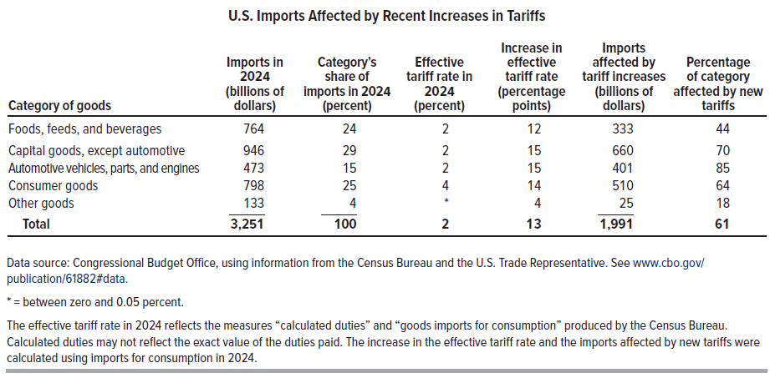
Box 2-1 Table. U.S. Imports Affected by Recent Increases in Tariffs

Category of Goods | Imports in 2024 (billions of dollars) | Category’s share of imports in 2024 (percent) | Effective tariff rate in 2024 (percent) | Increase in effective tariff rate (percentage points) | Imports affected by tariff increases (billions of dollars) | Percentage of category affected by new tariffs
Foods, feeds, and beverages | 764 | 24 | 2 | 12 | 333 | 44
Capital goods, except automotive | 946 | 29 | 2 | 15 | 660 | 70
Automotive vehicles, parts, and engines | 473 | 15 | 2 | 15 | 401 | 85
Consumer goods | 798 | 25 | 4 | 14 | 510 | 64
Other goods | 133 | 4 | * | 4 | 25 | 18
Total | 3251 | 100 | 2 | 13 | 1991 | 61

Back to Table of Contents

Table D-1
This file presents data that supplement CBO's February 2026 report The Budget and Economic Outlook: 2026 to 2036.
www.cbo.gov/publication/61882

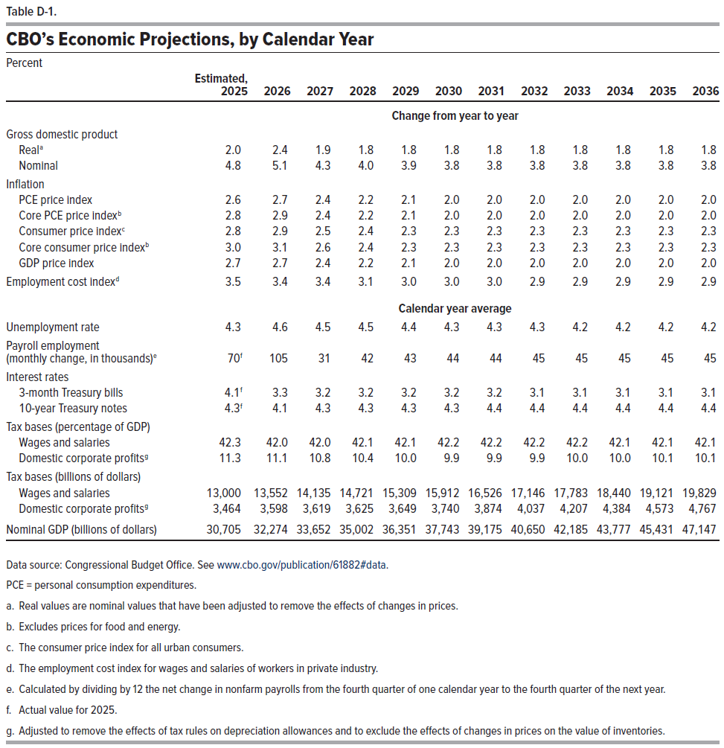
Table D-1. CBO’s Economic Projections, by Calendar Year
Percent

 | Estimated, 2025 | 2026 | 2027 | 2028 | 2029 | 2030 | 2031 | 2032 | 2033 | 2034 | 2035 | 2036
 | Change from year to year
Gross domestic product
Real | 2.0 | 2.4 | 1.9 | 1.8 | 1.8 | 1.8 | 1.8 | 1.8 | 1.8 | 1.8 | 1.8 | 1.8
Nominal | 4.8 | 5.1 | 4.3 | 4.0 | 3.9 | 3.8 | 3.8 | 3.8 | 3.8 | 3.8 | 3.8 | 3.8
Inflation
PCE price index | 2.6 | 2.7 | 2.4 | 2.2 | 2.1 | 2.0 | 2.0 | 2.0 | 2.0 | 2.0 | 2.0 | 2.0
Core PCE price index | 2.8 | 2.9 | 2.4 | 2.2 | 2.1 | 2.0 | 2.0 | 2.0 | 2.0 | 2.0 | 2.0 | 2.0
Consumer price index | 2.8 | 2.9 | 2.5 | 2.4 | 2.3 | 2.3 | 2.3 | 2.3 | 2.3 | 2.3 | 2.3 | 2.3
Core consumer price index | 3.0 | 3.1 | 2.6 | 2.4 | 2.3 | 2.3 | 2.3 | 2.3 | 2.3 | 2.3 | 2.3 | 2.3
GDP price index | 2.7 | 2.7 | 2.4 | 2.2 | 2.1 | 2.0 | 2.0 | 2.0 | 2.0 | 2.0 | 2.0 | 2.0
Employment cost index | 3.5 | 3.4 | 3.4 | 3.1 | 3.0 | 3.0 | 3.0 | 2.9 | 2.9 | 2.9 | 2.9 | 2.9
 | Calendar year average
Unemployment rate | 4.3 | 4.6 | 4.5 | 4.5 | 4.4 | 4.3 | 4.3 | 4.3 | 4.2 | 4.2 | 4.2 | 4.2
Payroll employment (monthly change, in thousands) | 70 | 105 | 31 | 42 | 43 | 44 | 44 | 45 | 45 | 45 | 45 | 45
Interest rates
3-month Treasury bills | 4.1 | 3.3 | 3.2 | 3.2 | 3.2 | 3.2 | 3.2 | 3.1 | 3.1 | 3.1 | 3.1 | 3.1
10-year Treasury notes | 4.3 | 4.1 | 4.3 | 4.3 | 4.3 | 4.3 | 4.4 | 4.4 | 4.4 | 4.4 | 4.4 | 4.4
Tax bases (Percentage of GDP)
Wages and salaries | 42.3 | 42.0 | 42.0 | 42.1 | 42.1 | 42.2 | 42.2 | 42.2 | 42.2 | 42.1 | 42.1 | 42.1
Domestic corporate profits | 11.3 | 11.1 | 10.8 | 10.4 | 10.0 | 9.9 | 9.9 | 9.9 | 10.0 | 10.0 | 10.1 | 10.1
Tax bases (billions of dollars)
Wages and salaries | 13,000 | 13,552 | 14,135 | 14,721 | 15,309 | 15,912 | 16,526 | 17,146 | 17,783 | 18,440 | 19,121 | 19,829
Domestic corporate profits | 3,464 | 3,598 | 3,619 | 3,625 | 3,649 | 3,740 | 3,874 | 4,037 | 4,207 | 4,384 | 4,573 | 4,767
Nominal GDP (billions of dollars) | 30,705 | 32,274 | 33,652 | 35,002 | 36,351 | 37,743 | 39,175 | 40,650 | 42,185 | 43,777 | 45,431 | 47,147

Back to Table of Contents

Table D-2
This file presents data that supplement CBO's February 2026 report The Budget and Economic Outlook: 2026 to 2036.
www.cbo.gov/publication/61882

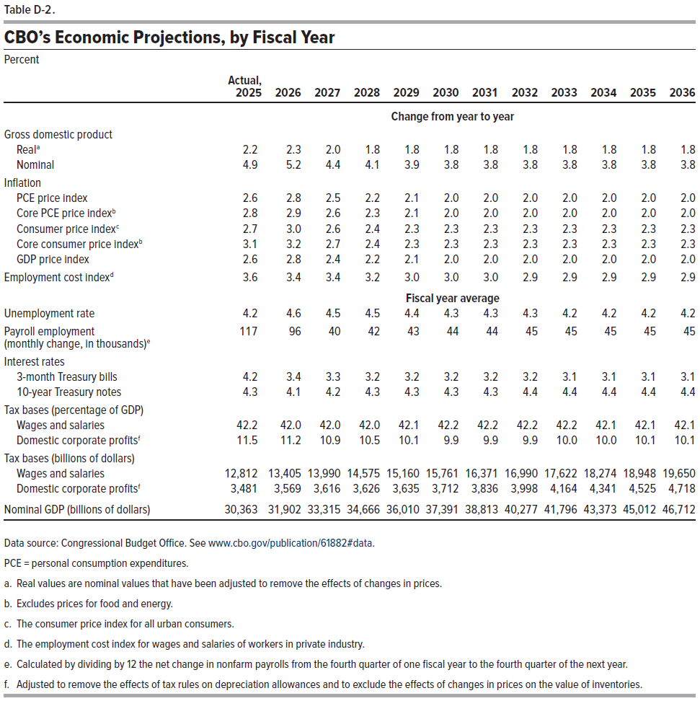
Table D-2. CBO’s Economic Projections, by Fiscal Year
Percent

 | Actual, 2025 | 2026 | 2027 | 2028 | 2029 | 2030 | 2031 | 2032 | 2033 | 2034 | 2035 | 2036
 | Change from year to year
Gross domestic product
Real | 2.2 | 2.3 | 2.0 | 1.8 | 1.8 | 1.8 | 1.8 | 1.8 | 1.8 | 1.8 | 1.8 | 1.8
Nominal | 4.9 | 5.2 | 4.4 | 4.1 | 3.9 | 3.8 | 3.8 | 3.8 | 3.8 | 3.8 | 3.8 | 3.8
Inflation
PCE price index | 2.6 | 2.8 | 2.5 | 2.2 | 2.1 | 2.0 | 2.0 | 2.0 | 2.0 | 2.0 | 2.0 | 2.0
Core PCE price index | 2.8 | 2.9 | 2.6 | 2.3 | 2.1 | 2.0 | 2.0 | 2.0 | 2.0 | 2.0 | 2.0 | 2.0
Consumer price index | 2.7 | 3.0 | 2.6 | 2.4 | 2.3 | 2.3 | 2.3 | 2.3 | 2.3 | 2.3 | 2.3 | 2.3
Core consumer price index | 3.1 | 3.2 | 2.7 | 2.4 | 2.3 | 2.3 | 2.3 | 2.3 | 2.3 | 2.3 | 2.3 | 2.3
GDP price index | 2.6 | 2.8 | 2.4 | 2.2 | 2.1 | 2.0 | 2.0 | 2.0 | 2.0 | 2.0 | 2.0 | 2.0
Employment cost index | 3.6 | 3.4 | 3.4 | 3.2 | 3.0 | 3.0 | 3.0 | 2.9 | 2.9 | 2.9 | 2.9 | 2.9
 | Fiscal year average
Unemployment rate | 4.2 | 4.6 | 4.5 | 4.5 | 4.4 | 4.3 | 4.3 | 4.3 | 4.2 | 4.2 | 4.2 | 4.2
Payroll employment (monthly change, in thousands) | 117 | 96 | 40 | 42 | 43 | 44 | 44 | 45 | 45 | 45 | 45 | 45
Interest rates
3-month Treasury bills | 4.2 | 3.4 | 3.3 | 3.2 | 3.2 | 3.2 | 3.2 | 3.2 | 3.1 | 3.1 | 3.1 | 3.1
10-year Treasury notes | 4.3 | 4.1 | 4.2 | 4.3 | 4.3 | 4.3 | 4.3 | 4.4 | 4.4 | 4.4 | 4.4 | 4.4
Tax bases (Percentage of GDP)
Wages and salaries | 42.2 | 42.0 | 42.0 | 42.0 | 42.1 | 42.2 | 42.2 | 42.2 | 42.2 | 42.1 | 42.1 | 42.1
Domestic corporate profits | 11.5 | 11.2 | 10.9 | 10.5 | 10.1 | 9.9 | 9.9 | 9.9 | 10.0 | 10.0 | 10.1 | 10.1
Tax bases (billions of dollars)
Wages and salaries | 12,812 | 13,405 | 13,990 | 14,575 | 15,160 | 15,761 | 16,371 | 16,990 | 17,622 | 18,274 | 18,948 | 19,650
Domestic corporate profits | 3,481 | 3,569 | 3,616 | 3,626 | 3,635 | 3,712 | 3,836 | 3,998 | 4,164 | 4,341 | 4,525 | 4,718
Nominal GDP (billions of dollars) | 30,363 | 31,902 | 33,315 | 34,666 | 36,010 | 37,391 | 38,813 | 40,277 | 41,796 | 43,373 | 45,012 | 46,712

Back to Table of Contents

