Sheet
The catalogue of Flackes in sample_1.jpg
calibration | 0.187 | um/px
min_size | 42.4 | um^3
sensitivity | 40 | RGB value

id | x (um) | y (um) | size (um^2) | Size X (um) | Size Y (um) | transparency (%) | Bright (RGB) | Height (Å) | size ratio | photo | contourI | contourII | filter - contour | Value - bigger is better | filter - transparency | Value - bigger is better
0 | 6.171 | 57.409 | 61.055874 | 10.472 | 9.35 | -0.028636884307 | 120.64680772 | 298.80846325 | 459.85578646 |  | 288 | 1602 | NO | 0 | NO | 0
1 | 6.919 | 241.043 | 38.535838 | 11.594 | 5.984 | -0.049001814882 | 94.195213379 | -1288.2871972 | 301.15820399 |  | 313 | 1157 | OK | 0.553514377 | NO | 0
2 | 33.099 | 306.68 | 34.199682 | 8.228 | 7.106 | -0.010224948875 | 118.57591093 | 174.55465587 | 247.52152232 |  | 255 | 964 | OK | 0.46960784314 | NO | 0
3 | 39.644 | 345.202 | 226.24943 | 20.57 | 17.204 | -0.016383307573 | 129.05575831 | 803.34549878 | 1668.9335585 |  | 1002 | 6164 | NO | 0 | NO | 0
4 | 157.454 | 353.43 | 1183.281022 | 60.962 | 22.814 | 0.27797151132 | 52.532375573 | -3788.0574656 | 4408.149782 |  | 4942 | 24861 | NO | 0 | OK | 0.19797151132
5 | 132.957 | 165.682 | 34.759186 | 7.106 | 8.228 | -0.034205231388 | 124.47859922 | 528.71595331 | 263.78695353 |  | 220 | 815 | OK | 0.54545454545 | NO | 0
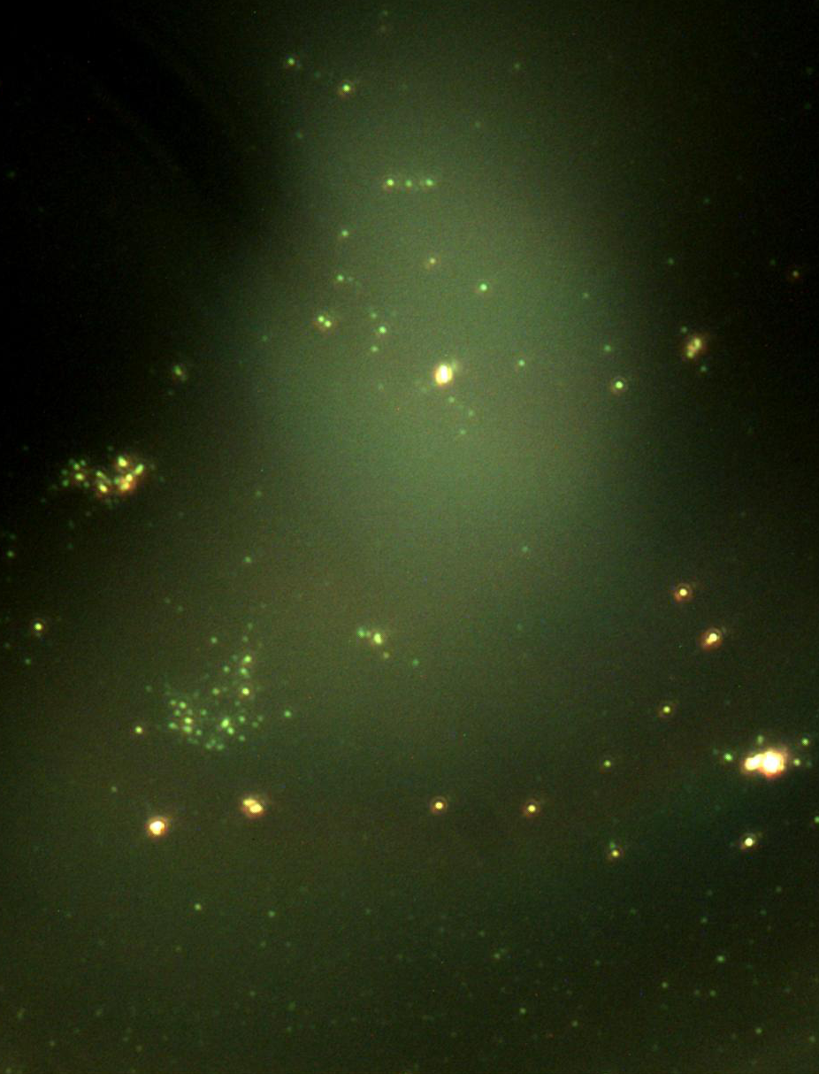
6 | 258.434 | 261.8 | 27796.928038 | 173.162 | 227.018 | 0.18704947277 | 64.978271971 | -3041.3036817 | 131333.40947 |  | 64140 | 749171 | NO | 0 | OK | 0.10704947277
7 | 200.09 | 236.368 | 130.504308 | 21.692 | 11.594 | 0.0075026795284 | 84.249010079 | -1885.0593952 | 917.05142831 |  | 1112 | 3218 | NO | 0 | NO | 0
8 | 351.186 | 355.487 | 436.972624 | 41.888 | 17.204 | 0.33546734955 | 74.217686256 | -2486.9388247 | 1377.5690564 |  | 1426 | 4120 | NO | 0 | OK | 0.25546734955
9 | 367.268 | 293.403 | 176.313698 | 18.326 | 18.326 | 0.23681078937 | 108.39319127 | -436.40852391 | 732.18665485 |  | 1107 | 4528 | OK | 0.15966576332 | OK | 0.15681078937
10 | 397.001 | 295.647 | 1587.732476 | 53.108 | 53.108 | 0.1530261651 | 154.44457735 | 2326.6746411 | 8140.8063259 | 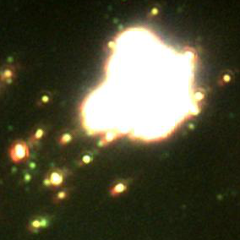 | 5812 | 42843 | NO | 0 | OK | 0.073026165096
11 | 388.586 | 195.602 | 32.031604 | 5.984 | 8.228 | 0.026200873362 | 94.045964126 | -1297.2421525 | 215.15255738 |  | 307 | 894 | NO | 0 | NO | 0
12 | 391.765 | 97.614 | 127.007408 | 10.472 | 19.448 | 0.022026431718 | 140.4725976 | 1488.3558559 | 866.43937449 |  | 617 | 3246 | NO | 0 | NO | 0
13 | 410.091 | 127.347 | 38.186148 | 11.594 | 5.984 | -0.03663003663 | 102.03710247 | -817.77385159 | 291.36286822 |  | 282 | 886 | NO | 0 | NO | 0
14 | 441.133 | 299.574 | 63.503704 | 10.472 | 9.35 | 0.044052863436 | 118.64324117 | 178.59447005 | 412.87863525 |  | 388 | 1666 | OK | 0.04381443299 | NO | 0
15 | 456.28 | 49.555 | 84.345228 | 14.96 | 16.082 | -0.031509121061 | 97.102893891 | -1113.8263666 | 639.59710982 |  | 671 | 2333 | NO | 0 | NO | 0
16 | 481.338 | 306.306 | 32.031604 | 5.984 | 9.35 | -0.026200873362 | 137.93794326 | 1336.2765957 | 239.15302382 |  | 231 | 1036 | OK | 0.23484848485 | NO | 0

