Program Management Dashboard
Bihar:Percentage of Village having access to Rainwater harvesting System

TASK TIMELINE

Target:Village | Status |  | ISSUES |  | Pending | % COMPLETE
1000 | Completed | 200 | OPEN | 18 | 80% | 80%
 | In Progess | 500 | REVISIONS | 16
 | Not Started | 300 | PENDING | 27

TASK TIMELINE

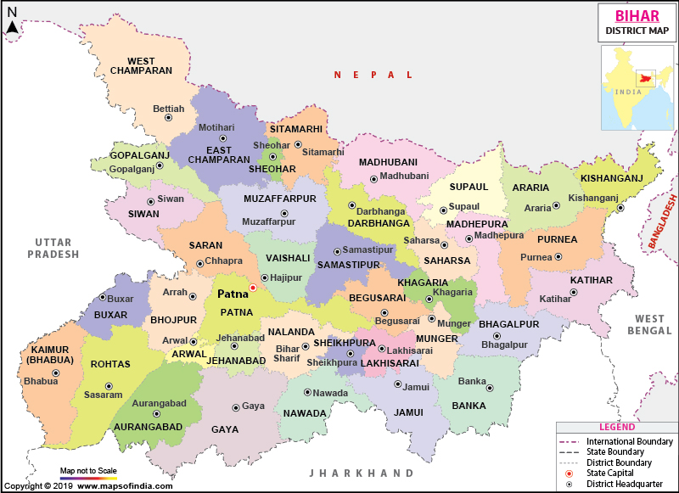
 | AMOUNT | %
COMPLETE | 4 | 29%
OVERDUE | 2 | 14%
IN PROGRESS | 2 | 14%
NOT STARTED | 6 | 43%

