Dashboard
 |  |  |  |  |  |  | 2022-10-07

 | Stock Analyzer: LHA.DE

Ticker Symbol: | LHA.DE | Start Date: | 2010-01-01 | End Date: | 2020-06-30
Chart | 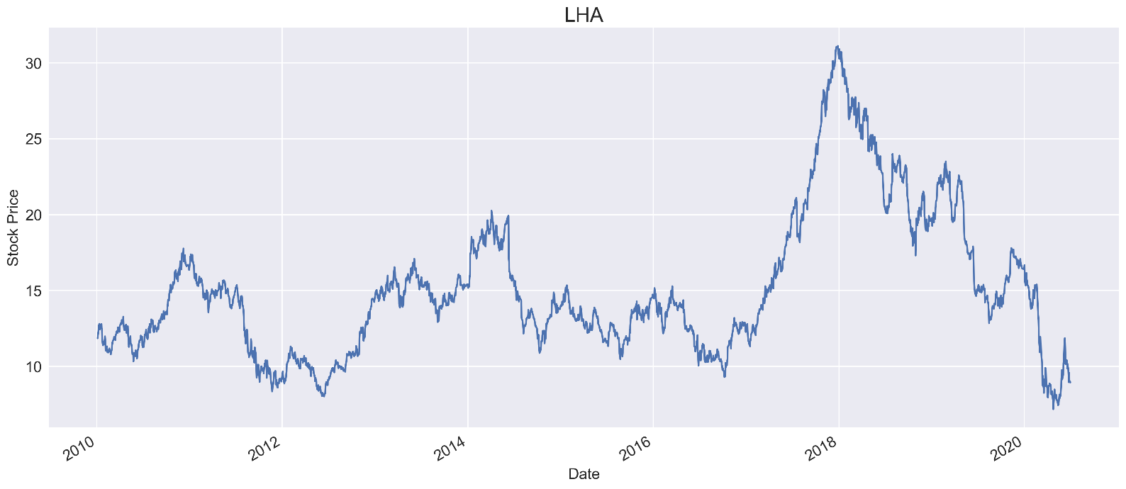

Prices & Return

 |  |  | First Price | 11.85
 |  |  | High Price | 31.12
 |  |  | Low Price | 7.18
 |  |  | Last Price | 8.94
 |  |  | Total Price Change (%) | -24.6%

Benchmark |  |  |  |  |  | Index: | ^GDAXI
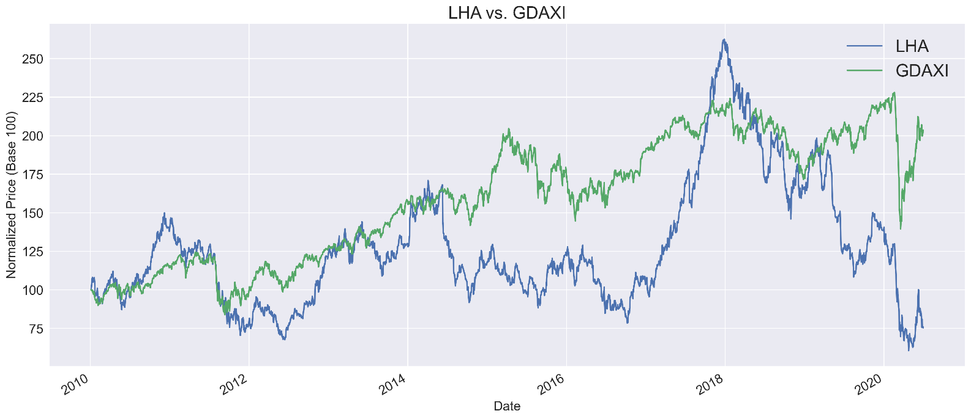

Beta |  |  |  |  |  | Freq: | M
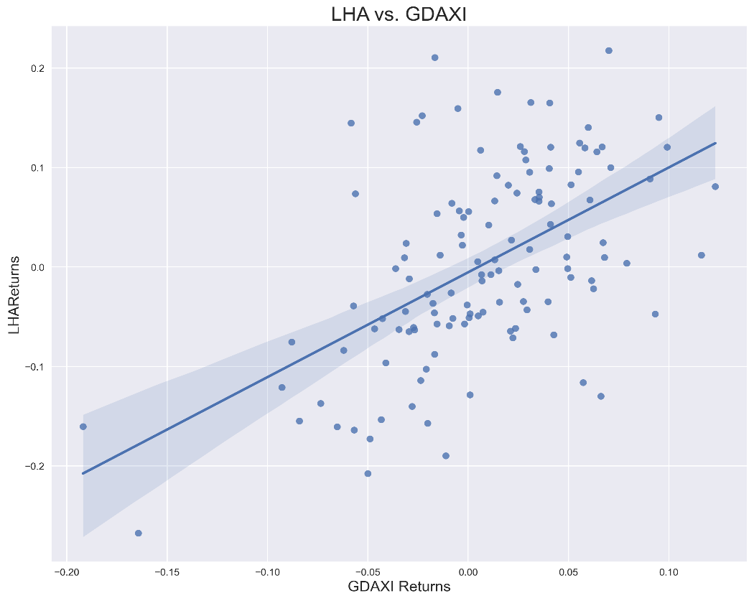
 |  |  |  |  | Obervations |  | 125
 |  |  |  |  | Corr Coef |  | 0.54
 |  |  |  |  | Beta |  | 1.05
 |  |  |  |  | R-Squared |  | 0.29
 |  |  |  |  | t-statistic |  | 7.16
 |  |  |  |  | p-value |  | 0.00
 |  |  |  |  | Conf 0.025 |  | 0.76
 |  |  |  |  | Conf 0.975 |  | 1.35
 |  |  |  |  | Intercept |  | -0.01

