Dashboard
 |  |  |  |  |  |  | 2022-10-17

 | Stock Analyzer: FNGU

Ticker Symbol: | FNGU | Start Date: | 2021-06-30 | End Date: | 2022-10-14
Chart | 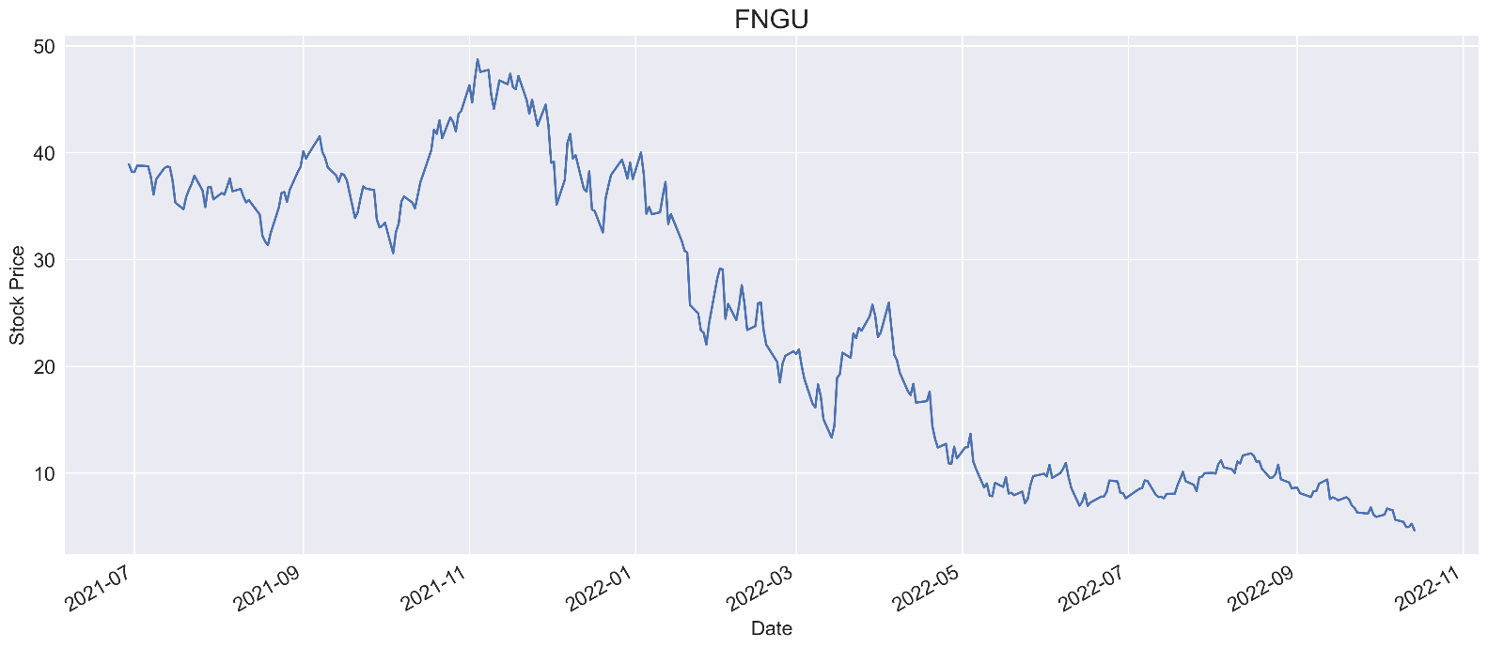

Prices & Return

 |  |  | First Price | 38.90
 |  |  | High Price | 48.73
 |  |  | Low Price | 4.66
 |  |  | Last Price | 4.66
 |  |  | Total Price Change (%) | -88.0%

Benchmark |  |  |  |  |  | Index: | SOFI
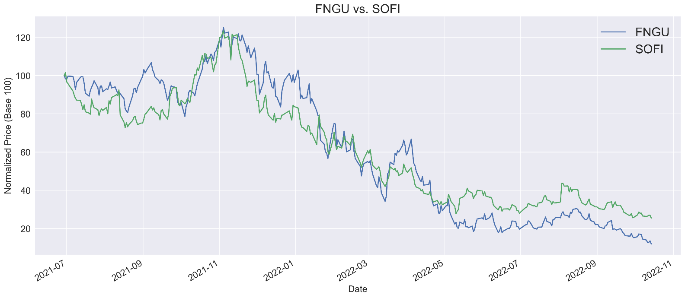

Beta |  |  |  |  |  | Freq: | D
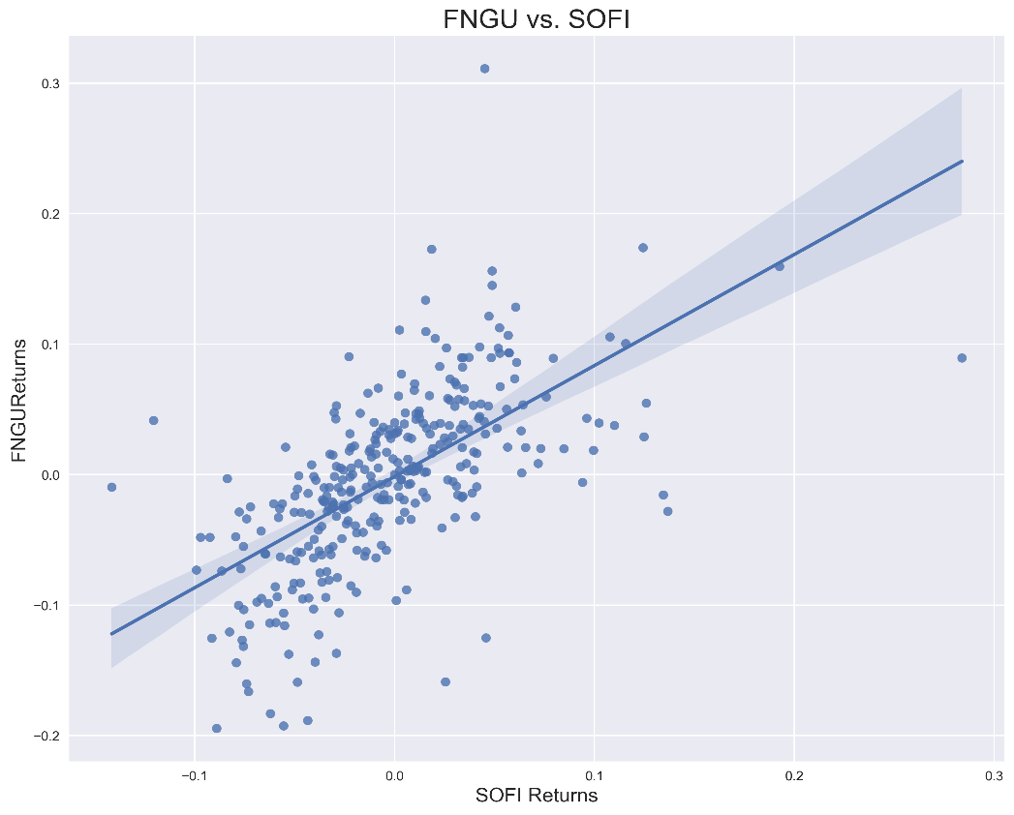
 |  |  |  |  | Obervations |  | 327
 |  |  |  |  | Corr Coef |  | 0.63
 |  |  |  |  | Beta |  | 0.85
 |  |  |  |  | R-Squared |  | 0.39
 |  |  |  |  | t-statistic |  | 14.46
 |  |  |  |  | p-value |  | 0.00
 |  |  |  |  | Conf 0.025 |  | 0.74
 |  |  |  |  | Conf 0.975 |  | 0.97
 |  |  |  |  | Intercept |  | 0.00

