Dashboard
 |  |  |  |  |  |  | 2022-10-06

 | Stock Analyzer: AAPL

Ticker Symbol: | AAPL | Start Date: | 2020-01-01 | End Date: | 2020-06-30
Chart | 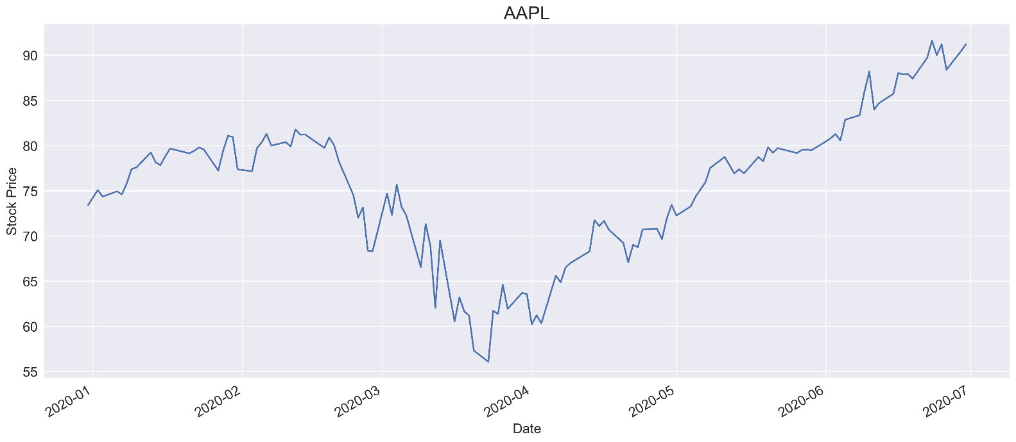

Prices & Return

 |  |  | First Price | 73.41
 |  |  | High Price | 91.63
 |  |  | Low Price | 56.09
 |  |  | Last Price | 91.20
 |  |  | Total Price Change (%) | 24.2%

Benchmark |  |  |  |  |  | Index: | ^DJI
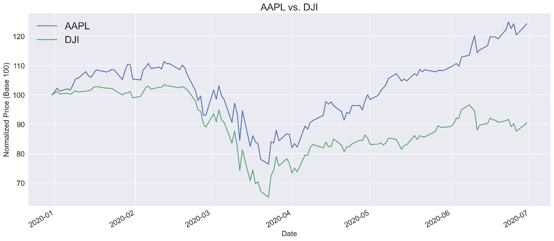

Beta |  |  |  |  |  | Freq: | D
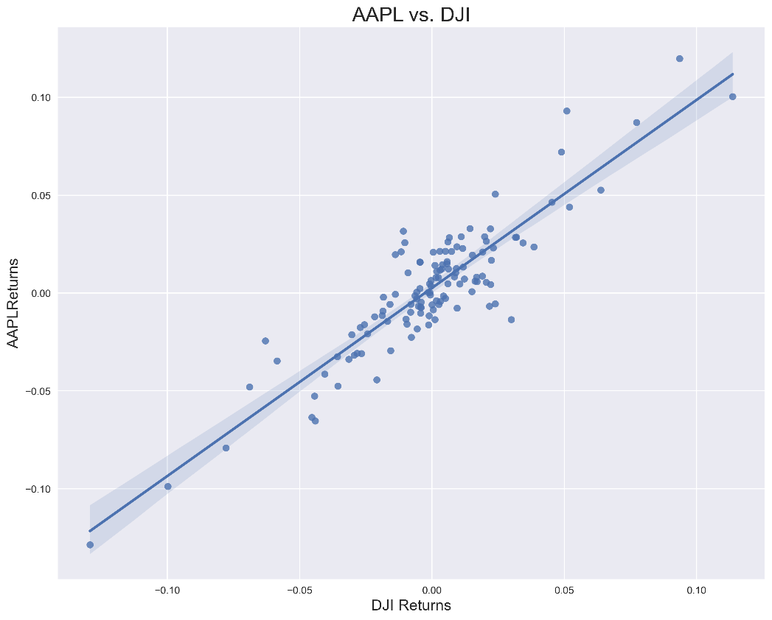
 |  |  |  |  | Obervations |  | 125
 |  |  |  |  | Corr Coef |  | 0.90
 |  |  |  |  | Beta |  | 0.96
 |  |  |  |  | R-Squared |  | 0.81
 |  |  |  |  | t-statistic |  | 22.90
 |  |  |  |  | p-value |  | 0.00
 |  |  |  |  | Conf 0.025 |  | 0.88
 |  |  |  |  | Conf 0.975 |  | 1.04
 |  |  |  |  | Intercept |  | 0.00

