Arkusz1
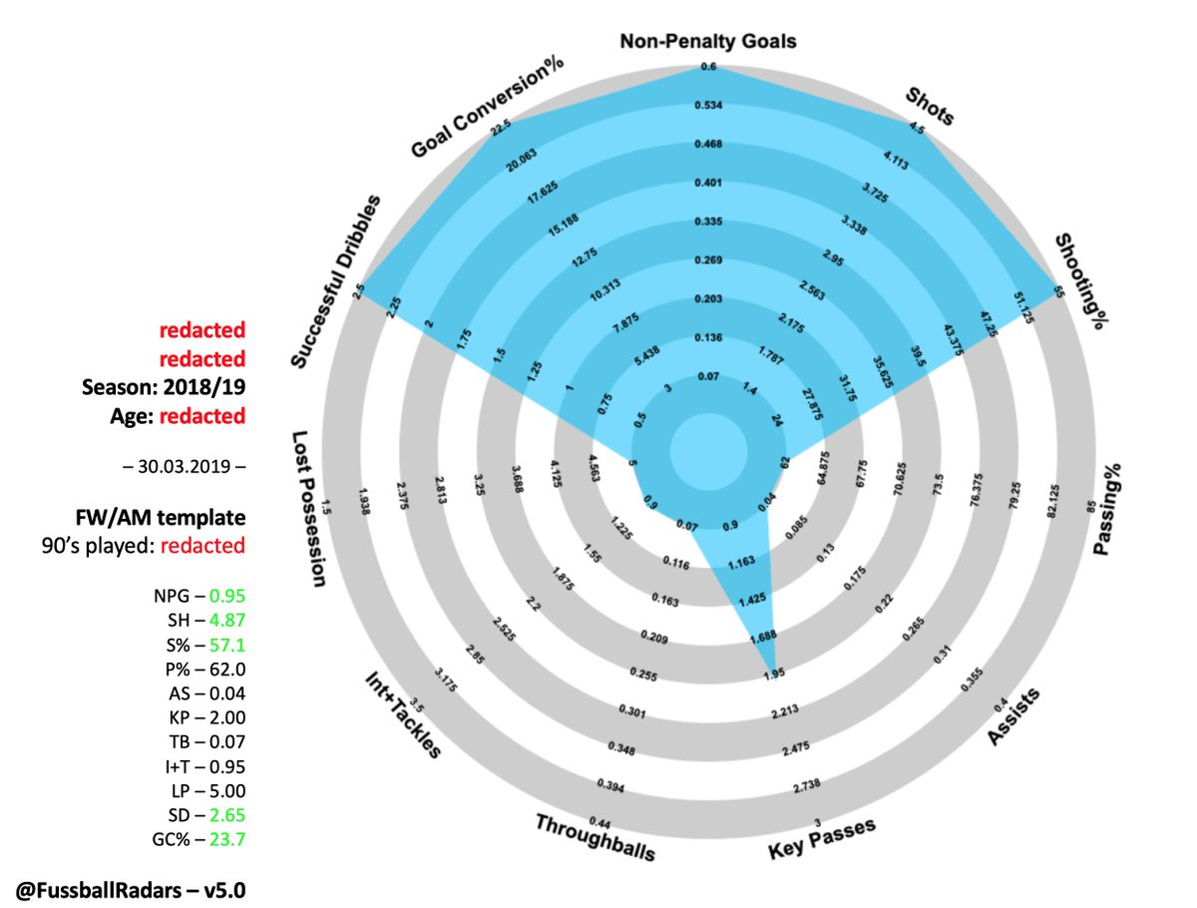

NPG -GOAL | [1]
SHOTS | [3]
SHOOTING% |  | todo detailed
PASSING% | [4]
ASSISTS | [2] | todo pergame
KEY PASSES | [11]
THROUGHBALLS | [20]
INT + TACKLES | [5]+[6]
LOST POSSESION | [15]
SUCC DRIBBL | [12]

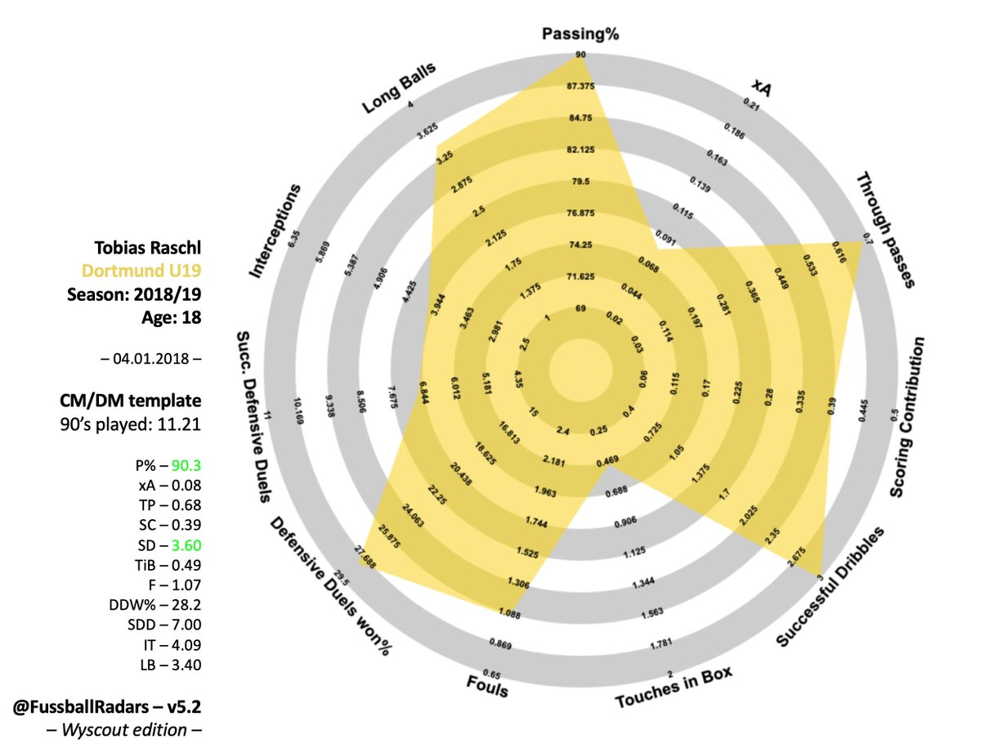

 | PASSING % | [4]
 | xA | ??
 | THROUGH PASS | [20]
 | Scoring contribution | ??
 | SUCCESFULL DRIBBLES | [12]
 | TOUCHES IN BOX
 | FOULS | [8]
 | Defensive duels won% | ??
 | Succ defensive duels | ??
 | Interception
 | Long Balls

